Figure 1
Figure 1 The effect of maternal age on pregnancy rate

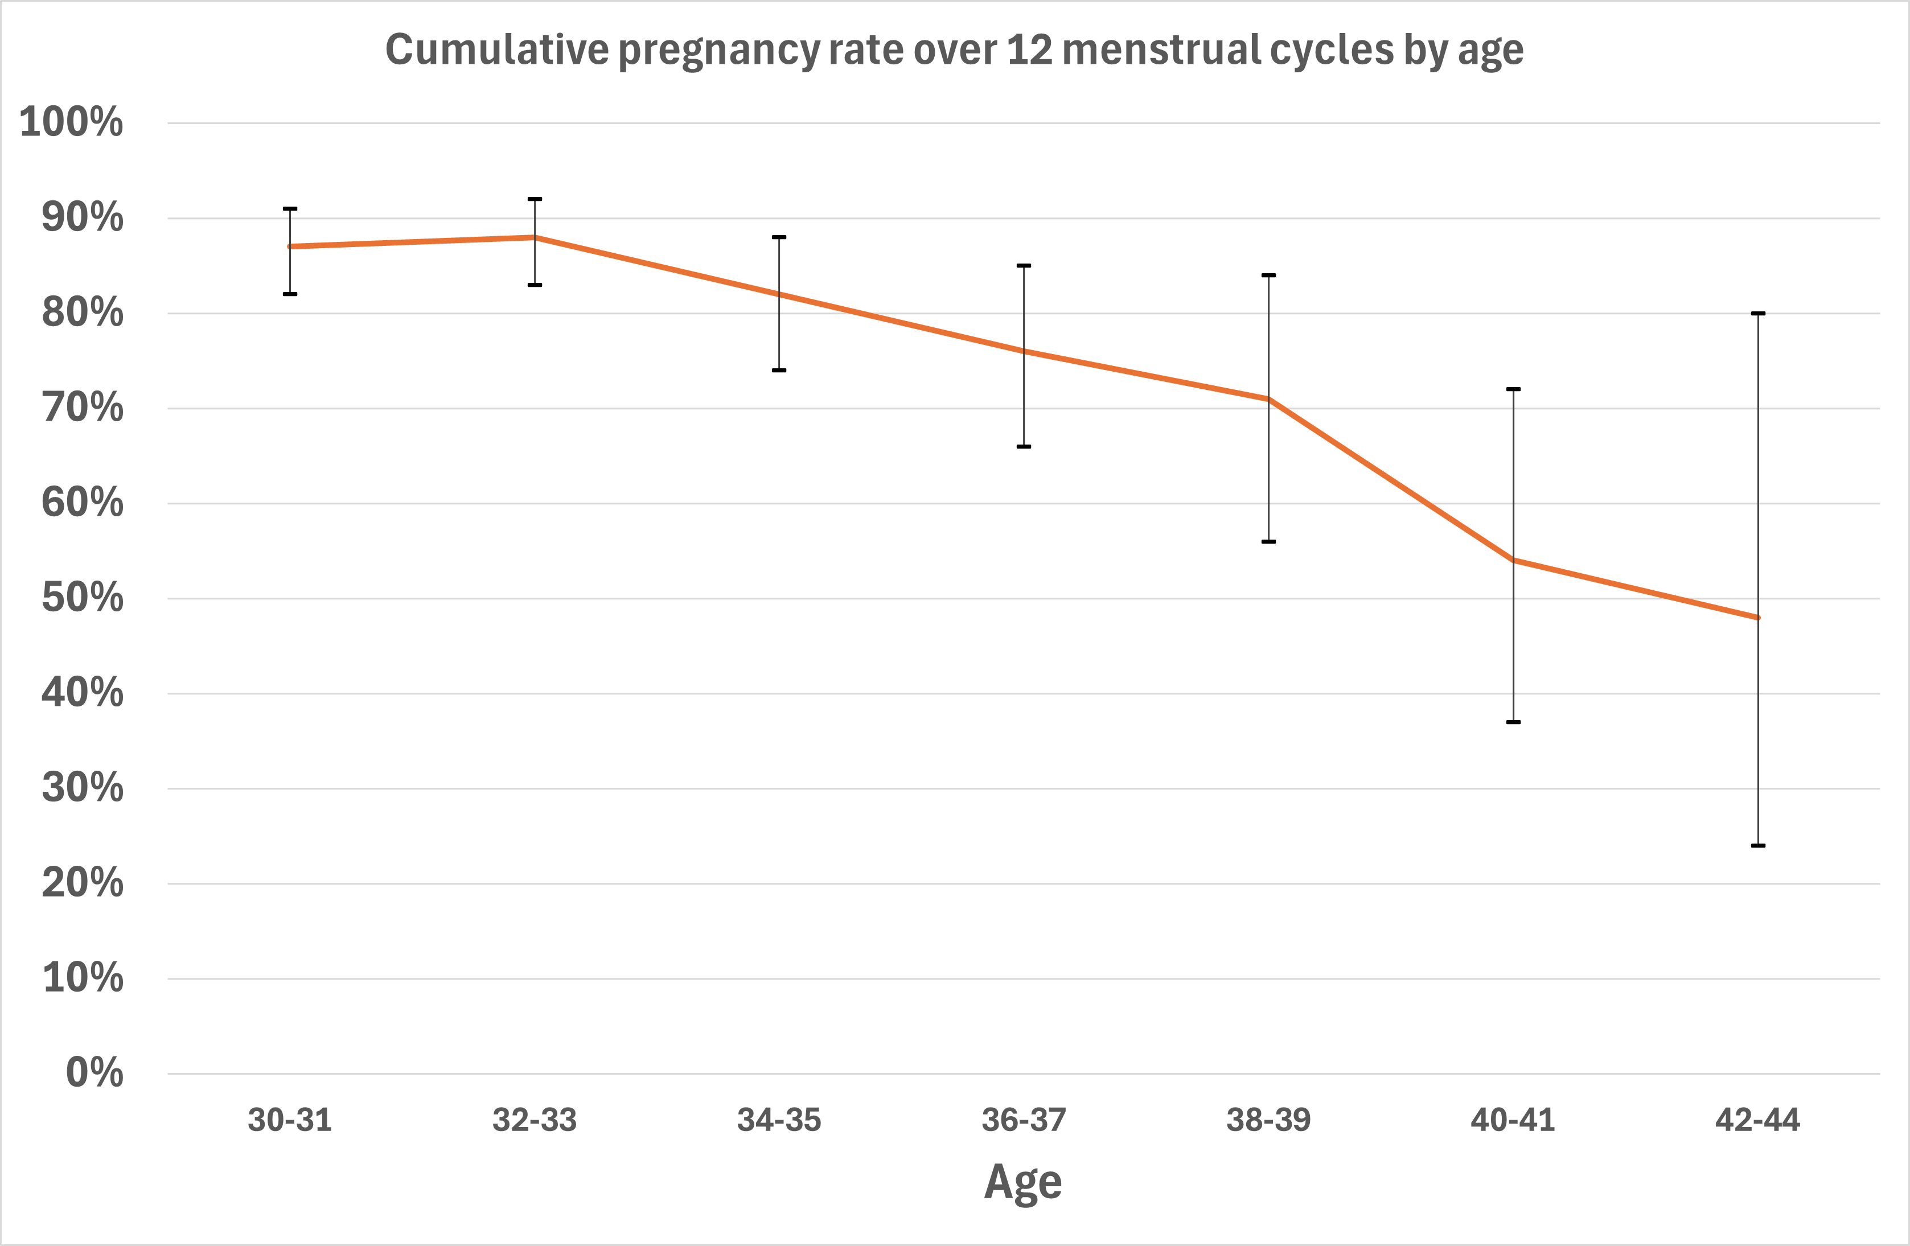

Figure based on data reported in Steiner and Jukic (2016), a prospective cohort study including women
aged 30 to 44 years with no known fertility problems showing cumulative pregnancy rate (with 95%
confidence interval) over 12 menstrual cycles of attempting to conceive spontaneously.

Figure 2
Figure 2 IVF success in terms of live births per embryo transfer by age
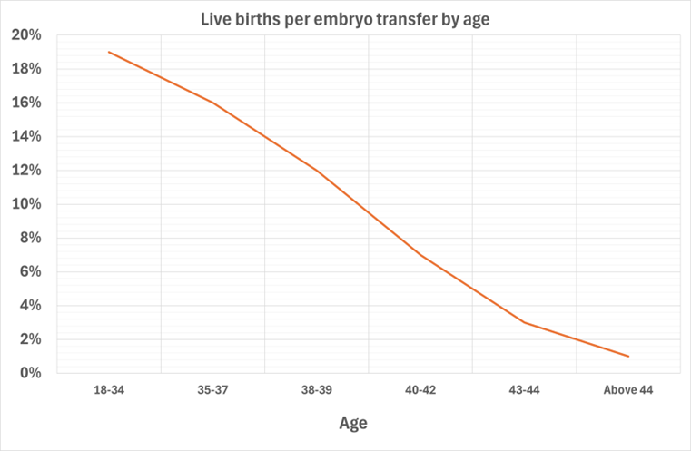

(Human Fertilisation and Embryology Authority [HFEA] data from 1991 to 2023)
The vertical axis shows the percentage of live births per embryo transfer; the horizontal axis shows age
at treatment. Data was obtained from the HFEA dashboard (HFEA 2023). This data includes fresh
embryo transfer with IVF and ICSI cycles begun in 1991 and 2023 (data for 2019 to 2023 is preliminary).
Cycles using previously stored eggs, donor eggs, donor sperms, surrogacy, and PGT‑A/M/SR have been
excluded. Cycles where pregnancy was achieved but no live birth outcome was documented were excluded.
Live birth rate per embryo transferred was calculated as the number of live birth occurrences divided by
the total number of embryos transferred in that year (HFEA 2023).
Abbreviations: ICSI, intracytoplasmic sperm injection; IVF, in vitro fertilisation; PGT‑A/M/SR, pre-implantation
genetic testing for aneuploidy, monogenic disorders and chromosomal structural rearrangements.

