Network Plots
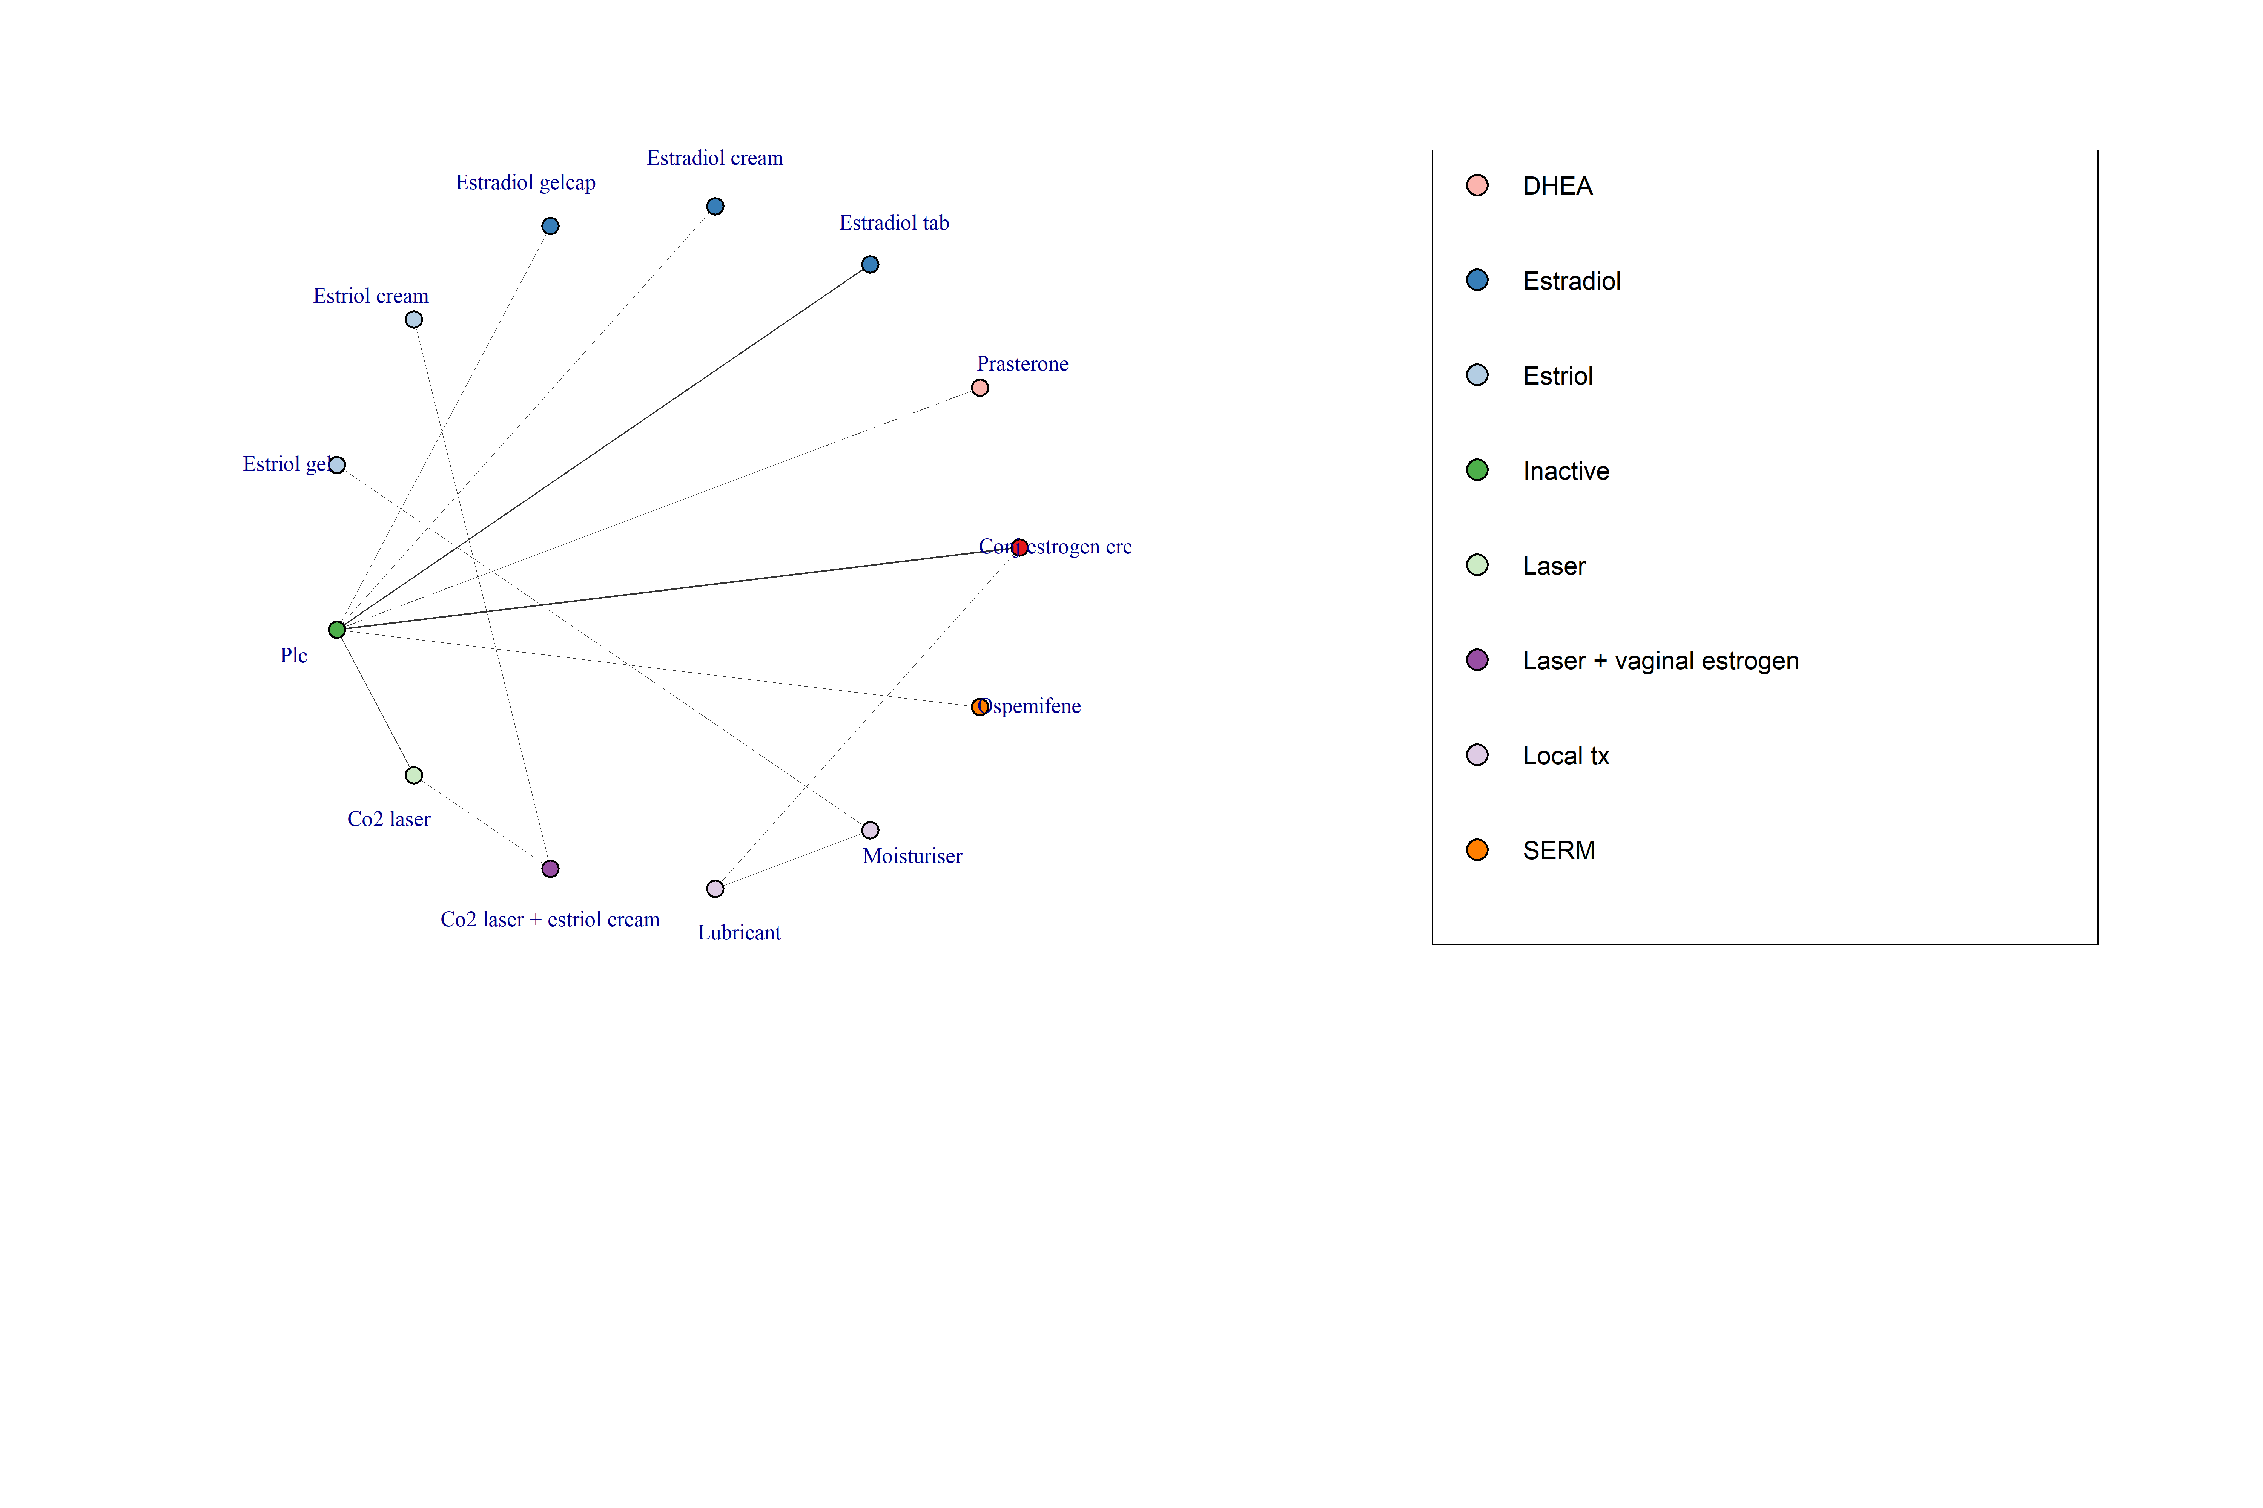
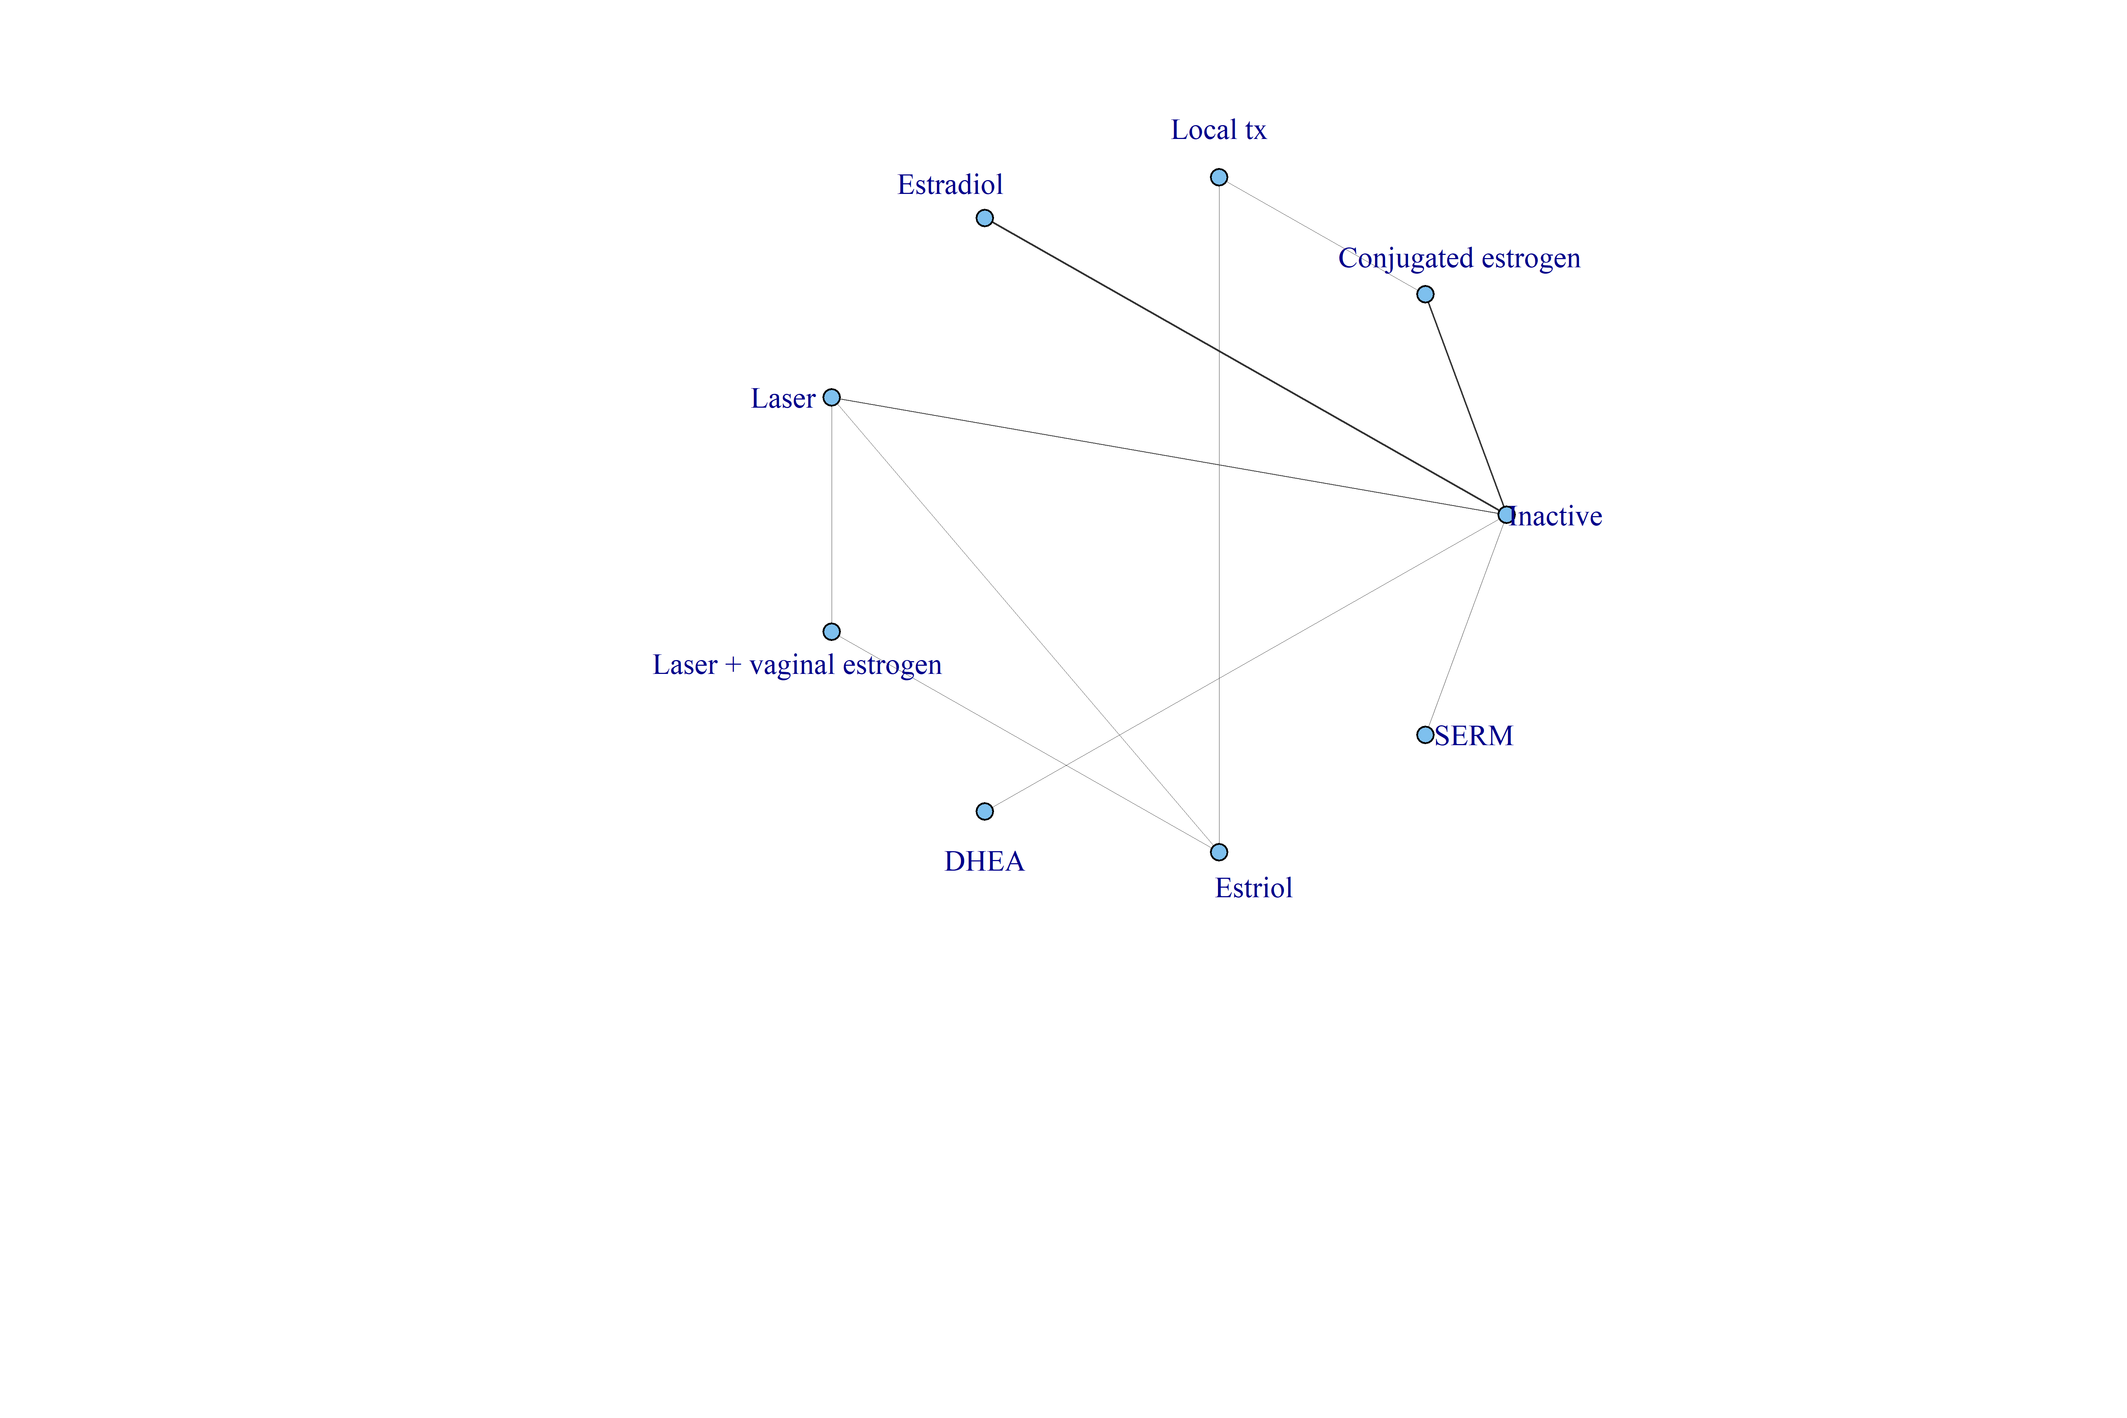
N.Total
13

Model fit
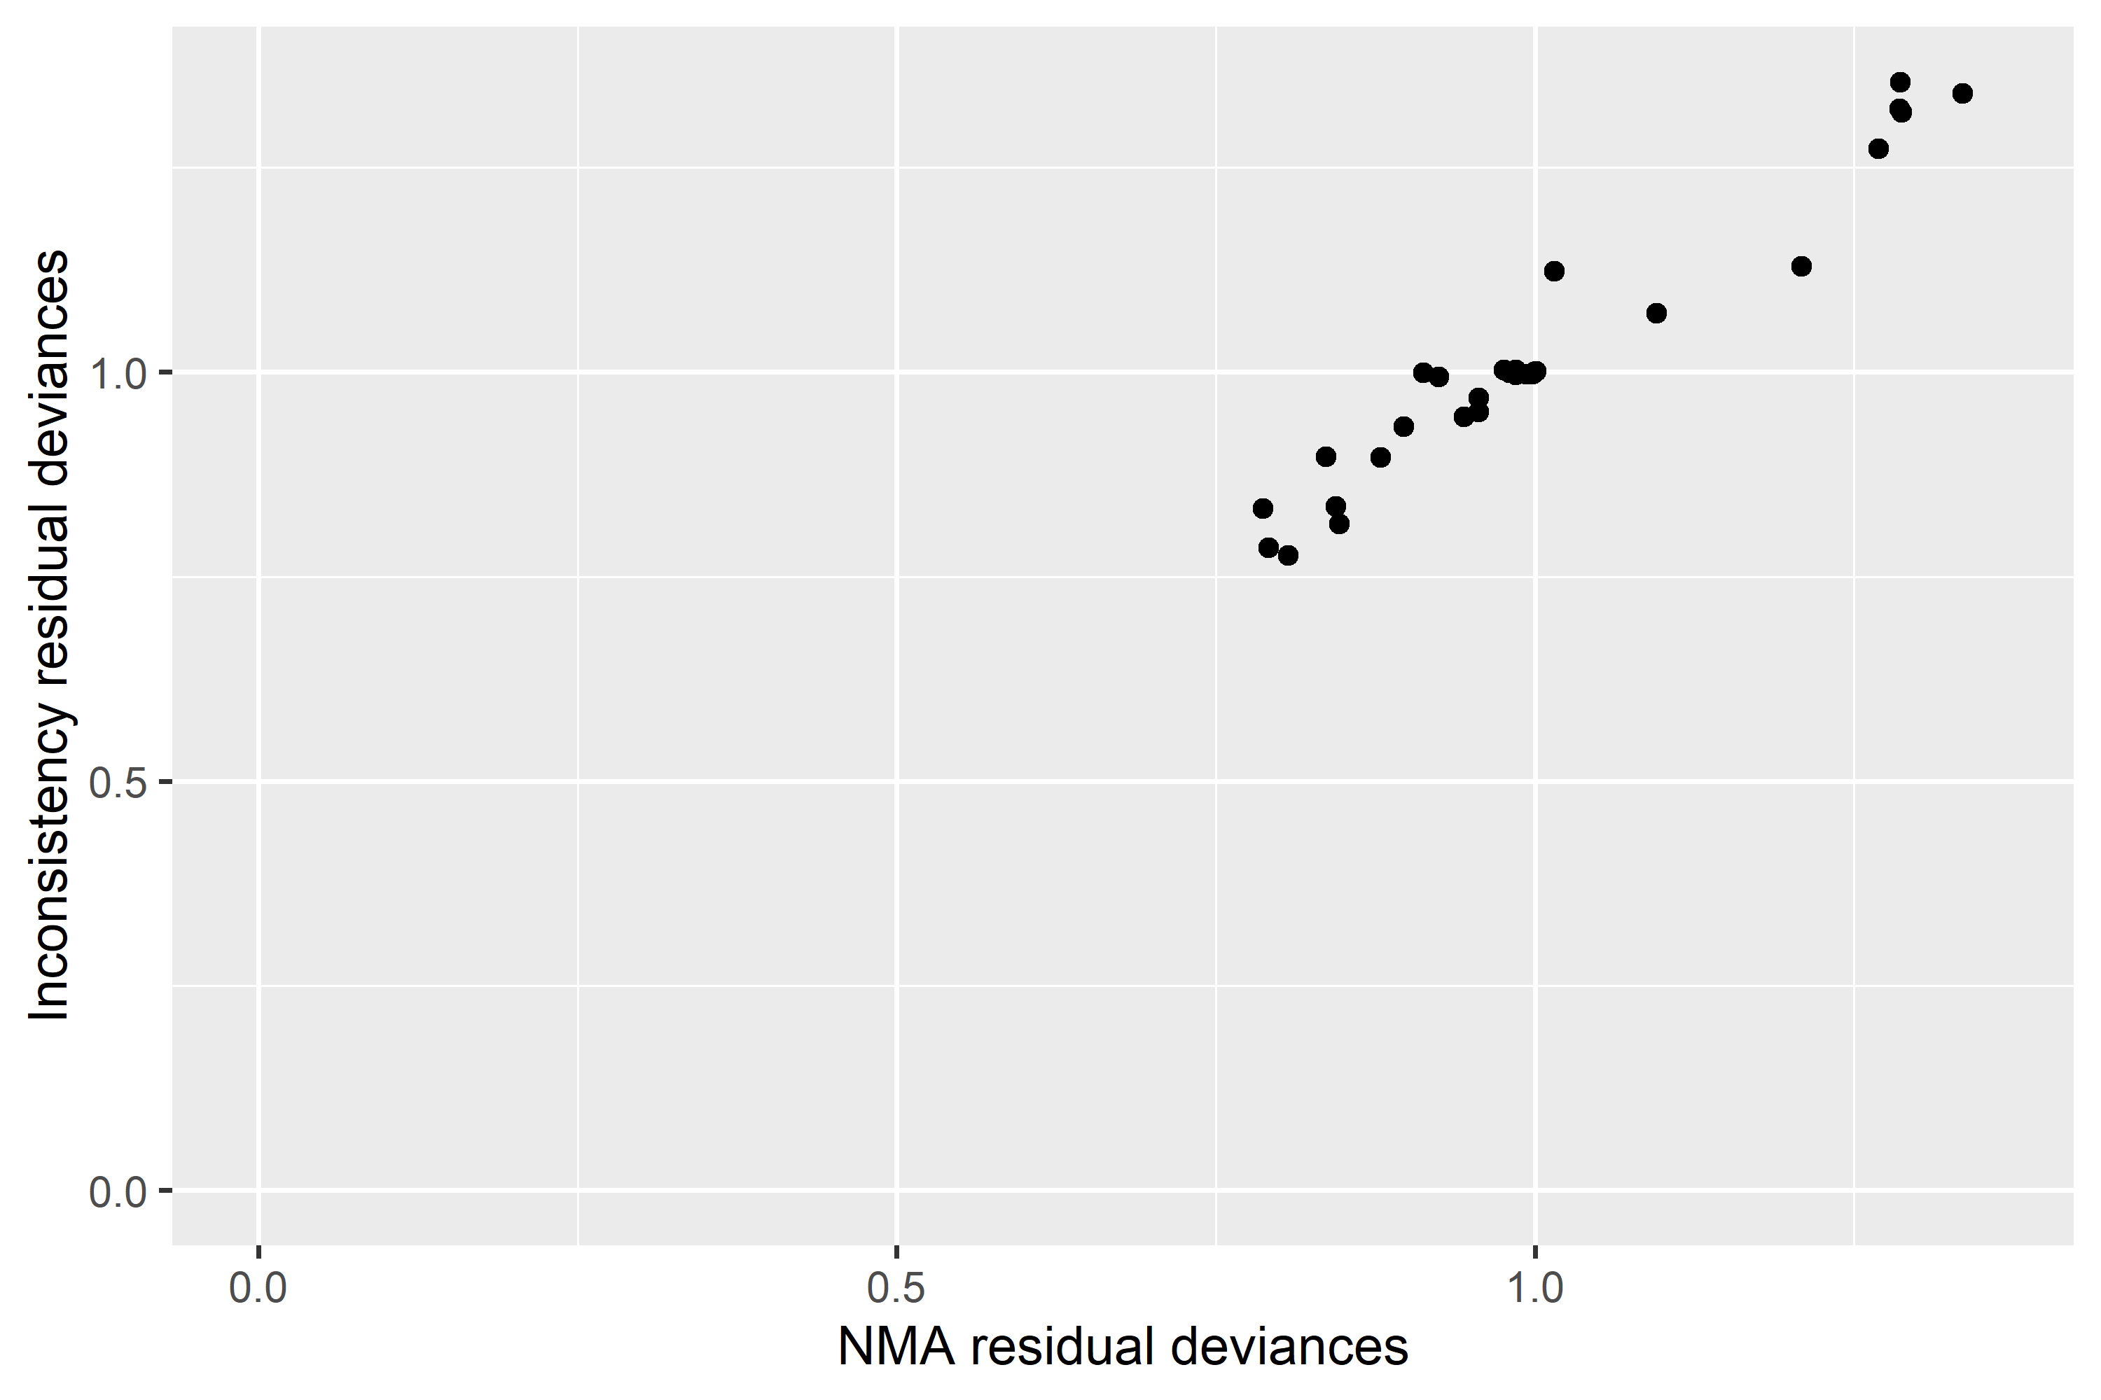
Model | SD | Totresdev | Datapoints | pD | DIC | SDclass
RE – random class effect | 0.25 (0.06, 0.57) | 29.44 | 30 | 26.39 | 55.83
Inconsistency Model | 0.24 (0.06, 0.59) | 29.91 | 30 | 27.26 | 57.17

Effect Size vs Reference
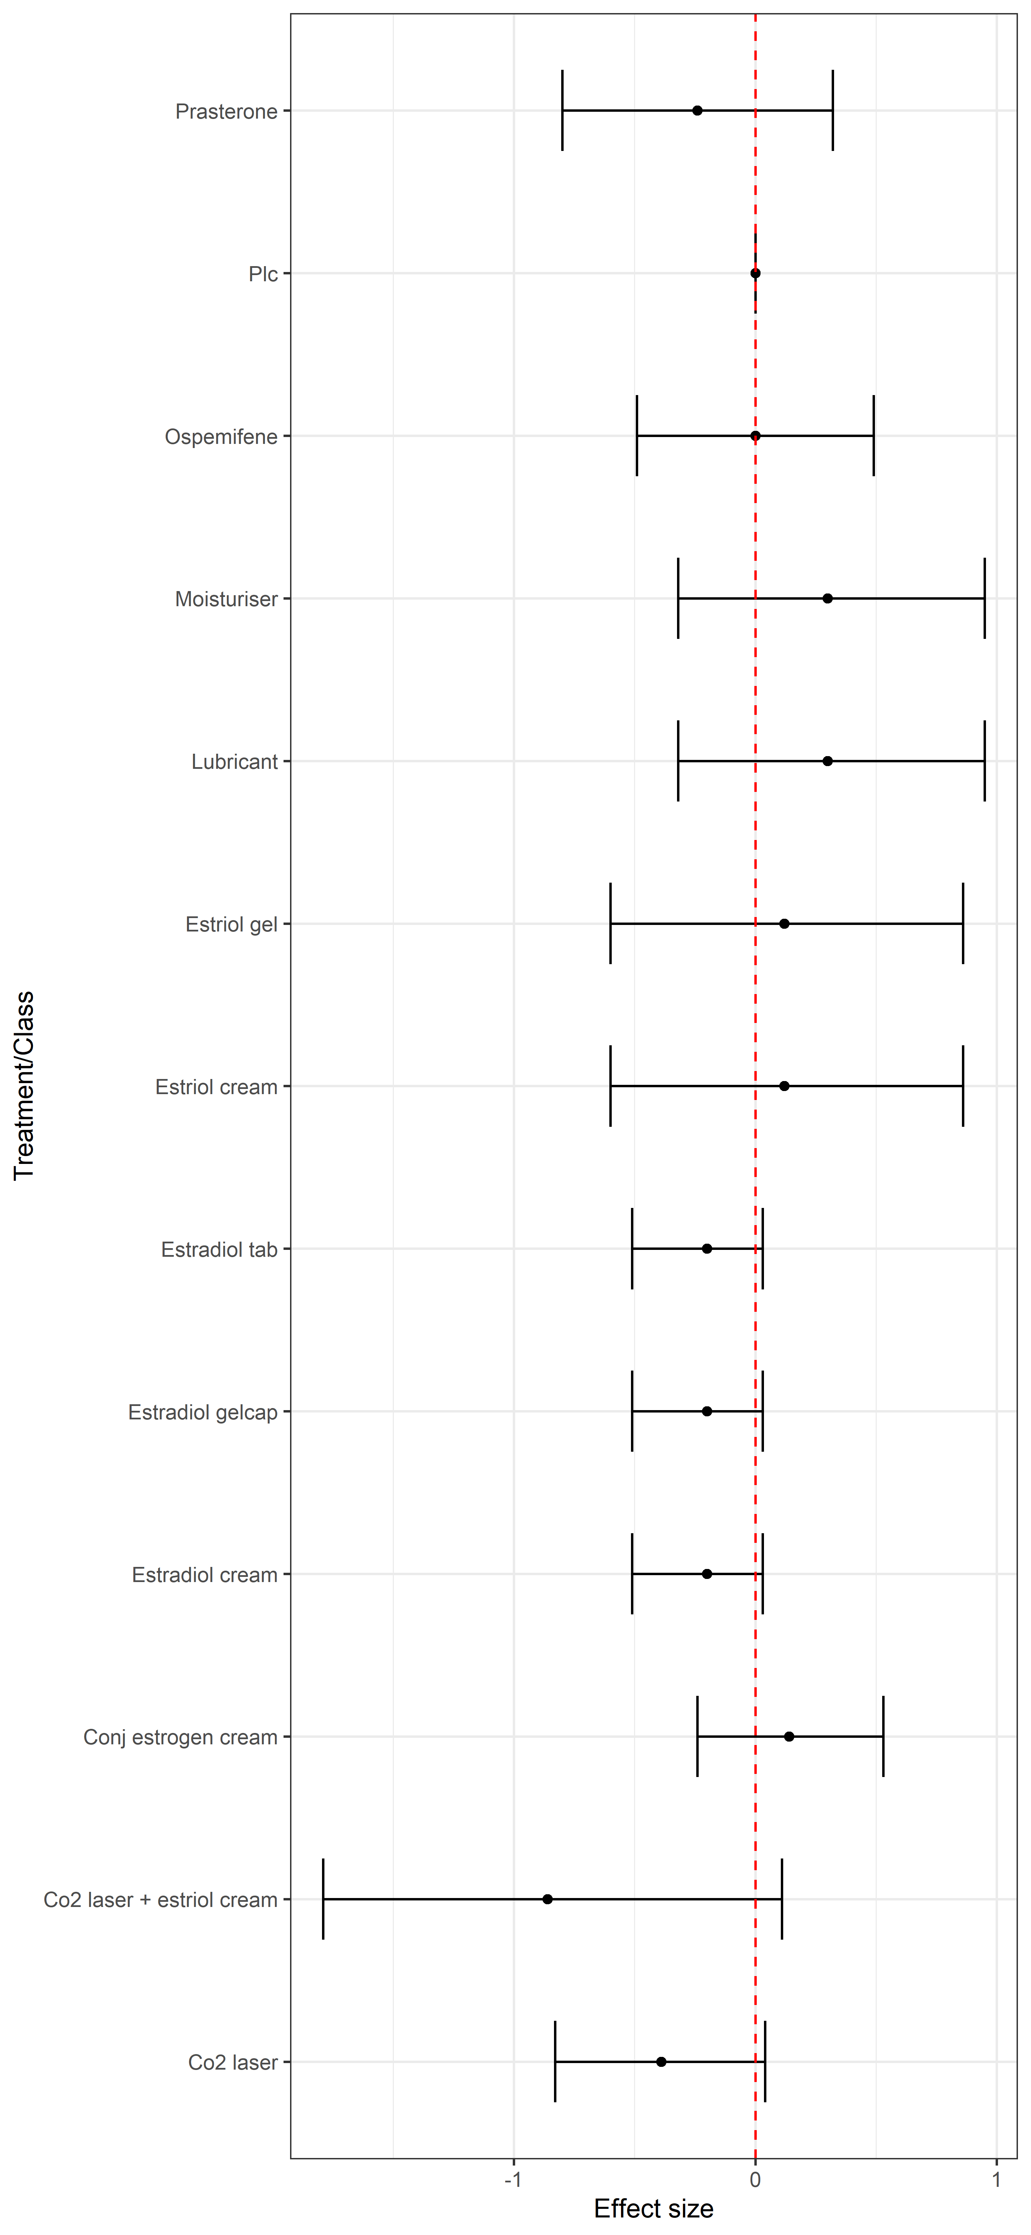
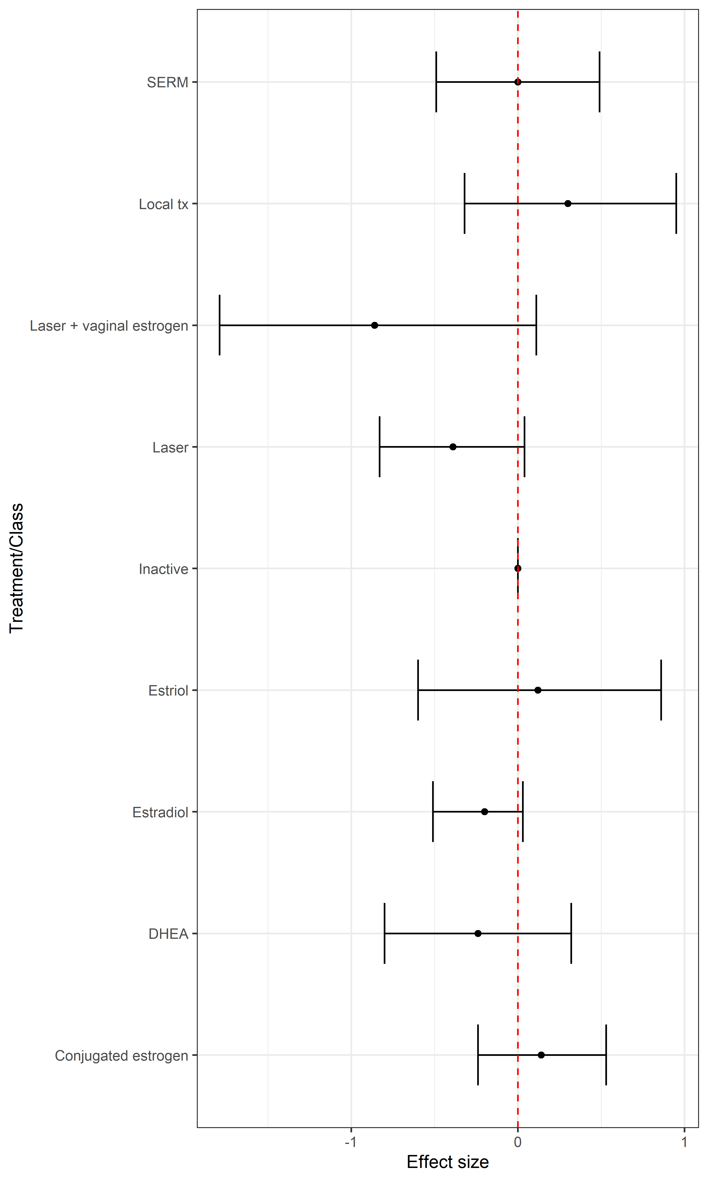
Treatment | Median | Lower95 | Upper95 | NeatOutput | Class | Median | Lower95 | Upper95 | NeatOutput
Plc | 0 | 0 | 0 | Reference | Inactive | 0 | 0 | 0 | Reference
Prasterone | -0.24 | -0.8 | 0.32 | -0.24 (-0.8, 0.32) | DHEA | -0.24 | -0.8 | 0.32 | -0.24 (-0.8, 0.32)
Co2 laser | -0.39 | -0.83 | 0.04 | -0.39 (-0.83, 0.04) | Laser | -0.39 | -0.83 | 0.04 | -0.39 (-0.83, 0.04)
Co2 laser + estriol cream | -0.86 | -1.79 | 0.11 | -0.86 (-1.79, 0.11) | Laser + vaginal estrogen | -0.86 | -1.79 | 0.11 | -0.86 (-1.79, 0.11)
Moisturiser | 0.3 | -0.32 | 0.95 | 0.3 (-0.32, 0.95) | Local tx | 0.3 | -0.32 | 0.95 | 0.3 (-0.32, 0.95)
Lubricant | 0.3 | -0.32 | 0.95 | 0.3 (-0.32, 0.95) | SERM | 0 | -0.49 | 0.49 | 0 (-0.49, 0.49)
Ospemifene | 0 | -0.49 | 0.49 | 0 (-0.49, 0.49) | Estriol | 0.12 | -0.6 | 0.86 | 0.12 (-0.6, 0.86)
Estriol cream | 0.12 | -0.6 | 0.86 | 0.12 (-0.6, 0.86) | Estradiol | -0.2 | -0.51 | 0.03 | -0.2 (-0.51, 0.03)
Estriol gel | 0.12 | -0.6 | 0.86 | 0.12 (-0.6, 0.86) | Conjugated estrogen | 0.14 | -0.24 | 0.53 | 0.14 (-0.24, 0.53)
Estradiol tab | -0.2 | -0.51 | 0.03 | -0.2 (-0.51, 0.03)
Estradiol cream | -0.2 | -0.51 | 0.03 | -0.2 (-0.51, 0.03)
Estradiol gelcap | -0.2 | -0.51 | 0.03 | -0.2 (-0.51, 0.03)
Conj estrogen cream | 0.14 | -0.24 | 0.53 | 0.14 (-0.24, 0.53)

Ranks
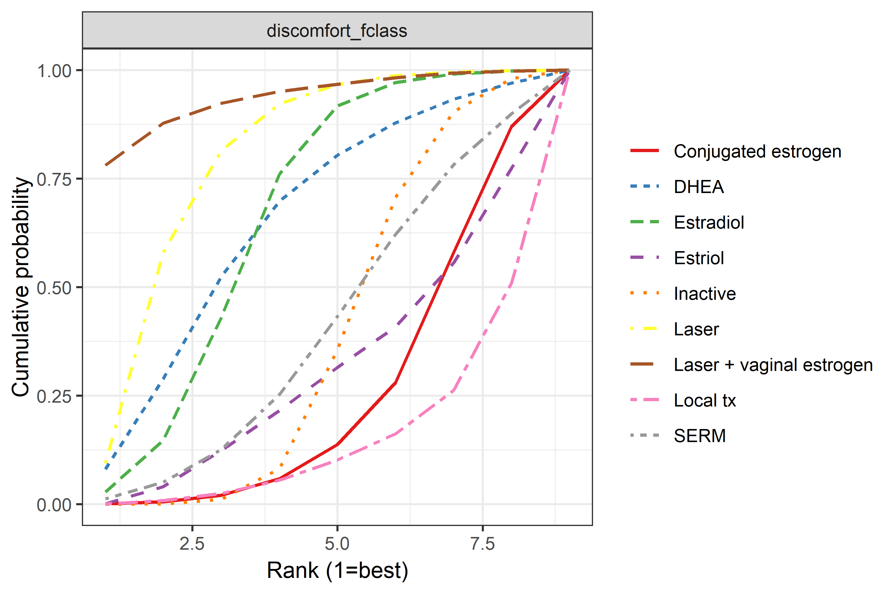
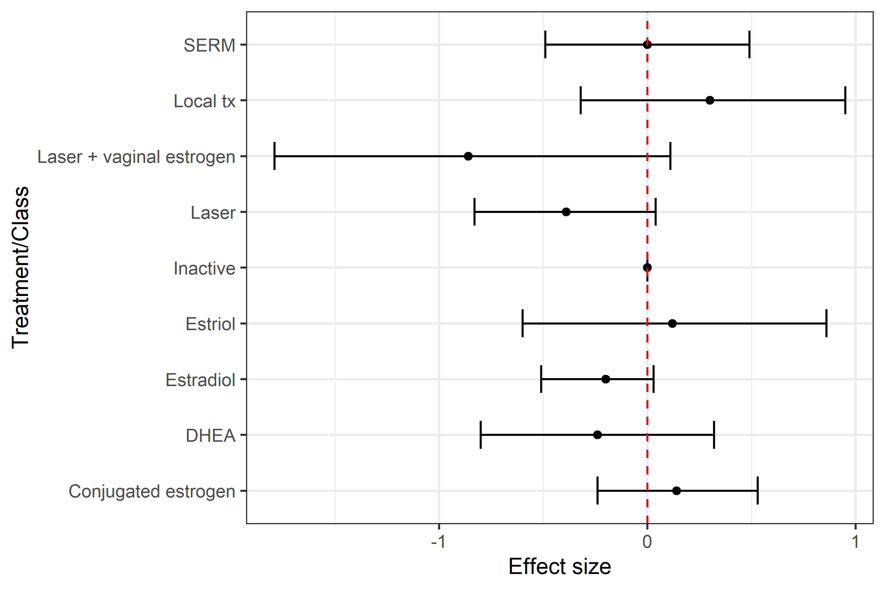
Treatment | PosteriorMeanRank | Median.95.CrI. | Class | PosteriorMeanRank | Median.95.CrI.
Plc | 8.41 | 8 (5, 12) | Inactive | 5.96 | 6 (4, 8)
Prasterone | 5.02 | 4 (1, 13) | DHEA | 3.82 | 3 (1, 9)
Co2 laser | 3.18 | 2 (1, 8) | Laser | 2.64 | 2 (1, 6)
Co2 laser + estriol cream | 1.74 | 1 (1, 8) | Laser + vaginal estrogen | 1.52 | 1 (1, 6)
Moisturiser | 11.45 | 12 (5, 13) | Local tx | 7.87 | 8 (4, 9)
Lubricant | 11.45 | 12 (5, 13) | SERM | 5.82 | 6 (2, 9)
Ospemifene | 8.04 | 8 (2, 13) | Estriol | 6.56 | 7 (2, 9)
Estriol cream | 9.49 | 10 (3, 13) | Estradiol | 3.75 | 4 (1, 7)
Estriol gel | 9.49 | 10 (3, 13) | Conjugated estrogen | 7.04 | 7 (4, 9)
Estradiol tab | 6 | 6 (3, 10)
Estradiol cream | 6 | 6 (3, 10)
Estradiol gelcap | 6 | 6 (3, 10)
Conj estrogen cream | 9.73 | 10 (4, 13)

