Network Plots
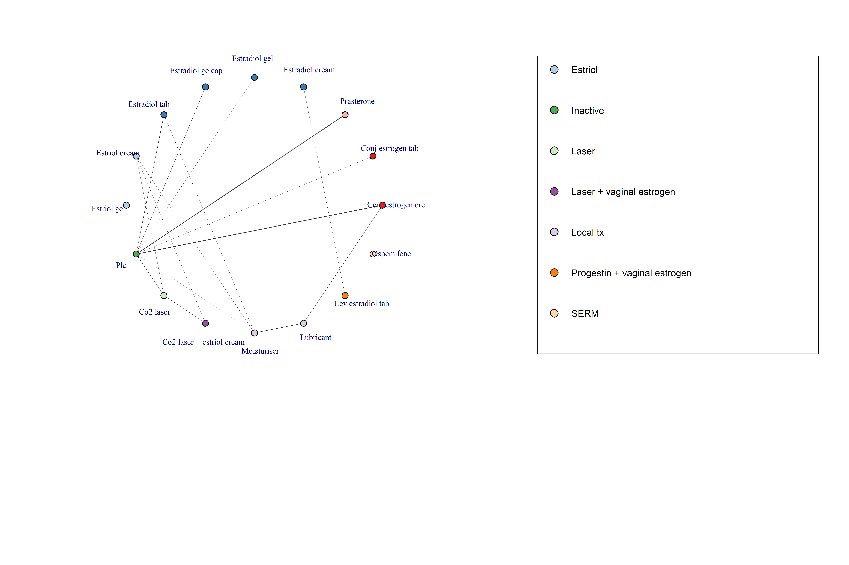
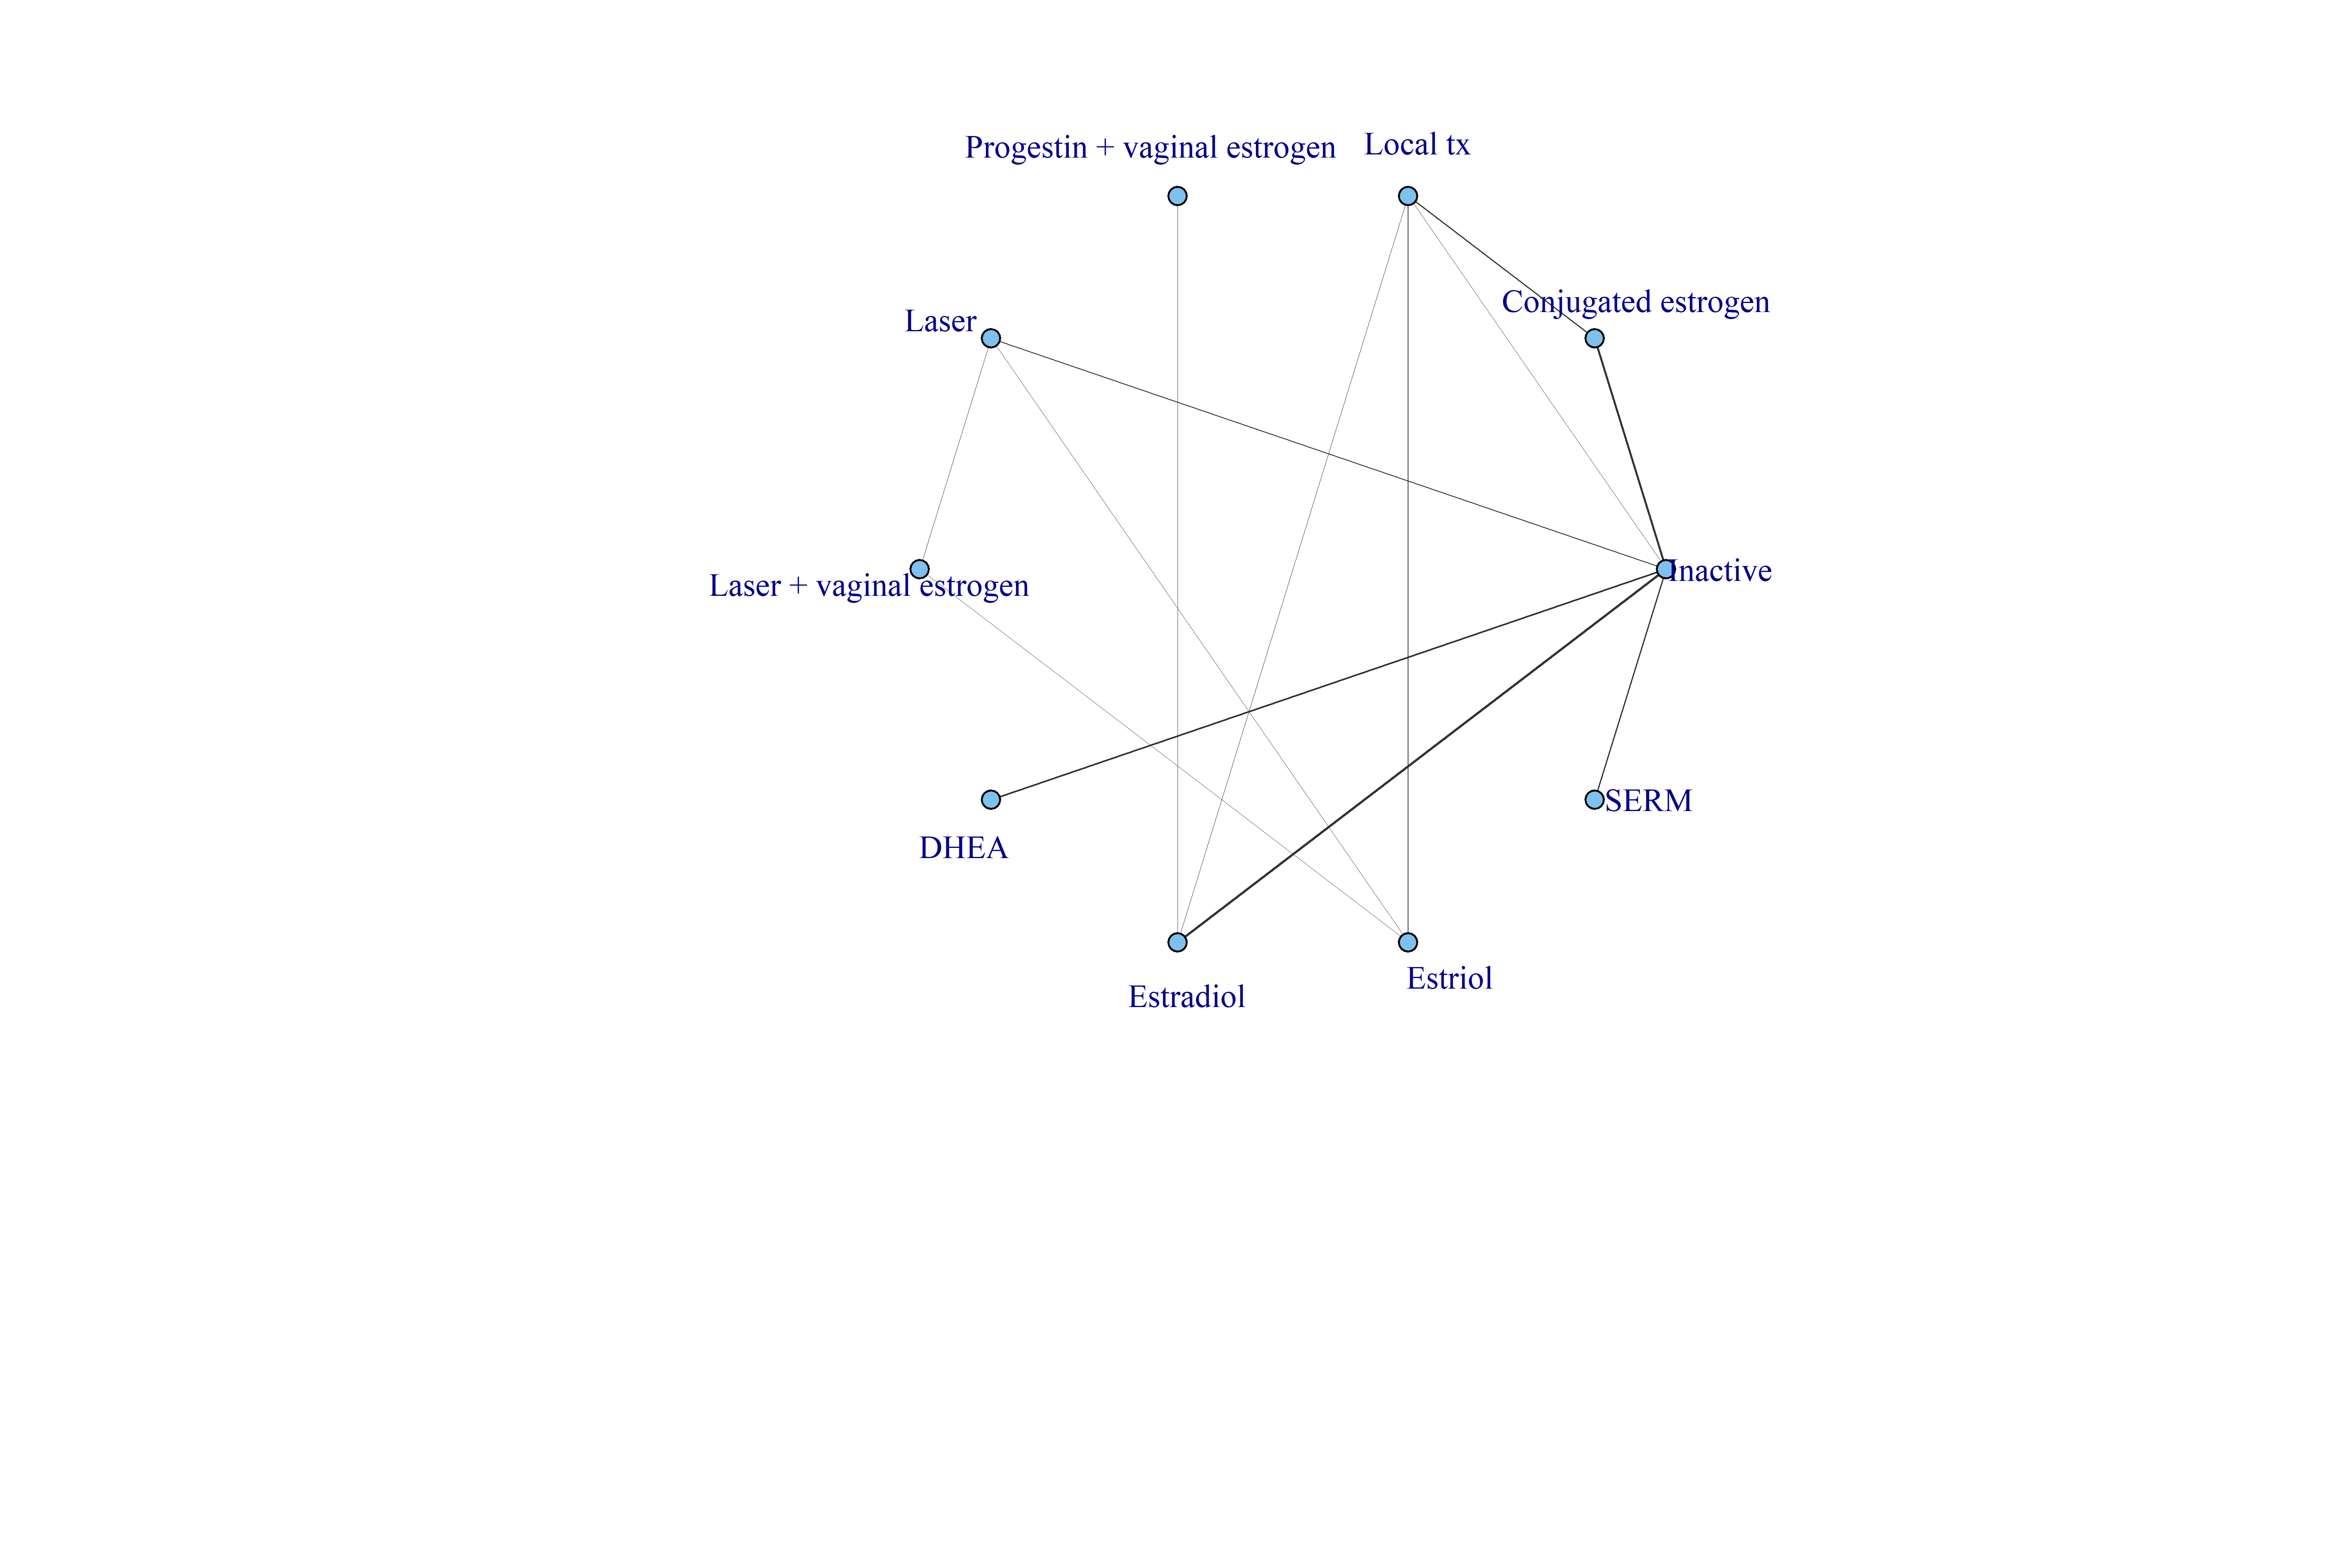
N.Total
24

Model fit
Model | SD | Totresdev | Datapoints | pD | DIC | SDclass
RE – random class effect | 0.4 (0.24, 0.63) | 52.88 | 53 | 47.47 | 100.35
Inconsistency Model | 0.34 (0.16, 0.59) | 55.22 | 53 | 47.46 | 102.68

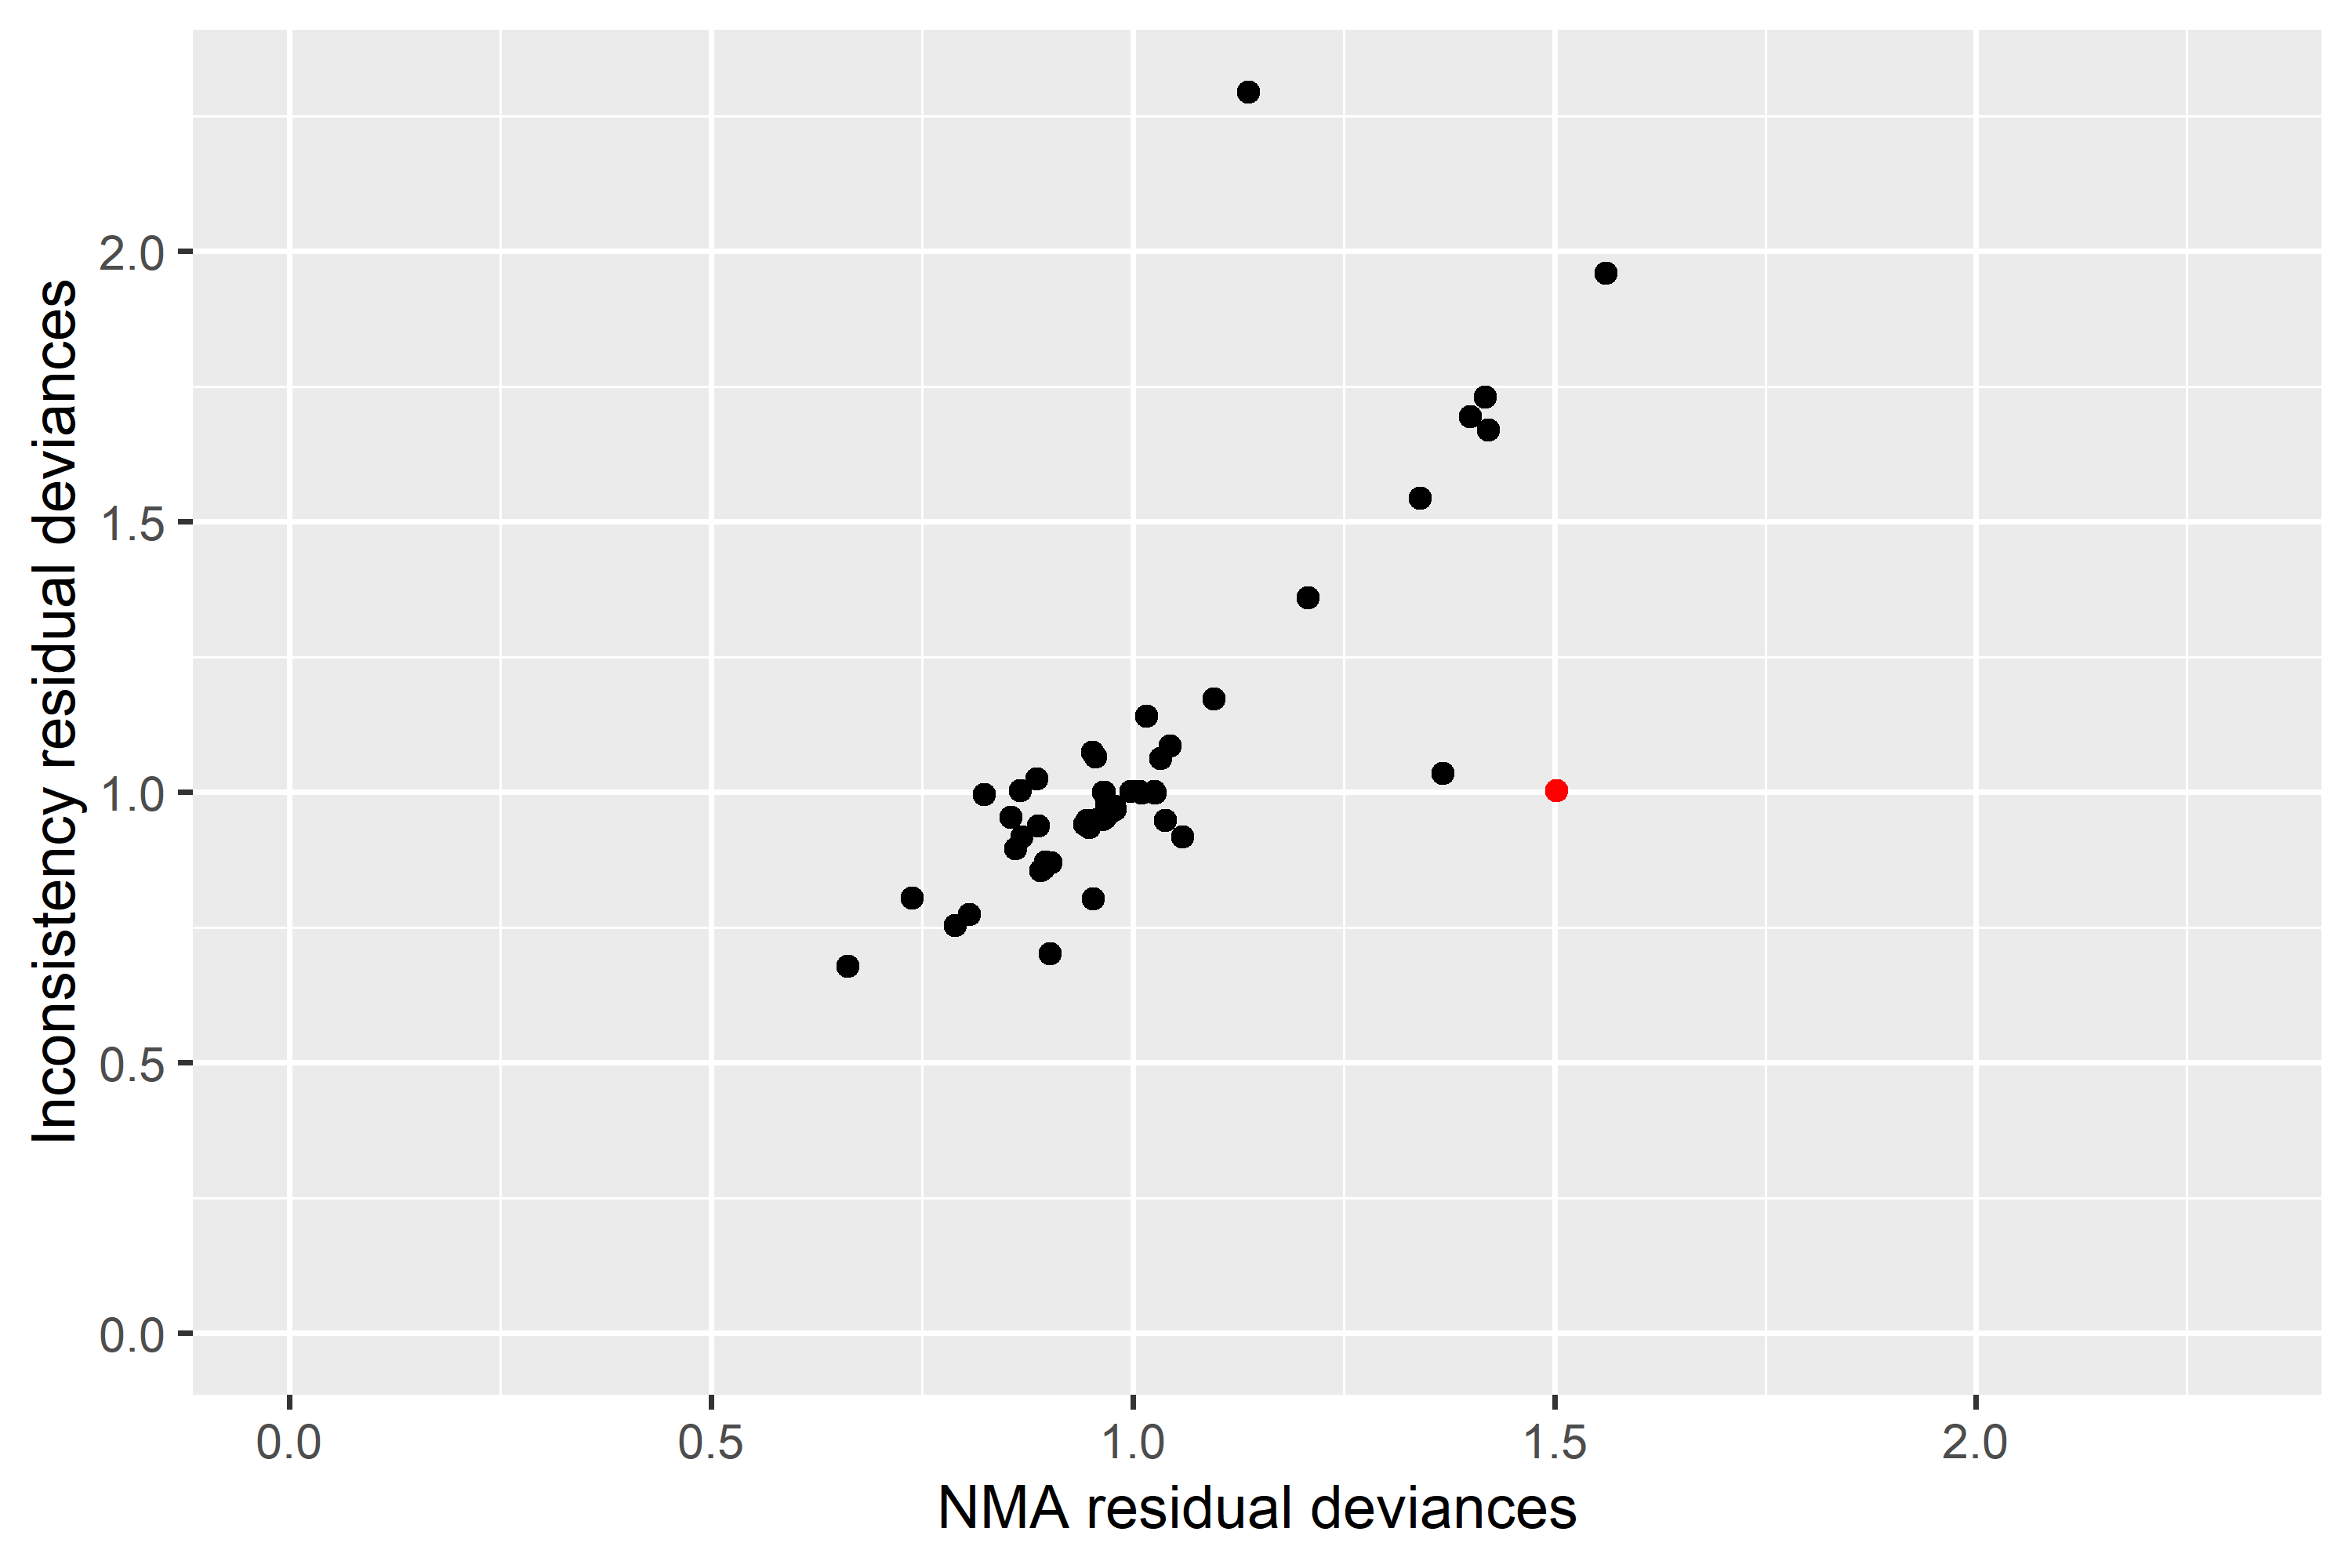
devs | studies | nmadev
dev[2,2] | Mitchell 2018 | 1.5022349921

Effect Size vs Reference
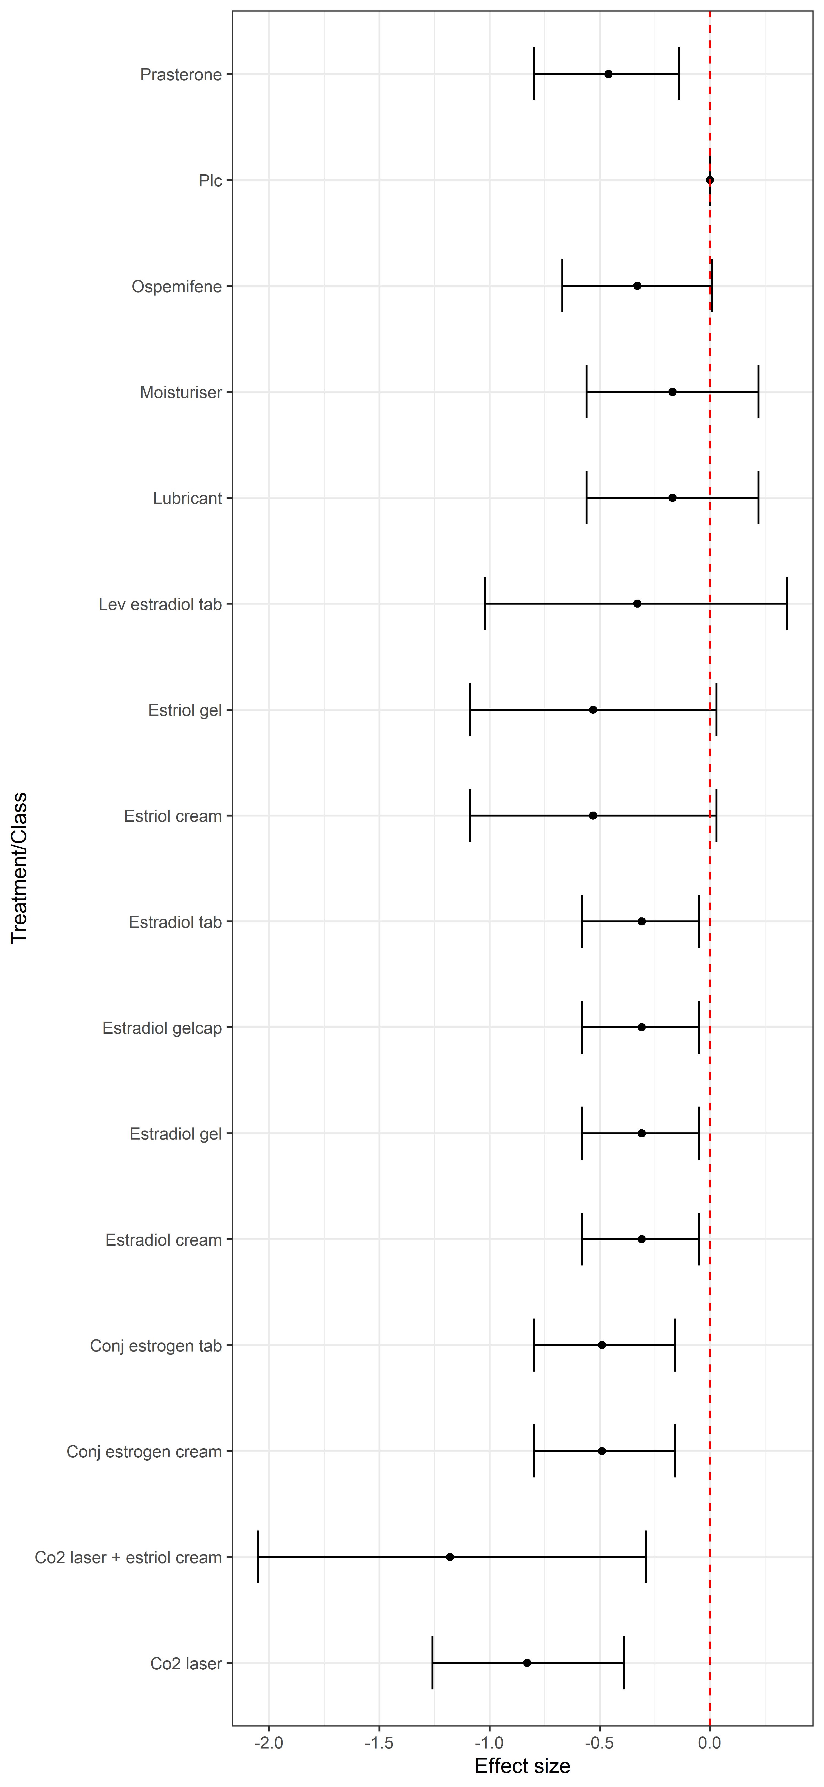
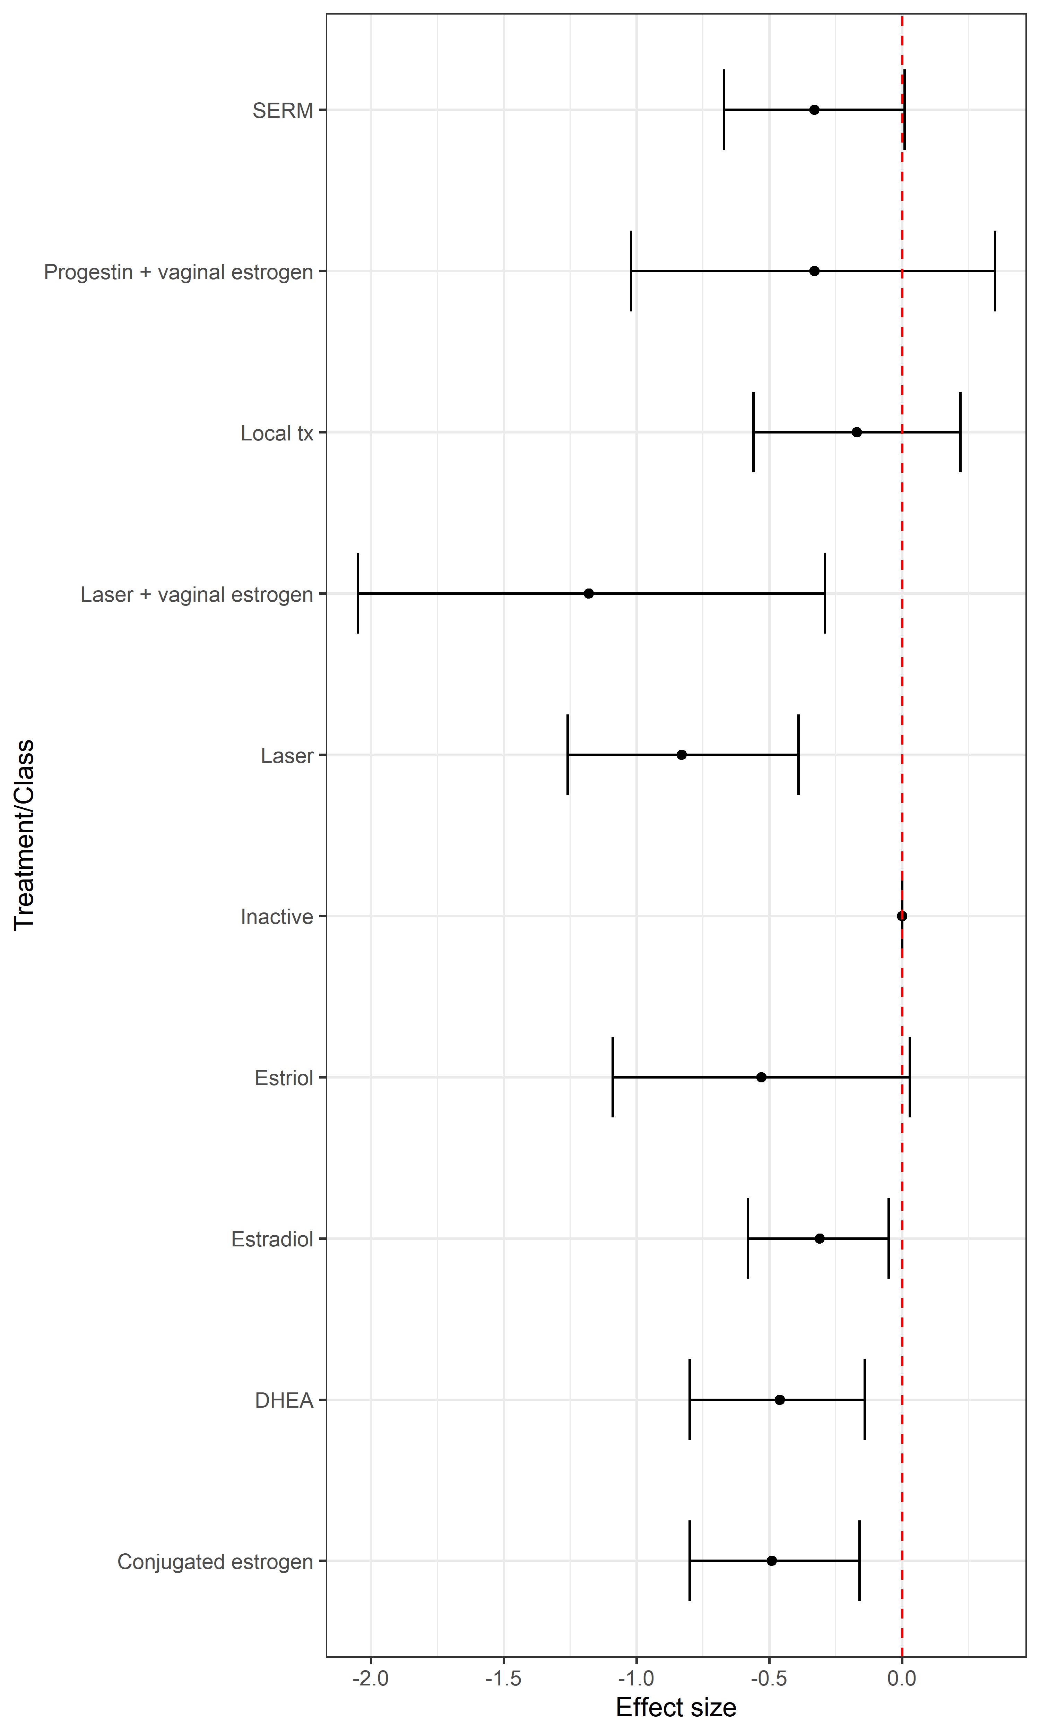
Treatment | Median | Lower95 | Upper95 | NeatOutput | Class | Median | Lower95 | Upper95 | NeatOutput
Plc | 0 | 0 | 0 | Reference | Inactive | 0 | 0 | 0 | Reference
Prasterone | -0.46 | -0.8 | -0.14 | -0.46 (-0.8, -0.14) | DHEA | -0.46 | -0.8 | -0.14 | -0.46 (-0.8, -0.14)
Co2 laser | -0.83 | -1.26 | -0.39 | -0.83 (-1.26, -0.39) | Laser | -0.83 | -1.26 | -0.39 | -0.83 (-1.26, -0.39)
Co2 laser + estriol cream | -1.18 | -2.05 | -0.29 | -1.18 (-2.05, -0.29) | Laser + vaginal estrogen | -1.18 | -2.05 | -0.29 | -1.18 (-2.05, -0.29)
Moisturiser | -0.17 | -0.56 | 0.22 | -0.17 (-0.56, 0.22) | Local tx | -0.17 | -0.56 | 0.22 | -0.17 (-0.56, 0.22)
Lubricant | -0.17 | -0.56 | 0.22 | -0.17 (-0.56, 0.22) | Progestin + vaginal estrogen | -0.33 | -1.02 | 0.35 | -0.33 (-1.02, 0.35)
Lev estradiol tab | -0.33 | -1.02 | 0.35 | -0.33 (-1.02, 0.35) | SERM | -0.33 | -0.67 | 0.01 | -0.33 (-0.67, 0.01)
Ospemifene | -0.33 | -0.67 | 0.01 | -0.33 (-0.67, 0.01) | Estriol | -0.53 | -1.09 | 0.03 | -0.53 (-1.09, 0.03)
Estriol cream | -0.53 | -1.09 | 0.03 | -0.53 (-1.09, 0.03) | Estradiol | -0.31 | -0.58 | -0.05 | -0.31 (-0.58, -0.05)
Estriol gel | -0.53 | -1.09 | 0.03 | -0.53 (-1.09, 0.03) | Conjugated estrogen | -0.49 | -0.8 | -0.16 | -0.49 (-0.8, -0.16)
Estradiol tab | -0.31 | -0.58 | -0.05 | -0.31 (-0.58, -0.05)
Estradiol gel | -0.31 | -0.58 | -0.05 | -0.31 (-0.58, -0.05)
Estradiol cream | -0.31 | -0.58 | -0.05 | -0.31 (-0.58, -0.05)
Estradiol gelcap | -0.31 | -0.58 | -0.05 | -0.31 (-0.58, -0.05)
Conj estrogen tab | -0.49 | -0.8 | -0.16 | -0.49 (-0.8, -0.16)
Conj estrogen cream | -0.49 | -0.8 | -0.16 | -0.49 (-0.8, -0.16)

