Cover
Cover
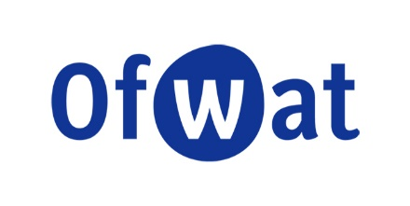
 | Wastewater Other WINEP PCDs

 | Version number: | 3.0
 | File name: | PR24PCD112 Wastewater Other WINEP PCDs.xlsx
 | Date: | 2025-06-30

 | For enquiries please contact: | PR24@ofwat.gov.uk

Summary of the model:
Sets out our proposed price control deliverables (PCDs) for other wastewater WINEP areas such as A-WINEP and wastewater investigations.
Quality assurance:
Disclaimer: This model is part of our final determinations setting out the price, service, and incentive package for water companies for the period 2025-30. It should be read together with the other documents and information that we have published as part of our consultation.
Changes since previous published model:
- For wastewater investigations the PCD is based on the total investigations programme, not disaggregated by complexity.
- Correction of the payment rate for United Utilities A-WINEP scheme, following updates to the strom overflow model's post FS adjustments.

 | Contents:

 | Tab name | Description
 | A-WINEP - ANH | A-WINEP PCD for Anglian Water
 | A-WINEP - UUW | A-WINEP PCD for United Utilities
 | Investigations - ANH | Investigations PCD for Anglian Water
 | Investigations - WSH | Investigations PCD for Dwr Cymru
 | Investigations - HDD | Investigations PCD for Hafren Dyfrdwy
 | Investigations - NES | Investigations PCD for Northumbrian Water
 | Investigations - SVE | Investigations PCD for Severn Trent Water
 | Investigations - SWB | Investigations PCD for South West Water
 | Investigations - SRN | Investigations PCD for Southern Water
 | Investigations - TMS | Investigations PCD for Thames Water
 | Investigations - UUW | Investigations PCD for United Utilities
 | Investigations - WSX | Investigations PCD for Wessex Water
 | Investigations - YKY | Investigations PCD for Yorkshire Water

