DISCLAIMER - READ FIRST
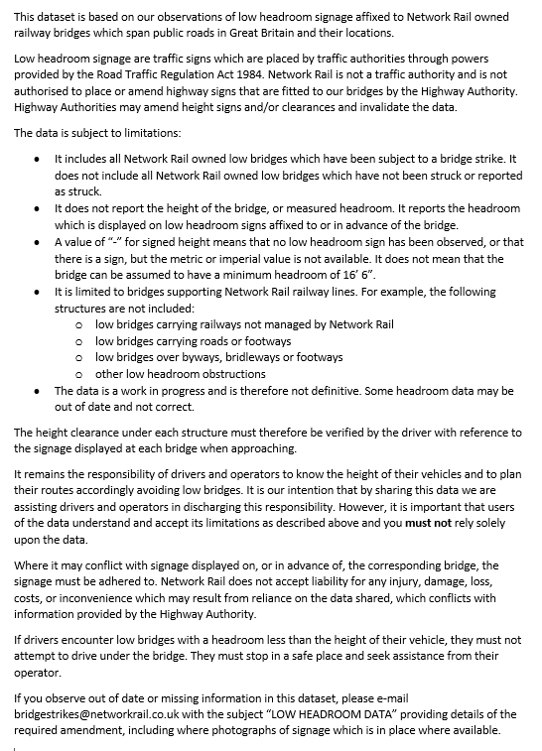
Bridge Height Data - Disclaimer

