Welcome
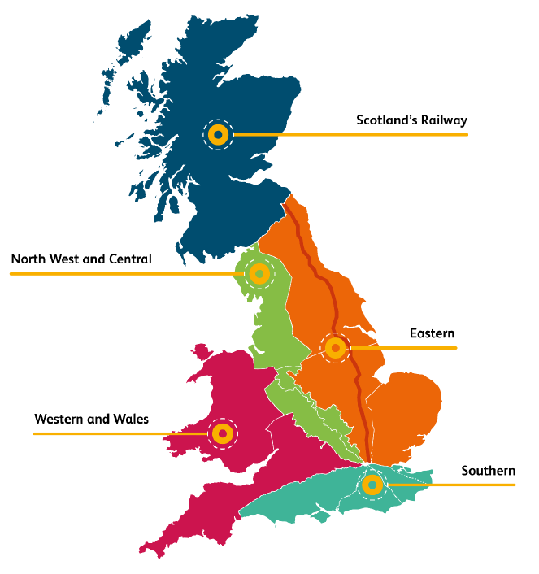
Network Rail Procurement Pipeline

07/05/2026

