ES1
Contents

 | Figure 1 Pace of emissions reduction 2015-2022, 2022-2023, and required 2023-2030 (excluding international aviation and shipping)

 | Source: DESNZ (2024) Provisional UK greenhouse gas emissions national statistics 2023; DESNZ (2024) Final UK greenhouse gas emissions national statistics: 1990 to 2022; DESNZ (2023) Carbon Budget Delivery Plan; CCC analysis. Notes: The orange bars show the annual pace of emissions reductions that will be required starting from the published provisional 2023 emissions data to meet the 2030 NDC.

 |  |  | Years | Annual emissions change (excluding IAS)
 |  | Total emissions | 2015-2022 | -13.8
 |  |  | 2022-2023 | -22.3
 |  |  | 2023-2030 (required) | -18.8
 |  | Total emissions excluding electricity supply | 2015-2022 | -6.3
 |  |  | 2022-2023 | -11.6
 |  |  | 2023-2030 (required) | -14.3

ES2
Contents

 | Figure 2 Assessment of policies and plans
 | Residual emissions for plot | Unquantified plans |  | Insufficient plans | Significant risks | Some risks | Credible plans |  | Target set before Net Zero | Target set after Net Zero | Target set before Net Zero | Government pathway
CB4 average (2023-2027) | 407 | 0 |  | 3 | 9 | 15 | 32 | 433 | 4 | -200 | -200 | 407
CB5 average (2028-2032) | 303 | 7 |  | 24 | 41 | 45 | 54 | 387 | 4 | -200 | -200 | 311
CB6 average (2033-2037) | 193 | 4 |  | 43 | 92 | 83 | 69 | 193 |  | -200 | -200 | 197
 | Source: DESNZ (2023) Carbon Budget Delivery Plan; DESNZ (2023) Energy and emissions projections: 2021 to 2040; BEIS (2021) Net Zero Strategy; CCC (2020) The Sixth Carbon Budget; CCC analysis. Notes: (1) This assessment uses Government plans listed in Annex B, Tables 5 & 6 of the Carbon Budget Delivery Plan (CBDP). See Annex 1 for the assessment criteria. (2) The baseline is an adjustment to the Government’s CBDP baseline, with the impact of some policies removed so that they can be assessed. Refer to our 2023 UK Progress Report for additional notes on our methodology. (3) We have adjusted the Government’s published CBDP pathway and baseline for land use to account for methodological changes between the 1990-2019 and 1990-2020 inventories. (4) For comparability, the CBDP’s emissions pathway for international aviation and shipping (IAS) has been added to the target values for CB4, CB5 and the NDC. (5) The CBDP projections include only the quantified plans. Unquantified plans may lead to further emissions reductions.

 |  |  | CB4 average (2023-2027) | CB5 average (2028-2032) | CB6 average (2033-2037)

 |  | Baseline | 468 | 473 | 483
 |  | Credible plans | 32 | 54 | 69
 |  | Some risks | 15 | 45 | 83
 |  | Significant risks | 9 | 41 | 92
 |  | Insufficient plans | 3 | 24 | 43
 |  | Unquantified plans | 0 | 7 | 4
 |  | Government pathway | 407 | 311 | 197
 |  | CBDP IAS (Carbon Budget averages) | 217 | 210 | 184
 |  | Raw NDC |  | 261
 |  | NDC (+CBDP IAS) |  | 303
 |  | Raw Carbon Budgets(CB6 already includes IAS) | 1950 | 1725 | 965
 |  | Carbon Budgets (including CBDP IAS) | 433 | 387 | 193
 |  | For plotting purposes:
 |  | Target set after Net Zero | -200 | -200 | -200
 |  | Target set before Net Zero | -200 | -200 | -200
 |  | Target set before Net Zero | 4 | 4
 |  | Residual emissions for plot | 407 | 303 | 193

1.1
Contents

 | Figure 1.1 UK historical emissions, the Government’s pathway and the UK’s targets

 | Source: DESNZ (2024) Provisional UK greenhouse gas emissions national statistics 2023; DESNZ (2024) Final UK greenhouse gas emissions national statistics: 1990 to 2022; DESNZ (2023) Carbon Budget Delivery Plan; BEIS (2021) Net Zero Strategy; CCC (2020) The Sixth Carbon Budget. Notes: (1) Emissions from international aviation and shipping (IAS) are included in historical emissions and the Carbon Budget Delivery Plan (CBDP) pathway and added to the NDC to allow for a direct comparison. (2) The CBDP projections include only the quantified plans. Unquantified plans may lead to further emissions reductions. (3) The annual pathway is an indication of emissions reduction. The UK does not have annual targets but the five-year carbon budgets and 2030 NDC must be achieved. (4) We have adjusted the Government’s published CBDP pathway for land use to account for methodological changes between the 1990-2019 and 1990-2020 inventories.

 |  |  | 1990 | 1991 | 1992 | 1993 | 1994 | 1995 | 1996 | 1997 | 1998 | 1999 | 2000 | 2001 | 2002 | 2003 | 2004 | 2005 | 2006 | 2007 | 2008 | 2009 | 2010 | 2011 | 2012 | 2013 | 2014 | 2015 | 2016 | 2017 | 2018 | 2019 | 2020 | 2021 | 2022 | 2023 | 2024 | 2025 | 2026 | 2027 | 2028 | 2029 | 2030 | 2031 | 2032 | 2033 | 2034 | 2035 | 2036 | 2037 | 2038 | 2039 | 2040 | 2041 | 2042 | 2043 | 2044 | 2045 | 2046 | 2047 | 2048 | 2049 | 2050
 |  | Historical emissions | 836 | 844 | 825 | 806 | 794 | 789 | 810 | 788 | 788 | 759 | 761 | 764 | 740 | 746 | 745 | 739 | 733 | 719 | 700 | 641 | 652 | 609 | 623 | 608 | 567 | 549 | 523 | 513 | 507 | 492 | 425 | 441 | 441 | 423 | #N/A | #N/A | #N/A | #N/A | #N/A | #N/A | #N/A | #N/A | #N/A | #N/A | #N/A | #N/A | #N/A | #N/A | #N/A | #N/A | #N/A | #N/A | #N/A | #N/A | #N/A | #N/A | #N/A | #N/A | #N/A | #N/A | #N/A
 |  | Carbon budgets | #N/A | #N/A | #N/A | #N/A | #N/A | #N/A | #N/A | #N/A | #N/A | #N/A | #N/A | #N/A | #N/A | #N/A | #N/A | #N/A | #N/A | #N/A | 604 | 604 | 604 | 604 | 604 | 556 | 556 | 556 | 556 | 556 | 509 | 509 | 509 | 509 | 509 | 390 | 390 | 390 | 390 | 390 | 345 | 345 | 345 | 345 | 345 | 193 | 193 | 193 | 193 | 193 | #N/A | #N/A | #N/A | #N/A | #N/A | #N/A | #N/A | #N/A | #N/A | #N/A | #N/A | #N/A | #N/A
 |  | Int. aviation and shipping | #N/A | #N/A | #N/A | #N/A | #N/A | #N/A | #N/A | #N/A | #N/A | #N/A | #N/A | #N/A | #N/A | #N/A | #N/A | #N/A | #N/A | #N/A | 43 | 43 | 43 | 43 | 43 | 42 | 42 | 42 | 42 | 42 | 33 | 33 | 33 | 33 | 33 | 43 | 43 | 43 | 43 | 43 | 42 | 42 | 42 | 42 | 42 | #N/A | #N/A | #N/A | #N/A | #N/A | #N/A | #N/A | #N/A | #N/A | #N/A | #N/A | #N/A | #N/A | #N/A | #N/A | #N/A | #N/A | #N/A
 |  | Historical CB averages | #N/A | #N/A | #N/A | #N/A | #N/A | #N/A | #N/A | #N/A | #N/A | #N/A | #N/A | #N/A | #N/A | #N/A | #N/A | #N/A | #N/A | #N/A | #N/A | #N/A | 645 | #N/A | #N/A | #N/A | #N/A | 552 | #N/A | #N/A | #N/A | #N/A | 461 | #N/A | #N/A | #N/A | #N/A | #N/A | #N/A | #N/A | #N/A | #N/A | #N/A | #N/A | #N/A | #N/A | #N/A | #N/A | #N/A | #N/A | #N/A | #N/A | #N/A | #N/A | #N/A | #N/A | #N/A | #N/A | #N/A | #N/A | #N/A | #N/A | #N/A
 |  | CBDP CB averages | #N/A | #N/A | #N/A | #N/A | #N/A | #N/A | #N/A | #N/A | #N/A | #N/A | #N/A | #N/A | #N/A | #N/A | #N/A | #N/A | #N/A | #N/A | #N/A | #N/A | #N/A | #N/A | #N/A | #N/A | #N/A | #N/A | #N/A | #N/A | #N/A | #N/A | #N/A | #N/A | #N/A | #N/A | #N/A | 407 | #N/A | #N/A | #N/A | #N/A | 311 | #N/A | #N/A | #N/A | #N/A | 197 | #N/A | #N/A | #N/A | #N/A | #N/A | #N/A | #N/A | #N/A | #N/A | #N/A | #N/A | #N/A | #N/A | #N/A | #N/A
 |  | CBDP indicative pathway | #N/A | #N/A | #N/A | #N/A | #N/A | #N/A | #N/A | #N/A | #N/A | #N/A | #N/A | #N/A | #N/A | #N/A | #N/A | #N/A | #N/A | #N/A | #N/A | #N/A | #N/A | #N/A | #N/A | #N/A | #N/A | #N/A | #N/A | #N/A | #N/A | #N/A | #N/A | #N/A | #N/A | 427 | 418 | 408 | 399 | 385 | 357 | 335 | 309 | 286 | 266 | 238 | 221 | 196 | 175 | 157 | #N/A | #N/A | #N/A | #N/A | #N/A | #N/A | #N/A | #N/A | #N/A | #N/A | #N/A | #N/A | #N/A
 |  | NDC (+CBDP IAS) | #N/A | #N/A | #N/A | #N/A | #N/A | #N/A | #N/A | #N/A | #N/A | #N/A | #N/A | #N/A | #N/A | #N/A | #N/A | #N/A | #N/A | #N/A | #N/A | #N/A | #N/A | #N/A | #N/A | #N/A | #N/A | #N/A | #N/A | #N/A | #N/A | #N/A | #N/A | #N/A | #N/A | #N/A | #N/A | #N/A | #N/A | #N/A | #N/A | #N/A | 303 | #N/A | #N/A | #N/A | #N/A | #N/A | #N/A | #N/A | #N/A | #N/A | #N/A | #N/A | #N/A | #N/A | #N/A | #N/A | #N/A | #N/A | #N/A | #N/A | #N/A
 |  | Net Zero | #N/A | #N/A | #N/A | #N/A | #N/A | #N/A | #N/A | #N/A | #N/A | #N/A | #N/A | #N/A | #N/A | #N/A | #N/A | #N/A | #N/A | #N/A | #N/A | #N/A | #N/A | #N/A | #N/A | #N/A | #N/A | #N/A | #N/A | #N/A | #N/A | #N/A | #N/A | #N/A | #N/A | #N/A | #N/A | #N/A | #N/A | #N/A | #N/A | #N/A | #N/A | #N/A | #N/A | #N/A | #N/A | #N/A | #N/A | #N/A | #N/A | #N/A | #N/A | #N/A | #N/A | #N/A | #N/A | #N/A | #N/A | #N/A | #N/A | #N/A | 0

1.2
Contents

 | Figure 1.2 Change in UK emissions for key sectors (2021 to 2022 and 2022 to 2023)
a) 2021–2022
 | 2021–2022
Electricity supply | 0.28
Industry | -3.07
Res buildings | -10.28
Res buildings (temp adjusted) | -3.90
Surface transport | 1.51
Non-res buildings | -1.99
Non-res buildings (temp adjusted) | -0.83
Aviation | 14.85
Agriculture | -1.16
Land use | 0.24
b) 2022–2023
 | 2022–2023
Electricity supply | -10.77
Industry | -4.55
Res buildings | -4.03
Res buildings (temp adjusted) | -4.30
Surface transport | -0.88
Non-res buildings | -0.75
Non-res buildings (temp adjusted) | -0.80
Aviation | 4.76
 | Source: DESNZ (2024) Provisional UK greenhouse gas emissions national statistics 2023; DESNZ (2024) Final UK greenhouse gas emissions national statistics: 1990 to 2022; CCC analysis. Notes: Buildings emissions are shown in both actual emissions (solid bars) and temperature-adjusted terms (hollow bars). Provisional 2023 estimates are not made for non-CO2 greenhouse gases, so the changes in 2023 emissions for the agriculture and land use sectors are not shown. A percentage change is not provided for 2022 land use emissions as this sector contains both sources and sinks.

 |  | Labels | 2021–2022 | % 2021–2022 | 2022–2023 | % 2022–2023
 |  | Electricity supply | 0.28 | +0.6% | -10.77 | -22.2%
 |  | Industry | -3.07 | -5.2% | -4.55 | -8.1%
 |  | Res buildings | -10.28 | -15.4% | -4.03 | -7.2%
 |  | Res buildings (temp adjusted) | -3.90 | -5.8% | -4.30 | -6.8%
 |  | Surface transport | 1.51 | +1.5% | -0.88 | -0.9%
 |  | Non-res buildings | -1.99 | -8.4% | -0.75 | -3.5%
 |  | Non-res buildings (temp adjusted) | -0.83 | -3.5% | -0.80 | -3.5%
 |  | Fuel supply | -0.18 | -0.6% | 0.32 | +1.0%
 |  | Aviation | 14.85 | +94.0% | 4.76 | +15.5%
 |  | Agriculture | -1.16 | -2.4% | 0.11 | +0.2%
 |  | Land use | 0.24 | +44.9% | 0.05 | +6.2%

1.3
Contents

 | Figure 1.3 UK emissions by sector since 1990
 | Electricity supply | Industry | Surface transport | Buildings | Fuel supply | Waste | Agriculture | Aviation | Shipping | F-gases | Land use
1990 | 204 | 142 | 114 | 109 | 77 | 72 | 54 | 21 | 18 | 15 | 11
1991 | 200 | 143 | 113 | 120 | 78 | 73 | 54 | 20 | 18 | 15 | 10
1992 | 188 | 136 | 115 | 117 | 79 | 73 | 54 | 21 | 18 | 15 | 9
1993 | 171 | 129 | 116 | 120 | 79 | 74 | 53 | 23 | 18 | 15 | 9
1994 | 166 | 131 | 116 | 115 | 71 | 74 | 53 | 23 | 18 | 16 | 8
1995 | 163 | 127 | 115 | 111 | 75 | 76 | 53 | 24 | 19 | 17 | 8
1996 | 163 | 129 | 120 | 123 | 75 | 76 | 55 | 26 | 20 | 18 | 7
1997 | 150 | 127 | 120 | 114 | 73 | 76 | 54 | 27 | 20 | 20 | 7
1998 | 155 | 124 | 120 | 117 | 71 | 75 | 54 | 29 | 21 | 17 | 6
1999 | 147 | 116 | 121 | 118 | 65 | 71 | 55 | 32 | 18 | 10 | 6
2000 | 158 | 116 | 120 | 117 | 63 | 69 | 53 | 34 | 17 | 9 | 6
2001 | 169 | 110 | 120 | 120 | 63 | 67 | 51 | 34 | 17 | 9 | 5
2002 | 164 | 99 | 123 | 112 | 63 | 66 | 50 | 33 | 16 | 9 | 4
2003 | 173 | 102 | 122 | 113 | 60 | 61 | 51 | 34 | 15 | 10 | 4
2004 | 173 | 102 | 123 | 115 | 58 | 57 | 52 | 37 | 16 | 9 | 3
2005 | 172 | 101 | 124 | 111 | 58 | 54 | 52 | 40 | 16 | 10 | 3
2006 | 181 | 98 | 123 | 106 | 53 | 50 | 51 | 41 | 16 | 10 | 3
2007 | 177 | 99 | 124 | 101 | 51 | 47 | 50 | 41 | 16 | 10 | 2
2008 | 172 | 91 | 120 | 105 | 50 | 42 | 50 | 39 | 19 | 11 | 1
2009 | 150 | 74 | 116 | 99 | 48 | 38 | 49 | 37 | 19 | 11 | 1
2010 | 156 | 76 | 114 | 110 | 49 | 33 | 49 | 36 | 17 | 11 | 1
2011 | 143 | 71 | 113 | 89 | 47 | 31 | 48 | 37 | 17 | 12 | 1
2012 | 157 | 70 | 112 | 98 | 43 | 29 | 49 | 36 | 15 | 12 | 1
2013 | 146 | 72 | 111 | 100 | 41 | 26 | 48 | 36 | 15 | 12 | 1
2014 | 122 | 72 | 113 | 84 | 39 | 24 | 49 | 36 | 15 | 12 | 0
2015 | 101 | 68 | 115 | 88 | 40 | 24 | 50 | 36 | 15 | 12 | 1
2016 | 78 | 62 | 118 | 89 | 39 | 24 | 49 | 36 | 15 | 11 | 1
2017 | 68 | 62 | 118 | 87 | 38 | 25 | 49 | 39 | 14 | 11 | 0
2018 | 61 | 62 | 117 | 90 | 37 | 26 | 49 | 39 | 14 | 10 | 1
2019 | 52 | 61 | 115 | 87 | 37 | 26 | 49 | 39 | 14 | 10 | 1
2020 | 44 | 59 | 92 | 86 | 34 | 25 | 48 | 16 | 12 | 9 | 1
2021 | 48 | 59 | 102 | 90 | 31 | 25 | 49 | 16 | 12 | 8 | 1
2022 | 49 | 56 | 104 | 78 | 31 | 25 | 48 | 31 | 12 | 8 | 1
2023 | 38 | 52 | 103 | 73 | 31 |  |  | 35 | 11
 | Source: DESNZ (2024) Provisional UK greenhouse gas emissions national statistics 2023; DESNZ (2024) Final UK greenhouse gas emissions national statistics: 1990 to 2022. Notes: Buildings emissions are shown in both actual emissions (solid line) and temperature-adjusted terms (dashed line). The land use sector is a combination of positive sources of emissions and negative sinks of emissions. Agriculture, waste, F-gas and land use emissions go to 2022 only because the provisional 2023 estimates are not made for non-CO2 greenhouse gases.

 |  |  | 1990 | 1991 | 1992 | 1993 | 1994 | 1995 | 1996 | 1997 | 1998 | 1999 | 2000 | 2001 | 2002 | 2003 | 2004 | 2005 | 2006 | 2007 | 2008 | 2009 | 2010 | 2011 | 2012 | 2013 | 2014 | 2015 | 2016 | 2017 | 2018 | 2019 | 2020 | 2021 | 2022 | 2023
 |  | Agriculture | 54 | 54 | 54 | 53 | 53 | 53 | 55 | 54 | 54 | 55 | 53 | 51 | 50 | 51 | 52 | 52 | 51 | 50 | 50 | 49 | 49 | 48 | 49 | 48 | 49 | 50 | 49 | 49 | 49 | 49 | 48 | 49 | 48 |  | -1
 |  | Aviation | 21 | 20 | 21 | 23 | 23 | 24 | 26 | 27 | 29 | 32 | 34 | 34 | 33 | 34 | 37 | 40 | 41 | 41 | 39 | 37 | 36 | 37 | 36 | 36 | 36 | 36 | 36 | 39 | 39 | 39 | 16 | 16 | 31 | 35 | 15
 |  | Electricity supply | 204 | 200 | 188 | 171 | 166 | 163 | 163 | 150 | 155 | 147 | 158 | 169 | 164 | 173 | 173 | 172 | 181 | 177 | 172 | 150 | 156 | 143 | 157 | 146 | 122 | 101 | 78 | 68 | 61 | 52 | 44 | 48 | 49 | 38 | 0
 |  | F-gases | 15 | 15 | 15 | 15 | 16 | 17 | 18 | 20 | 17 | 10 | 9 | 9 | 9 | 10 | 9 | 10 | 10 | 10 | 11 | 11 | 11 | 12 | 12 | 12 | 12 | 12 | 11 | 11 | 10 | 10 | 9 | 8 | 8 |  | -1
 |  | Fuel supply | 77 | 78 | 79 | 79 | 71 | 75 | 75 | 73 | 71 | 65 | 63 | 63 | 63 | 60 | 58 | 58 | 53 | 51 | 50 | 48 | 49 | 47 | 43 | 41 | 39 | 40 | 39 | 38 | 37 | 37 | 34 | 31 | 31 | 31 | 0
 |  | Land use | 11 | 10 | 9 | 9 | 8 | 8 | 7 | 7 | 6 | 6 | 6 | 5 | 4 | 4 | 3 | 3 | 3 | 2 | 1 | 1 | 1 | 1 | 1 | 1 | 0 | 1 | 1 | 0 | 1 | 1 | 1 | 1 | 1 |  | 0
 |  | Industry | 142 | 143 | 136 | 129 | 131 | 127 | 129 | 127 | 124 | 116 | 116 | 110 | 99 | 102 | 102 | 101 | 98 | 99 | 91 | 74 | 76 | 71 | 70 | 72 | 72 | 68 | 62 | 62 | 62 | 61 | 59 | 59 | 56 | 52 | -3
 |  | Shipping | 18 | 18 | 18 | 18 | 18 | 19 | 20 | 20 | 21 | 18 | 17 | 17 | 16 | 15 | 16 | 16 | 16 | 16 | 19 | 19 | 17 | 17 | 15 | 15 | 15 | 15 | 15 | 14 | 14 | 14 | 12 | 12 | 12 | 11 | 0
 |  | Surface transport | 114 | 113 | 115 | 116 | 116 | 115 | 120 | 120 | 120 | 121 | 120 | 120 | 123 | 122 | 123 | 124 | 123 | 124 | 120 | 116 | 114 | 113 | 112 | 111 | 113 | 115 | 118 | 118 | 117 | 115 | 92 | 102 | 104 | 103 | 2
 |  | Waste | 72 | 73 | 73 | 74 | 74 | 76 | 76 | 76 | 75 | 71 | 69 | 67 | 66 | 61 | 57 | 54 | 50 | 47 | 42 | 38 | 33 | 31 | 29 | 26 | 24 | 24 | 24 | 25 | 26 | 26 | 25 | 25 | 25 |  | 0
 |  | Buildings | 109 | 120 | 117 | 120 | 115 | 111 | 123 | 114 | 117 | 118 | 117 | 120 | 112 | 113 | 115 | 111 | 106 | 101 | 105 | 99 | 110 | 89 | 98 | 100 | 84 | 88 | 89 | 87 | 90 | 87 | 86 | 90 | 78 | 73 | -12
 |  |  |  |  |  |  |  |  |  |  |  |  |  |  |  |  |  |  |  |  |  |  |  |  |  |  |  |  |  |  |  |  |  |  |  |  | 0

1.4
Contents

 | Figure 1.4 UK historical emissions compared to the Government’s pathway by sector
 | 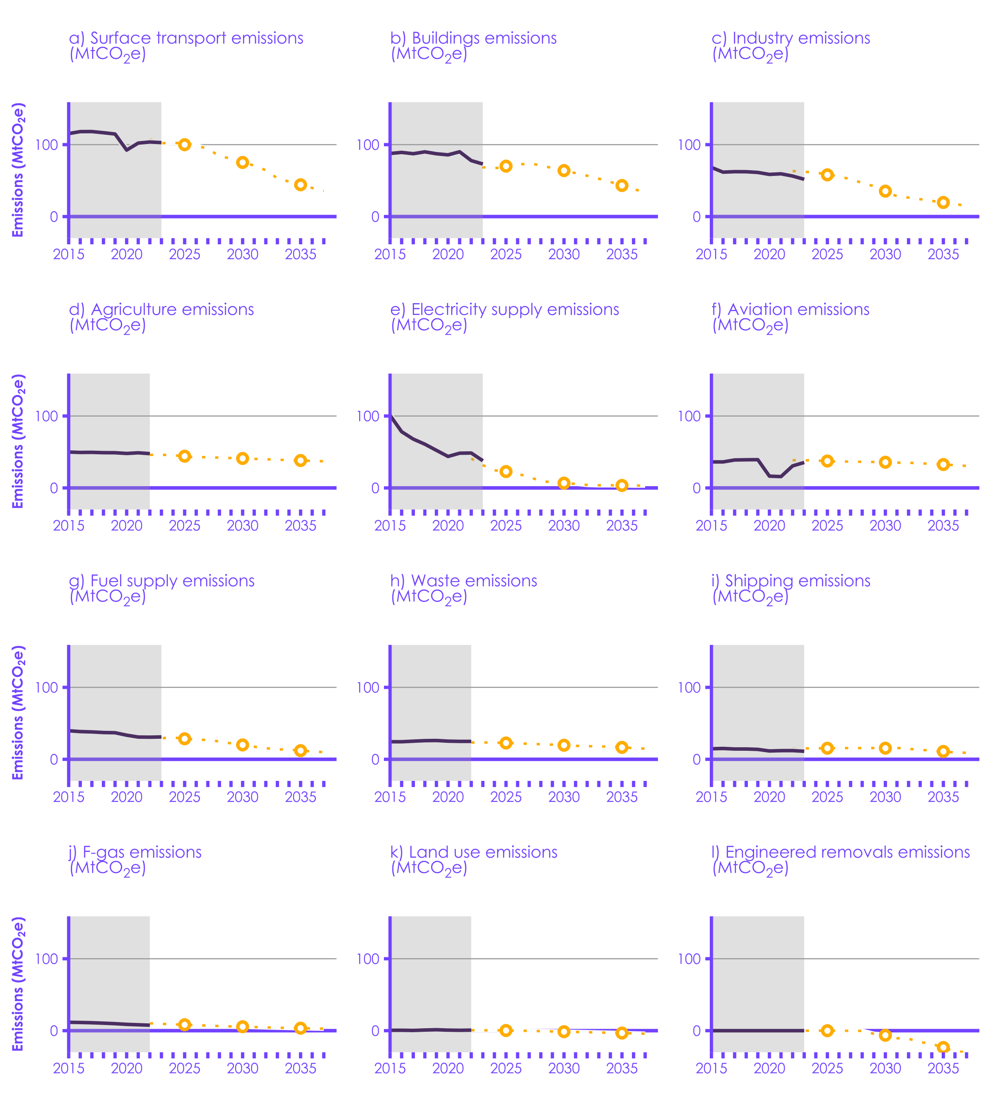

Historical emissions
CBDP indicative pathway
CBDP CB average
 | Source: DESNZ (2024) Provisional UK greenhouse gas emissions national statistics 2023; DESNZ (2024) Final UK greenhouse gas emissions national statistics: 1990 to 2022; DESNZ (2023) Carbon Budget Delivery Plan; CCC analysis. Notes: (1) The Carbon Budget Delivery Plan (CBDP) projections include only the quantified plans. Unquantified plans may lead to further emissions reductions. (2) Sectoral emissions pathways are indicative only, they are not viewed by the CCC as sectoral targets. (3) We have adjusted the Government’s CBDP pathway and baseline for land use to account for methodological changes between the 1990-2019 and 1990-2020 inventories. (4) Agriculture, waste, F-gas and land use emissions go to 2022 only because the provisional 2023 estimates are not made for non-CO2 greenhouse gases.
 |  | Time series | Sector | 1990 | 1991 | 1992 | 1993 | 1994 | 1995 | 1996 | 1997 | 1998 | 1999 | 2000 | 2001 | 2002 | 2003 | 2004 | 2005 | 2006 | 2007 | 2008 | 2009 | 2010 | 2011 | 2012 | 2013 | 2014 | 2015 | 2016 | 2017 | 2018 | 2019 | 2020 | 2021 | 2022 | 2023 | 2024 | 2025 | 2026 | 2027 | 2028 | 2029 | 2030 | 2031 | 2032 | 2033 | 2034 | 2035 | 2036 | 2037 | 2038 | 2039 | 2040 | 2041 | 2042 | 2043 | 2044 | 2045 | 2046 | 2047 | 2048 | 2049 | 2050
 |  | Historical | Surface transport | 114 | 113 | 115 | 116 | 116 | 115 | 120 | 120 | 120 | 121 | 120 | 120 | 123 | 122 | 123 | 124 | 123 | 124 | 120 | 116 | 114 | 113 | 112 | 111 | 113 | 115 | 118 | 118 | 117 | 115 | 92 | 102 | 104 | 103
 |  | Government CBDP Carbon Budget average | Surface transport |  |  |  |  |  |  |  |  |  |  |  |  |  |  |  |  |  |  |  |  |  |  |  |  |  |  |  |  |  |  |  |  |  |  |  | 100 |  |  |  |  | 75 |  |  |  |  | 44
 |  | Historical | Buildings | 109 | 120 | 117 | 120 | 115 | 111 | 123 | 114 | 117 | 118 | 117 | 120 | 112 | 113 | 115 | 111 | 106 | 101 | 105 | 99 | 110 | 89 | 98 | 100 | 84 | 88 | 89 | 87 | 90 | 87 | 86 | 90 | 78 | 73
 |  | Government CBDP Carbon Budget average | Buildings |  |  |  |  |  |  |  |  |  |  |  |  |  |  |  |  |  |  |  |  |  |  |  |  |  |  |  |  |  |  |  |  |  |  |  | 70 |  |  |  |  | 64 |  |  |  |  | 43
 |  | Historical | Industry | 141.64990686 | 143 | 136 | 129 | 131 | 127 | 129 | 127 | 124 | 116 | 116 | 110 | 99 | 102 | 102 | 101 | 98 | 99 | 91 | 74 | 76 | 71 | 70 | 72 | 72 | 68 | 62 | 62 | 62 | 61 | 59 | 59 | 56 | 52
 |  | Government CBDP Carbon Budget average | Industry |  |  |  |  |  |  |  |  |  |  |  |  |  |  |  |  |  |  |  |  |  |  |  |  |  |  |  |  |  |  |  |  |  |  |  | 58 |  |  |  |  | 35 |  |  |  |  | 20
 |  | Historical | Agriculture | 54 | 54 | 54 | 53 | 53 | 53 | 55 | 54 | 54 | 55 | 53 | 51 | 50 | 51 | 52 | 52 | 51 | 50 | 50 | 49 | 49 | 48 | 49 | 48 | 49 | 50 | 49 | 49 | 49 | 49 | 48 | 49 | 48 | 48
 |  | Government CBDP Carbon Budget average | Agriculture |  |  |  |  |  |  |  |  |  |  |  |  |  |  |  |  |  |  |  |  |  |  |  |  |  |  |  |  |  |  |  |  |  |  |  | 44 |  |  |  |  | 41 |  |  |  |  | 38
 |  | Historical | Electricity supply | 204 | 200 | 188 | 171 | 166 | 163 | 163 | 150 | 155 | 147 | 158 | 169 | 164 | 173 | 173 | 172 | 181 | 177 | 172 | 150 | 156 | 143 | 157 | 146 | 122 | 101 | 78 | 68 | 61 | 52 | 44 | 48 | 49 | 38
 |  | Government CBDP Carbon Budget average | Electricity supply |  |  |  |  |  |  |  |  |  |  |  |  |  |  |  |  |  |  |  |  |  |  |  |  |  |  |  |  |  |  |  |  |  |  |  | 23 |  |  |  |  | 7 |  |  |  |  | 3
 |  | Historical | Fuel supply | 77 | 78 | 79 | 79 | 71 | 75 | 75 | 73 | 71 | 65 | 63 | 63 | 63 | 60 | 58 | 58 | 53 | 51 | 50 | 48 | 49 | 47 | 43 | 41 | 39 | 40 | 39 | 38 | 37 | 37 | 34 | 31 | 31 | 31
 |  | Government CBDP Carbon Budget average | Fuel supply |  |  |  |  |  |  |  |  |  |  |  |  |  |  |  |  |  |  |  |  |  |  |  |  |  |  |  |  |  |  |  |  |  |  |  | 29 |  |  |  |  | 20 |  |  |  |  | 12
 |  | Historical | Aviation | 21 | 20 | 21 | 23 | 23 | 24 | 26 | 27 | 29 | 32 | 34 | 34 | 33 | 34 | 37 | 40 | 41 | 41 | 39 | 37 | 36 | 37 | 36 | 36 | 36 | 36 | 36 | 39 | 39 | 39 | 16 | 16 | 31 | 35
 |  | Government CBDP Carbon Budget average | Aviation |  |  |  |  |  |  |  |  |  |  |  |  |  |  |  |  |  |  |  |  |  |  |  |  |  |  |  |  |  |  |  |  |  |  |  | 37 |  |  |  |  | 36 |  |  |  |  | 33
 |  | Historical | Waste | 72 | 73 | 73 | 74 | 74 | 76 | 76 | 76 | 75 | 71 | 69 | 67 | 66 | 61 | 57 | 54 | 50 | 47 | 42 | 38 | 33 | 31 | 29 | 26 | 24 | 24 | 24 | 25 | 26 | 26 | 25 | 25 | 25 | 24
 |  | Government CBDP Carbon Budget average | Waste |  |  |  |  |  |  |  |  |  |  |  |  |  |  |  |  |  |  |  |  |  |  |  |  |  |  |  |  |  |  |  |  |  |  |  | 23 |  |  |  |  | 20 |  |  |  |  | 17
 |  | Historical | Shipping | 18 | 18 | 18 | 18 | 18 | 19 | 20 | 20 | 21 | 18 | 17 | 17 | 16 | 15 | 16 | 16 | 16 | 16 | 19 | 19 | 17 | 17 | 15 | 15 | 15 | 15 | 15 | 14 | 14 | 14 | 12 | 12 | 12 | 11
 |  | Government CBDP Carbon Budget average | Shipping |  |  |  |  |  |  |  |  |  |  |  |  |  |  |  |  |  |  |  |  |  |  |  |  |  |  |  |  |  |  |  |  |  |  |  | 15 |  |  |  |  | 15 |  |  |  |  | 11
 |  | Historical | F-gases | 15 | 15 | 15 | 15 | 16 | 17 | 18 | 20 | 17 | 10 | 9 | 9 | 9 | 10 | 9 | 10 | 10 | 10 | 11 | 11 | 11 | 12 | 12 | 12 | 12 | 12 | 11 | 11 | 10 | 10 | 9 | 8 | 8 | 7
 |  | Government CBDP Carbon Budget average | F-gases |  |  |  |  |  |  |  |  |  |  |  |  |  |  |  |  |  |  |  |  |  |  |  |  |  |  |  |  |  |  |  |  |  |  |  | 8 |  |  |  |  | 6 |  |  |  |  | 3
 |  | Historical | Land use | 11 | 10 | 9 | 9 | 8 | 8 | 7 | 7 | 6 | 6 | 6 | 5 | 4 | 4 | 3 | 3 | 3 | 2 | 1 | 1 | 1 | 1 | 1 | 1 | 0 | 1 | 1 | 0 | 1 | 1 | 1 | 1 | 1 | 1
 |  | Government CBDP Carbon Budget average | Land use |  |  |  |  |  |  |  |  |  |  |  |  |  |  |  |  |  |  |  |  |  |  |  |  |  |  |  |  |  |  |  |  |  |  |  | 0 |  |  |  |  | -1 |  |  |  |  | -3
 |  | Historical | Engineered removals | 0 | 0 | 0 | 0 | 0 | 0 | 0 | 0 | 0 | 0 | 0 | 0 | 0 | 0 | 0 | 0 | 0 | 0 | 0 | 0 | 0 | 0 | 0 | 0 | 0 | 0 | 0 | 0 | 0 | 0 | 0 | 0 | 0
 |  | Government CBDP Carbon Budget average | Engineered removals |  |  |  |  |  |  |  |  |  |  |  |  |  |  |  |  |  |  |  |  |  |  |  |  |  |  |  |  |  |  |  |  |  |  |  | 0 |  |  |  |  | -6 |  |  |  |  | -23

1.5
Contents

 | Figure 1.5 Pace of emissions reduction 2015-2022, 2022-2023, and required 2023-2030 (excluding international aviation and shipping)

 | Source: DESNZ (2024) Provisional UK greenhouse gas emissions national statistics 2023; DESNZ (2024) Final UK greenhouse gas emissions national statistics: 1990 to 2022; DESNZ (2023) Carbon Budget Delivery Plan; CCC analysis. Notes: The orange bars show the annual pace of emissions reductions that will be required starting from the published provisional 2023 emissions data to meet the 2030 NDC.

 |  |  | Years | Annual emissions change (excluding IAS)
 |  | Total emissions | 2015-2022 | -13.8
 |  |  | 2022-2023 | -22.3
 |  |  | 2023-2030 (required) | -18.8
 |  | Total emissions excluding electricity supply | 2015-2022 | -6.3
 |  |  | 2022-2023 | -11.6
 |  |  | 2023-2030 (required) | -14.3

1.6
Contents

 | Figure 1.6 Pace of methane emissions reduction 2015-2022 and CCC pathway 2022-2030

 | Source: DESNZ (2024) Provisional UK greenhouse gas emissions national statistics 2023; DESNZ (2024) Final UK greenhouse gas emissions national statistics: 1990 to 2022; CCC (2020) Sixth Carbon Budget; CCC analysis. Notes: The orange bars show the annual pace of emissions reductions that will be required starting from the published 2022 emissions data to deliver a reduction in line with the Global Methane Pledge.

 |  |  | change in emissions per year 2030 CCC pathway - historical 2022 | change in emissions per year historic 2022 - 2015 historic
 |  | Total | -1.93 | -0.9
 |  | Fuel supply | -0.23 | -0.4
 |  | Agriculture | -0.81 | -0.1
 |  | Waste | -0.94 | -0.4

1.7
Contents

 | Figure 1.7 Change in UK emissions per year for key sectors from 2015 to 2022, 2022 to 2023, and 2023 to 2030
 | Emissions reductions 2015-2022 | Emissions reductions 2022-2023 | Emissions reductions required 2023-2030
 | -7 | -11 | -5
 | -2 | -5 | -3
 | -2 | -1 | -4
 | -1 | -5 | -3
 | -1 | 0 | -2
 | -1 |  | 0
 | 0 |  | -1
 | 0 |  | -1
 | 0 |  | 0
 | 0 | 0 | -1
 | Source: DESNZ (2024) Provisional UK greenhouse gas emissions national statistics 2023; DESNZ (2024) Final UK greenhouse gas emissions national statistics: 1990 to 2022; DESNZ (2023) Carbon Budget Delivery Plan. Notes: (1) *Provisional 2023 estimates are not made for non-CO2 greenhouse gases, so the changes in 2023 agriculture, land use, waste and F-gases emissions are not shown. (2) The orange bars show the annual pace of emissions reductions that will be required starting from the published provisional 2023 emissions data to reduce emissions to the level assumed in the Government’s Carbon Budget Delivery Plan (CBDP) in 2030 in each sector. (3) The CBDP projections include only the quantified plans. Unquantified plans may lead to further emissions reductions. (4) Sectoral emissions pathways are indicative only, they are not viewed by the CCC as sectoral targets. (5) We have adjusted the Government’s published CBDP pathway for land use to account for methodological changes between the 1990-2019 and 1990-2020 inventories. (6) The changes from 2015 to 2022 for waste and land use are too small to be visible.

 |  |  | Emissions reductions 2022-2023 | Emissions reductions required 2023-2030 | Emissions reductions 2015-2022
 |  | Electricity supply | -11 | -5 | -7
 |  | Industry | -5 | -3 | -2
 |  | Surface transport | -1 | -4 | -2
 |  | Buildings (temp-adj) | -5 | -3 | -1
 |  | Fuel supply | 0 | -2 | -1
 |  | F-gases* |  | 0 | -1
 |  | Agriculture* |  | -1 | 0
 |  | Waste* |  | -1 | 0
 |  | Land use* |  | 0 | 0
 |  | Engineered removals | 0 | -1 | 0

1.8
Contents

 | Figure 1.8 Emissions reductions in Scotland, Wales, and Northern Ireland compared to UK
 | Scotland | Wales | Northern Ireland | UK
1990 | 1 | 1 | 1 | 100%
1991 |  |  |  | 101%
1992 |  |  |  | 98%
1993 |  |  |  | 96%
1994 |  |  |  | 95%
1995 | 0.99 | 0.94 | 1 | 94%
1996 |  |  |  | 97%
1997 |  |  |  | 94%
1998 | 0.99 | 0.97 | 0.96 | 94%
1999 | 0.95 | 0.99 | 0.97 | 91%
2000 | 0.9747008564 | 1.00150404 | 0.9568171322 | 91%
2001 | 0.95941219347 | 0.95098004655 | 0.97133718628 | 91%
2002 | 0.91082971806 | 0.83847384846 | 0.88350241667 | 88%
2003 | 0.91078365023 | 0.87210102124 | 0.89320413309 | 89%
2004 | 0.87795126891 | 0.93419664199 | 0.89041322092 | 89%
2005 | 0.86022396702 | 0.9038739348 | 0.93524667691 | 88%
2006 | 0.88640152219 | 0.92191291022 | 0.94215627434 | 87%
2007 | 0.83550027621 | 0.87012077125 | 0.90076513088 | 86%
2008 | 0.80718743393 | 0.89483987135 | 0.8881950679 | 84%
2009 | 0.7522376676 | 0.7778987246 | 0.82514990971 | 76%
2010 | 0.78756356326 | 0.83334838248 | 0.84563625658 | 78%
2011 | 0.70074293975 | 0.7827266182 | 0.80279797224 | 73%
2012 | 0.70465787398 | 0.81473471329 | 0.80930527267 | 74%
2013 | 0.68028125564 | 0.90264182414 | 0.81158038529 | 73%
2014 | 0.63436435427 | 0.82408641182 | 0.79217495454 | 68%
2015 | 0.62907685862 | 0.82190588325 | 0.81147573641 | 66%
2016 | 0.56625049135 | 0.85777848178 | 0.81495952699 | 62%
2017 | 0.55704571394 | 0.74538578784 | 0.79141885796 | 61%
2018 | 0.57164342392 | 0.68470523673 | 0.77956024299 | 60%
2019 | 0.56308157051 | 0.68158807409 | 0.76581496399 | 59%
2020 | 0.49295031566 | 0.59546915209 | 0.73130093099 | 51%
2021 | 0.49924583742 | 0.63658953645 | 0.76137932616 | 53%
2022 | 0.49889096463 | 0.63624316039 | 0.74089851137 | 53%
 | Source: DESNZ (2024) Provisional UK greenhouse gas emissions national statistics 2023; NAEI (2024) Greenhouse Gas Inventories for England, Scotland, Wales and Northern Ireland: 1990:2022.

 |  |  | 1990 | 1991 | 1992 | 1993 | 1994 | 1995 | 1996 | 1997 | 1998 | 1999 | 2000 | 2001 | 2002 | 2003 | 2004 | 2005 | 2006 | 2007 | 2008 | 2009 | 2010 | 2011 | 2012 | 2013 | 2014 | 2015 | 2016 | 2017 | 2018 | 2019 | 2020 | 2021 | 2022
 |  | Scotland | 100% |  |  |  |  | 99% |  |  | 99% | 95% | 0.97 | 0.96 | 0.91 | 0.91 | 0.88 | 0.86 | 0.89 | 0.84 | 0.81 | 0.75 | 0.79 | 0.70 | 0.70 | 0.68 | 0.63 | 0.63 | 0.57 | 0.56 | 0.57 | 0.56 | 0.49 | 0.50 | 0.50
 |  | Wales | 100% |  |  |  |  | 94% |  |  | 97% | 99% | 1.00 | 0.95 | 0.84 | 0.87 | 0.93 | 0.90 | 0.92 | 0.87 | 0.89 | 0.78 | 0.83 | 0.78 | 0.81 | 0.90 | 0.82 | 0.82 | 0.86 | 0.75 | 0.68 | 0.68 | 0.60 | 0.64 | 0.64
 |  | Northern Ireland | 100% |  |  |  |  | 100% |  |  | 96% | 97% | 0.96 | 0.97 | 0.88 | 0.89 | 0.89 | 0.94 | 0.94 | 0.90 | 0.89 | 0.83 | 0.85 | 0.80 | 0.81 | 0.81 | 0.79 | 0.81 | 0.81 | 0.79 | 0.78 | 0.77 | 0.73 | 0.76 | 0.74
 |  | UK | 100% | 101% | 98% | 96% | 95% | 94% | 97% | 94% | 94% | 91% | 0.91 | 0.91 | 0.88 | 0.89 | 0.89 | 0.88 | 0.87 | 0.86 | 0.84 | 0.76 | 0.78 | 0.73 | 0.74 | 0.73 | 0.68 | 0.66 | 0.62 | 0.61 | 0.60 | 0.59 | 0.51 | 0.53 | 0.53

1.9
Contents

 | Figure 1.9 UK territorial and consumption emissions
 | Territorial emissions | Consumption emissions (2024 release) | Consumption emissions (2022 release) | Imported emissions (2024 release)
1990 | 836.06723008 | 921.96836069 |  | 315.56337015
1991 | 843.93756133 | 934.07284593 |  | 319.4709101
1992 | 824.59540778 | 890.37244648 |  | 292.2864968
1993 | 805.9997202 | 864.48704566 |  | 284.81467214
1994 | 793.66157825 | 851.27340919 |  | 288.05597936
1995 | 789.18284164 | 813.11898997 |  | 262.80296958
1996 | 810.49943298 | 828.10903224 | 896 | 262.17647218
1997 | 787.96554735 | 837.28369436 | 1007 | 308.82122998
1998 | 788.44120403 | 885.16947934 | 1049 | 344.13874276
1999 | 759.35074849 | 870.33697522 | 1036 | 344.66642253
2000 | 761.26564162 | 866.30936653 | 1038 | 344.13887223
2001 | 763.92133664 | 856.08560956 | 1061 | 325.44909652
2002 | 740.31330078 | 898.72456492 | 1065 | 375.81904758
2003 | 745.95687043 | 896.70927186 | 1062 | 370.51345578
2004 | 745.48962367 | 957.17564746 | 1110 | 429.04172602
2005 | 739.18554478 | 946.55634822 | 1108 | 423.23582262
2006 | 732.6514066 | 949.00870439 | 1103 | 432.84608418
2007 | 719.4612785 | 963.06117206 | 1100 | 452.08486528
2008 | 700.48361601 | 894.76640771 | 1015 | 402.2836977
2009 | 641.22801806 | 800.89640753 | 910 | 341.74229952
2010 | 652.34516208 | 803.71207966 | 920 | 336.33712869
2011 | 608.7241859 | 777.65202139 | 891 | 346.8650468
2012 | 622.65010648 | 811.34227152 | 917 | 360.20208422
2013 | 608.25683859 | 800.86256138 | 908 | 358.06327924
2014 | 567.39550062 | 784.159279 | 894 | 365.57507126
2015 | 549.45287486 | 776.7083164 | 886 | 362.05534532
2016 | 522.87277511 | 698.26059173 | 804 | 320.25983592
2017 | 513.21102149 | 673.40681845 | 768 | 321.34342341
2018 | 506.80102577 | 699.14493481 | 787 | 341.90983339
2019 | 491.95432519 | 684.76019428 | 774 | 335.93452552
2020 | 424.89302863 | 612.50750587 |  | 311.2382794
2021 | 441.29471655 | 704.54902042 |  | 381.05244616
2022 | 440.93999105
2023 | 423.32965202
 | Source: Source: Defra (2024) Carbon footprint for the UK and England to 2021, Defra (2022) Carbon footprint for the UK and England to 2019, DESNZ (2024) Final UK greenhouse gas emissions national statistics: 1990 to 2022. Notes: The territorial emissions line includes the UK’s share of international aviation and shipping. The consumption emissions line is the sum of these and the UK’s gross imported emissions (red line), minus emissions from the production of exports. The UK’s consumption emissions estimates do not include emissions from land use change.

 |  |  | 1990 | 1991 | 1992 | 1993 | 1994 | 1995 | 1996 | 1997 | 1998 | 1999 | 2000 | 2001 | 2002 | 2003 | 2004 | 2005 | 2006 | 2007 | 2008 | 2009 | 2010 | 2011 | 2012 | 2013 | 2014 | 2015 | 2016 | 2017 | 2018 | 2019 | 2020 | 2021 | 2022 | 2023
 |  | Territorial emissions | 836.06723008 | 843.93756133 | 824.59540778 | 805.9997202 | 793.66157825 | 789.18284164 | 810.49943298 | 787.96554735 | 788.44120403 | 759.35074849 | 761.26564162 | 763.92133664 | 740.31330078 | 745.95687043 | 745.48962367 | 739.18554478 | 732.6514066 | 719.4612785 | 700.48361601 | 641.22801806 | 652.34516208 | 608.7241859 | 622.65010648 | 608.25683859 | 567.39550062 | 549.45287486 | 522.87277511 | 513.21102149 | 506.80102577 | 491.95432519 | 424.89302863 | 441.29471655 | 440.93999105 | 423.32965202
 |  | Consumption emissions (2022 release) |  |  |  |  |  |  | 896 | 1007 | 1049 | 1036 | 1038 | 1061 | 1065 | 1062 | 1110 | 1108 | 1103 | 1100 | 1015 | 910 | 920 | 891 | 917 | 908 | 894 | 886 | 804 | 768 | 787 | 774
 |  | Consumption emissions (2024 release) | 921.96836069 | 934.07284593 | 890.37244648 | 864.48704566 | 851.27340919 | 813.11898997 | 828.10903224 | 837.28369436 | 885.16947934 | 870.33697522 | 866.30936653 | 856.08560956 | 898.72456492 | 896.70927186 | 957.17564746 | 946.55634822 | 949.00870439 | 963.06117206 | 894.76640771 | 800.89640753 | 803.71207966 | 777.65202139 | 811.34227152 | 800.86256138 | 784.159279 | 776.7083164 | 698.26059173 | 673.40681845 | 699.14493481 | 684.76019428 | 612.50750587 | 704.54902042
 |  | Imported emissions (2024 release) | 315.56337015 | 319.4709101 | 292.2864968 | 284.81467214 | 288.05597936 | 262.80296958 | 262.17647218 | 308.82122998 | 344.13874276 | 344.66642253 | 344.13887223 | 325.44909652 | 375.81904758 | 370.51345578 | 429.04172602 | 423.23582262 | 432.84608418 | 452.08486528 | 402.2836977 | 341.74229952 | 336.33712869 | 346.8650468 | 360.20208422 | 358.06327924 | 365.57507126 | 362.05534532 | 320.25983592 | 321.34342341 | 341.90983339 | 335.93452552 | 311.2382794 | 381.05244616

2.1
Contents

 | Figure 2.1 Sectoral emissions reductions from 2008 to 2022

 | Source: DESNZ (2024) Final UK greenhouse gas emissions national statistics: 1990 to 2022; CCC analysis. Notes: The percentage reduction is not shown for land use as that sector includes both sources and sinks of emissions. The fuel supply sector is included in industry in this chart as that is how it was defined in our 2oo8 advice on the first three carbon budgets. Likewise, domestic transport includes surface transport, domestic aviation, and domestic shipping. International aviation and shipping emissions are not in scope for the first five carbon budgets. *The domestic transport reduction uses 2019 data rather than 2022 for the aviation and shipping sectors, to exclude the impact of the COVID-19 pandemic on these emissions. 2022 emissions are used for surface transport.

 |  | Sector | Emissions change (MtCO2e) | Emissions change (%)
 |  | Electricity supply | -123.2165665 | -72%
 |  | Industry | -53.641136026 | -38%
 |  | Buildings | -27.625280679 | -26%
 |  | Domestic transport* | -20.268691615 | -15%
 |  | Waste | -16.952143909 | -40%
 |  | F-gases | -2.9112508597 | -28%
 |  | Agriculture | -2.3146006721 | -5%
 |  | Land use | -0.56834949538 | -43%

2.2
Contents

 | Figure 2.2 Assessment of key indicators required to meet the Third Carbon Budget against projected trajectories from the CCC’s Third Carbon Budget advice

 | Source: CCC (2022) CCC Mitigation Monitoring Framework; DESNZ (2024) Final UK greenhouse gas emissions national statistics: 1990 to 2022; DESNZ (2023) Energy Trends: UK electricity; CCC analysis. Notes: This chart tracks progress up to 2022 against the indicators underpinning our 2008 budget advice, with positive percentages indicating overachievement and negative percentages underachievement. These were based on the changes projected to be needed to meet the Third Carbon Budget, which was set in line with the goal of reducing emissions by 80% by 2050, rather than Net Zero. The chart shows in-year values at the end of the Third Carbon Budget period (i.e. 2022), except: (1) new car CO2 emissions which is for 2020; and (2) low-carbon heat which is for 2020. Our trajectories for residential building cavity wall and loft insulation installations both ended in 2015, as we projected that all homes suitable for these measures would have these installed by then.

 |  |  | Electricity supply | Transport | Buildings | Land use | Waste
 |  | Landfill methane emissions | 0% | 0% | 0% | 0% | 47%
 |  | Afforestation | 0% | 0% | 0% | -34% | 0%
 |  | Low-carbon heat (note 2) | 0% | 0% | 5% | 0% | 0%
 |  | Car distance driven | 0% | 3% | 0% | 0% | 0%
 |  | Electric car registrations | 0% | -33% | 0% | 0% | 0%
 |  | New car CO2 emissions (note 1) | 0% | -19% | 0% | 0% | 0%
 |  | Grid emissions intensity | 28% | 0% | 0% | 0% | 0%

2.3
Contents

 | Figure 2.3 Assumed and actual GDP

 | Source: Office for National Statistics (2023) Gross domestic product; CCC analysis.

 |  |  | 2008 | 2009 | 2010 | 2011 | 2012 | 2013 | 2014 | 2015 | 2016 | 2017 | 2018 | 2019 | 2020 | 2021 | 2022
 |  | Assumption | 102 | 105 | 108 | 111 | 114 | 117 | 120 | 122 | 125 | 128 | 131 | 134 | 137 | 140 | 143
 |  | Actual | 100 | 95 | 98 | 99 | 100 | 102 | 105 | 108 | 110 | 113 | 115 | 117 | 104 | 112 | 116

2.4
Contents

 | Figure 2.4 Assumed and actual offshore wind and EV battery pack costs
 | CB3 period | Assumption range (lower bound) | Assumption range | Contracts signed in 2014 | Contracts signed in 2015 | Contracts signed in 2017 | Contracts signed in 2019 | Contracts signed in 2022 | Actual
2016 |  |  |  | 186.35739621 |  |  |  |  | 186.35739621
2017 | -100000 |  |  | 173.9335698 | 148.94925488 |  |  |  | 160.95045419
2018 | 250 |  |  | 173.9335698 | 142.11615035 |  |  |  | 167.76825669
2019 | 250
2020 | 250 | 81.373694686 | 47.670844739
2021 | 250 |  |  |  |  | 92.868102447 |  |  | 92.868102447
2022 | 250 |  |  |  |  | 71.437001882 |  |  | 71.437001882
2023 | -100000 |  |  |  |  |  | 49.260471733 |  | 49.260471733
2024 |  |  |  |  |  |  | 51.696784093 |  | 51.696784093
2025
2026 |  |  |  |  |  |  |  | 46.402991657 | 46.402991657
 | CB3 period | CCC estimate (2011) | Actual
2013 |  | 737.6482638 | 758.11456481
2014 |  | 645.14930765 | 672.58369083
2015 |  | 552.65035149 | 435.42990389
2016 |  | 515.38057137 | 335.31990366
2017 |  | 478.11079124 | 250.76097144
2018 | 800 | 440.84101112 | 205.0797092
2019 | 800 | 403.571231 | 177.8653402
2020 | 800 | 366.30145087 | 155.51067996
2021 | 800 | 345.11049154 | 145.79126246
2022 | 800 | 323.9195322 | 156.48262171
2023 |  | 302.72857286 | 135.09990322
 | Source: CCC (2019) Net Zero – The UK’s contribution to stopping global warming; Department of Trade & Industry (2007) Impact of banding the Renewables Obligation – Costs of electricity production; DECC (2013) Record investments of £40 billion in renewable electricity to bring green jobs and growth to the UK; DESNZ and BEIS (2015) Contracts for Difference (CFD) Allocation Round One Outcome; DESNZ and BEIS (2017) Contracts for Difference (CFD) Second Allocation Round Results; DESNZ and BEIS (2019) Contracts for Difference (CfD) Allocation Round 3: results; DESNZ and BEIS (2022) Contracts for Difference (CfD): Allocation Round 4; DESNZ (2023) Contracts for Difference (CfD) Allocation Round 5: results; CCC (2008) Building a low-carbon economy – the UK’s contribution to tackling climate change; CCC (2009) Meeting Carbon Budgets – the need for a step change; BloombergNEF (2023) Lithium-Ion Battery Pack Prices Hit Record Low of $139/kWh; CCC analysis. Notes: our offshore wind cost assumption range was for 2020 only. The ‘actual’ line for offshore wind in 2017 and 2018 is an average between the two contracts applying for those years, weighted by the capacities deployed by each contract in each year.

 |  |  |  | 2006 | 2007 | 2008 | 2009 | 2010 | 2011 | 2012 | 2013 | 2014 | 2015 | 2016 | 2017 | 2018 | 2019 | 2020 | 2021 | 2022 | 2023 | 2024 | 2025 | 2026 | 2027 | 2028 | 2029 | 2030
 |  | Offshore wind cost (£/MWh, £2022) | Assumption range (lower bound) |  |  |  |  |  |  |  |  |  |  |  |  |  |  | 81

 |  |  | Assumption range |  |  |  |  |  |  |  |  |  |  |  |  |  |  | 48
 |  |  | Contracts signed in 2014 |  |  |  |  |  |  |  |  |  |  | 186.35739621 | 173.9335698 | 173.9335698
 |  |  | Contracts signed in 2015 |  |  |  |  |  |  |  |  |  |  |  | 148.94925488 | 142.11615035
 |  |  | Contracts signed in 2017 |  |  |  |  |  |  |  |  |  |  |  |  |  |  |  | 92.868102447 | 71.437001882
 |  |  | Contracts signed in 2019 |  |  |  |  |  |  |  |  |  |  |  |  |  |  |  |  |  | 49.260471733 | 51.696784093
 |  |  | Contracts signed in 2022 |  |  |  |  |  |  |  |  |  |  |  |  |  |  |  |  |  |  |  |  | 46.402991657
 |  |  | CB3 period |  |  |  |  |  |  |  |  |  |  |  | -100000 | 250 | 250 | 250 | 250 | 250 | -100000
 |  |  | Actual |  |  |  |  |  |  |  |  |  |  | 186.35739621 | 160.95045419 | 167.76825669 |  |  | 92.868102447 | 71.437001882 | 49.260471733 | 51.696784093 |  | 46.402991657

 |  |  |  | 2013 | 2014 | 2015 | 2016 | 2017 | 2018 | 2019 | 2020 | 2021 | 2022 | 2023
 |  | EV battery pack cost ($/kWh, $2022) | CCC estimate (2011) | 737.6482638 | 645.14930765 | 552.65035149 | 515.38057137 | 478.11079124 | 440.84101112 | 403.571231 | 366.30145087 | 345.11049154 | 323.9195322 | 302.72857286
 |  |  | Actual | 758.11456481 | 672.58369083 | 435.42990389 | 335.31990366 | 250.76097144 | 205.0797092 | 177.8653402 | 155.51067996 | 145.79126246 | 156.48262171 | 135.09990322
 |  |  | CB3 period |  |  |  |  |  | 800 | 800 | 800 | 800 | 800

2.5
Contents

 | Figure 2.5 Assumed and actual crude oil and gas prices
 |  | Assumption | Actual
2010 |  | 88.805255417 | 105
2011 |  | 89.488372766 | 144
2012 |  | 90.171490116 | 142
2013 |  | 90.854607465 | 136
2014 |  | 91.537724814 | 122
2015 |  | 92.220842164 | 65
2016 |  | 92.903959513 | 54
2017 |  | 93.587076862 | 65
2018 | 160 | 94.270194212 | 83
2019 | 160 | 94.953311561 | 73
2020 | 160 | 95.636428911 | 48
2021 | 160 | 96.31954626 | 76
2022 | 160 | 97.002663609 | 99
 | CB3 period | Assumption | Actual
2010 |  | 60.050049368 | 54
2011 |  | 60.458905445 | 71
2012 |  | 60.867761522 | 75
2013 |  | 61.276617599 | 83
2014 |  | 61.685473676 | 60
2015 |  | 62.094329754 | 51
2016 |  | 62.503185831 | 41
2017 |  | 62.912041908 | 52
2018 | 250 | 63.320897985 | 69
2019 | 250 | 63.729754063 | 39
2020 | 250 | 64.13861014 | 26
2021 | 250 | 64.547466217 | 122
2022 | 250 | 64.956322294 | 203
 | Source: CCC (2019) Net Zero – The UK’s contribution to stopping global warming; Department of Trade & Industry (2007) Impact of banding the Renewables Obligation – Costs of electricity production; DECC (2013) Record investments of £40 billion in renewable electricity to bring green jobs and growth to the UK; DESNZ and BEIS (2015) Contracts for Difference (CFD) Allocation Round One Outcome; DESNZ and BEIS (2017) Contracts for Difference (CFD) Second Allocation Round Results; DESNZ and BEIS (2019) Contracts for Difference (CfD) Allocation Round 3: results; DESNZ and BEIS (2022) Contracts for Difference (CfD): Allocation Round 4; DESNZ (2023) Contracts for Difference (CfD) Allocation Round 5: results; CCC (2008) Building a low-carbon economy – the UK’s contribution to tackling climate change; CCC (2009) Meeting Carbon Budgets – the need for a step change; BloombergNEF (2023) Lithium-Ion Battery Pack Prices Hit Record Low of $139/kWh; CCC analysis. Notes: our offshore wind cost assumption range was for 2020 only. The ‘actual’ line for offshore wind in 2017 and 2018 is an average between the two contracts applying for those years, weighted by the capacities deployed by each contract in each year.

 |  |  |  | 2010 | 2011 | 2012 | 2013 | 2014 | 2015 | 2016 | 2017 | 2018 | 2019 | 2020 | 2021 | 2022
 |  | Crude oil price ($/bbl, $2,022) | Assumption | 88.805255417 | 89.488372766 | 90.171490116 | 90.854607465 | 91.537724814 | 92.220842164 | 92.903959513 | 93.587076862 | 94.270194212 | 94.953311561 | 95.636428911 | 96.31954626 | 97.002663609
 |  |  | Actual | 105 | 144 | 142 | 136 | 122 | 65 | 54 | 65 | 83 | 73 | 48 | 76 | 99
 |  |  |  |  |  |  |  |  |  |  |  | 160 | 160 | 160 | 160 | 160

 |  |  |  | 2010 | 2011 | 2012 | 2013 | 2014 | 2015 | 2016 | 2017 | 2018 | 2019 | 2020 | 2021 | 2022
 |  | Gas price (p/therm, £2,022) | Assumption | 60.050049368 | 60.458905445 | 60.867761522 | 61.276617599 | 61.685473676 | 62.094329754 | 62.503185831 | 62.912041908 | 63.320897985 | 63.729754063 | 64.13861014 | 64.547466217 | 64.956322294
 |  |  | Actual | 54 | 71 | 75 | 83 | 60 | 51 | 41 | 52 | 69 | 39 | 26 | 122 | 203
 |  |  | CB3 period |  |  |  |  |  |  |  |  | 250 | 250 | 250 | 250 | 250

2.6
Contents

 | Figure 2.6 Assumed and actual coal prices
 | CB3 period | Assumption | Actual
2010 |  | 99.82865828 | 121
2011 |  | 96.976410901 | 158
2012 |  | 94.124163521 | 118
2013 |  | 91.271916142 | 102
2014 |  | 88.419668763 | 92
2015 |  | 85.567421383 | 68
2016 |  | 86.137870859 | 74
2017 |  | 86.708320335 | 100
2018 | 300 | 87.278769811 | 105
2019 | 300 | 87.849219287 | 67
2020 | 300 | 88.419668763 | 58
2021 | 300 | 88.990118238 | 139
2022 | 300 | 89.560567714 | 289
 | Source: CCC analysis; DESNZ (2023) Green Book supplementary guidance: valuation of energy use and greenhouse gas emissions for appraisal; Office for National Statistics (2008) National Population Projections; Office for National Statistics (2022) United Kingdom population mid-year estimate.

 |  |  | 2010 | 2011 | 2012 | 2013 | 2014 | 2015 | 2016 | 2017 | 2018 | 2019 | 2020 | 2021 | 2022
 |  | Assumption | 99.82865828 | 96.976410901 | 94.124163521 | 91.271916142 | 88.419668763 | 85.567421383 | 86.137870859 | 86.708320335 | 87.278769811 | 87.849219287 | 88.419668763 | 88.990118238 | 89.560567714
 |  | Actual | 121 | 158 | 118 | 102 | 92 | 68 | 74 | 100 | 105 | 67 | 58 | 139 | 289
 |  | CB3 period |  |  |  |  |  |  |  |  | 300 | 300 | 300 | 300 | 300

2.7
Contents

 | Figure 2.7 Comparison of required emissions reductions for the Fourth to Sixth Carbon Budgets to those for the First to Third Carbon Budgets

 | Source: DESNZ (2024) Final UK greenhouse gas emissions national statistics: 1990 to 2022; DESNZ (2023) Carbon Budget Delivery Plan; CCC analysis. Notes: This chart shows a proportional comparison of the sectoral composition of the emissions reductions achieved during the first three carbon budgets with the proportional sectoral composition of the required emissions reductions from the CBDP during the period covering the Fourth to the Sixth Carbon Budgets. The buildings emissions have been adjusted to account for changes in temperature. International aviation and shipping are not included. Domestic aviation and shipping reductions are calculated to/from 2023 rather than 2022 because aviation was still substantially affected by the pandemic in 2022. Buildings emissions reductions are calculated from 2008 rather than 2007 because the temperature-adjusted emissions only go back as far as 2008.

 |  | Abatement by sector | Emissions reductions during CB1-3 | Emissions reductions required during CB4-6
 |  | Electricity and fuel supply | 148.9 | 66.2 | 56% | 23%
 |  | Industry | 43.1 | 41.0 | 16% | 14%
 |  | Transport | 27.1 | 69.8 | 10% | 24%
 |  | Waste and F-gases | 24.8 | 14.9 | 9% | 5%
 |  | Buildings (temp-adj) | 17.8 | 53.0 | 7% | 18%
 |  | Agriculture and land use | 3.9 | 15.5 | 1% | 5%
 |  | Engineered removals | 0.0 | 30.7 | 0% | 11%

3.1
Contents

 | Figure 3.1 Indicators of demand for high-carbon activities
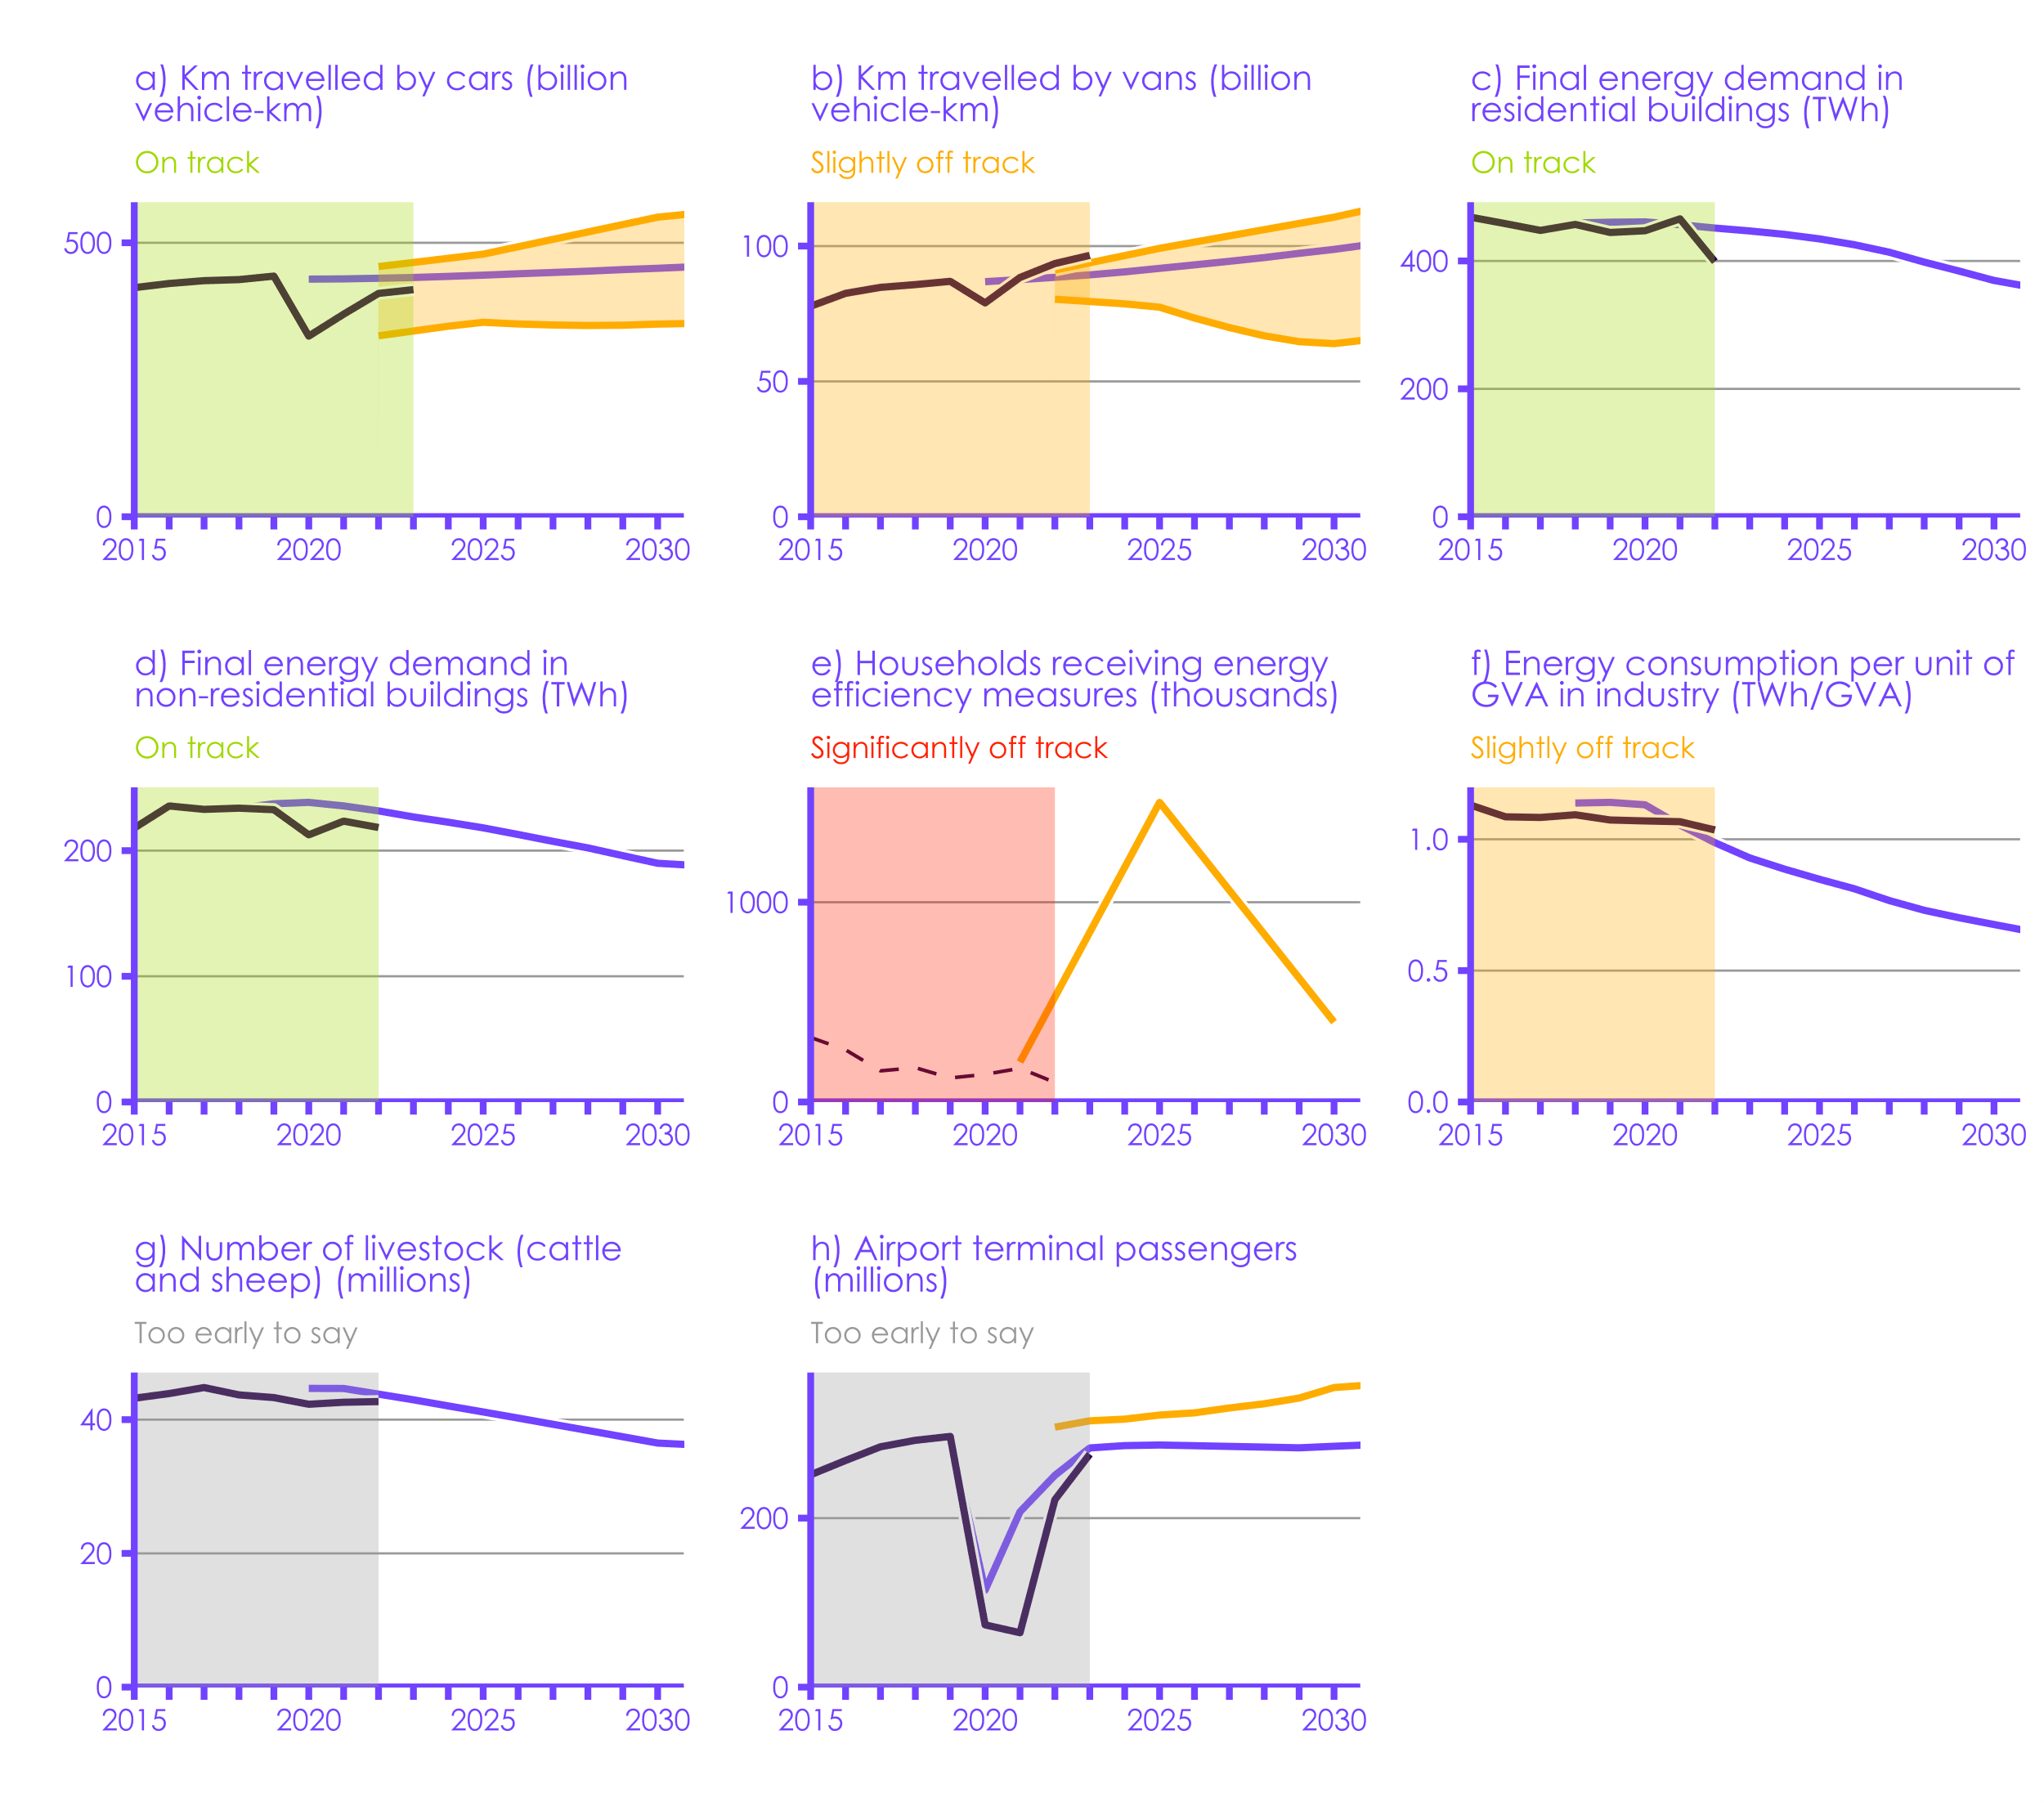

Historical data
CCC Balanced Pathway
Government ambition
 | Source: Refer to the Monitoring Framework, available on our website, for full documentation on the CCC’s indicators, including historical data sources and data gaps. Notes: An indicator is on track if it is going in the right direction at an appropriate rate. This is determined by comparing the historical data to Government ambition or the CCC’s recommended path, and considering the wider contextual factors that may have a temporary impact (e.g., recovery from COVID-19). Government ambition is an umbrella term encompassing stated targets, projections, and modelling assumptions – and does not necessarily represent a formal commitment from the Government. Historical data in chart (e) include Government funded programs only; the lack of data for owner-occupied homes is a priority data gap listed in our Monitoring Framework.

 |  | ID | Sector | Indicator name | Time Series | Unit | 1990 | 1991 | 1992 | 1993 | 1994 | 1995 | 1996 | 1997 | 1998 | 1999 | 2000 | 2001 | 2002 | 2003 | 2004 | 2005 | 2006 | 2007 | 2008 | 2009 | 2010 | 2011 | 2012 | 2013 | 2014 | 2015 | 2016 | 2017 | 2018 | 2019 | 2020 | 2021 | 2022 | 2023 | 2024 | 2025 | 2026 | 2027 | 2028 | 2029 | 2030 | 2031 | 2032 | 2033 | 2034 | 2035 | 2036 | 2037 | 2038 | 2039 | 2040 | 2041 | 2042 | 2043 | 2044 | 2045 | 2046 | 2047 | 2048 | 2049 | 2050
 |  | AL25 | Agriculture & land use | AL25: Number of livestock (cattle and sheep) | Historical | million | 56.7 | 56.2 | 56.4 | 56.3 | 55.8 | 55.2 | 54.1 | 54.4 | 56 | 56.1 | 53.4 | 47.3 | 46.1 | 46.3 | 46.4 | 46.2 | 45.3 | 44.3 | 43.3 | 41.5 | 41.3 | 41.6 | 42.2 | 42.7 | 43.5 | 43.2 | 43.9 | 44.8 | 43.7 | 43.3 | 42.3 | 42.6 | 42.7
 |  | AL25 | Agriculture & land use | AL25: Number of livestock (cattle and sheep) | CCC milestone | million |  |  |  |  |  |  |  |  |  |  |  |  |  |  |  |  |  |  |  |  |  |  |  |  |  |  |  |  |  |  | 44.673 | 44.657 |  | 42.970450319 | 42.04562341 | 41.147145435 | 40.235330753 | 39.306956894 | 38.378615743 | 37.441148786 | 36.494514112 | 36.242162452 | 35.985820908 | 35.726351829 | 35.464357504 | 35.199840843 | 34.93340492 | 34.665537542 | 34.396500894 | 34.126440437 | 33.855200075 | 33.582591071 | 33.308444855 | 33.032498363 | 32.75421898 | 32.473284504 | 32.189388211 | 31.902246864 | 31.611619582 | 31.317326831 | 31.01931023
 |  | AV14 | Aviation | AV14: Terminal passengers | Historical | million |  |  |  |  |  |  |  |  |  |  |  |  |  |  |  |  |  |  |  | 217.739 | 210.294 | 218.999 | 220.428 | 228.247 | 238.25 | 251.329 | 268.245 | 284.42 | 292.09 | 296.681 | 73.686 | 64.383 | 221.778 | 275.681086
 |  | AV14 | Aviation | AV14: Terminal passengers | CCC milestone | million |  |  |  |  |  |  |  |  |  |  |  |  |  |  |  |  |  |  |  |  |  |  |  |  |  |  |  | 284.42 | 292.09 | 296.681 | 114.8240687 | 207.54508726 | 250.695445 | 283.08312083 | 285.8409551 | 286.55523673 | 285.72416218 | 284.89325176 | 284.06250548 | 283.23192331 | 285.02840886 | 286.81450777 | 288.58539061 | 290.3410612 | 292.33645432 | 297.18154611 | 301.97625635 | 306.29982974 | 311.29548877 | 316.46136182 | 320.73038146 | 327.59725265 | 331.81404505 | 336.36369014 | 340.01403904 | 345.14389365 | 348.75074626 | 353.21109147 | 357.18441905 | 361.14912355 | 365.1125
 |  | AV14 | Aviation | AV14: Terminal passengers | Gov milestone (central) | million |  |  |  |  |  |  |  |  |  |  |  |  |  |  |  |  |  |  |  |  |  |  |  |  |  |  |  |  |  |  |  |  | 307.64053 | 315.199572 | 317.179582 | 322.019089 | 324.616084 | 330.356933 | 335.32859 | 342.091826 | 354.557381 | 357.513079 | 368.98381 | 374.215872 | 382.798035 | 392.725385 | 400.292881 | 406.325971 | 414.04084 | 420.677174 | 421.917123 | 426.765089 | 429.618307 | 435.412485 | 439.758502 | 446.801915 | 454.074404 | 461.486659 | 468.005561 | 475.508239 | 482.076846
 |  | BD138 | Buildings | BD138: Final energy demand in residential buildings | Historical | TWh | 473.986465 | 520.648351 | 512.491069 | 529.730218 | 511.098958 | 496.492841 | 559.63426048 | 520.7377761 | 536.44413895 | 536.38524685 | 544.87918054 | 560.3139647 | 552.08320818 | 561.64789368 | 573.74056549 | 555.97705683 | 541.66895787 | 522.56409247 | 534.95587624 | 519.68370166 | 574.6423723 | 475.46544942 | 516.84886424 | 522.07752684 | 449.84889766 | 468.47366033 | 458.3100391 | 447.7687234 | 457.1552964 | 444.5281402 | 447.2445593 | 465.8120869 | 398.9351675
 |  | BD138 | Buildings | BD138: Final energy demand in residential buildings | CCC milestone | TWh |  |  |  |  |  |  |  |  |  |  |  |  |  |  |  |  |  |  |  |  |  |  |  |  |  |  |  |  | 459.4696664 | 460.60448447 | 461.10791716 | 456.74656108 | 451.44346954 | 446.9159259 | 441.59795975 | 434.55057112 | 425.41684855 | 413.68347698 | 398.20712355 | 384.27392365 | 369.51772105 | 359.76582457 | 349.31667318 | 338.58417126 | 327.29269619 | 316.19931417 | 305.20356391 | 294.51658748 | 283.88157268 | 272.8435014 | 261.75927684 | 250.17048097 | 239.67088437 | 230.20010514 | 222.70486238 | 215.80636333 | 209.40747016 | 203.23690295 | 197.52527248 | 196.72195469 | 196.36479132
 |  | BD139 | Buildings | BD139: Final energy demand in non-residential buildings | Historical | TWh | 207.8797372 | 226.2237362 | 227.9880072 | 225.104465 | 224.06358 | 230.818284 | 240.51859654 | 234.02061554 | 234.36625856 | 233.19730638 | 236.44575005 | 242.85346685 | 213.61377433 | 214.74404952 | 225.7478451 | 229.89713549 | 216.39216254 | 210.60547213 | 228.30735531 | 204.76497605 | 214.84378471 | 198.17751153 | 212.32465589 | 216.71126471 | 200.02688163 | 217.94645175 | 235.54403696 | 232.84721169 | 233.77594106 | 232.56666919 | 212.56089378 | 223.44829685 | 218.39389457
 |  | BD139 | Buildings | BD139: Final energy demand in non-residential buildings | CCC milestone | TWh |  |  |  |  |  |  |  |  |  |  |  |  |  |  |  |  |  |  |  |  |  |  |  |  |  |  |  |  | 233.77594106 | 237.29837336 | 238.39812591 | 235.54584758 | 231.60277899 | 226.78331572 | 222.62386819 | 218.14265353 | 212.8297962 | 207.37199067 | 202.15963807 | 195.99022863 | 189.92331147 | 188.32286532 | 186.64641447 | 185.41613567 | 183.22690607 | 180.80029919 | 179.20336673 | 177.79373333 | 176.56973171 | 175.53131535 | 175.06766651 | 174.86507652 | 174.99818697 | 175.22702679 | 175.5782517 | 176.72336982 | 178.08089987 | 179.45650279 | 181.6530605 | 183.86557951 | 185.19459642
 |  | BD313 | Buildings | BD313: Households receiving energy efficiency measures | Historical |  |  |  |  |  |  |  |  |  |  |  |  |  |  |  |  |  |  |  |  |  |  |  |  | 435094 | 608315 | 322687 | 260965 | 155696.25 | 171507.25 | 120074.75 | 138187.75 | 168502.25 | 97860.75
 |  | BD313 | Buildings | BD313: Households receiving energy efficiency measures | Gov milestone (central) |  |  |  |  |  |  |  |  |  |  |  |  |  |  |  |  |  |  |  |  |  |  |  |  |  |  |  |  |  |  |  |  | 200000 |  |  |  | 1500000 |  |  |  |  | 400000
 |  | IN9 | Industry | IN9: Energy consumption per unit of GVA in industry | Historical | TWh/GVA |  |  |  |  |  |  |  |  |  |  |  |  |  |  |  |  |  |  |  |  | 1.4454572013 | 1.3659887965 | 1.2852179128 | 1.2384646988 | 1.1873759581 | 1.1300194385 | 1.0855391573 | 1.0829936526 | 1.0931979556 | 1.0734355171 | 1.0697795796 | 1.0669034453 | 1.0354311329
 |  | IN9 | Industry | IN9: Energy consumption per unit of GVA in industry | CCC milestone | TWh/GVA |  |  |  |  |  |  |  |  |  |  |  |  |  |  |  |  |  |  |  |  |  |  |  |  |  |  |  |  | 1.1379106109 | 1.1405058078 | 1.13136866 | 1.0543392197 | 0.98721066236 | 0.92890711973 | 0.88622253611 | 0.84772319987 | 0.81148450393 | 0.76674570128 | 0.72975532318 | 0.70136209685 | 0.6754673659 | 0.65037237038 | 0.62937636823 | 0.61103782961 | 0.59314812608 | 0.57619038167 | 0.55887541232 | 0.54465462583 | 0.5302214387 | 0.5172471017 | 0.50468384164
 |  | ST61 | Surface transport | ST61: Km travelled by cars | Historical | Billion vehicle-km | 348.61620551 | 347.88970553 | 350.79570546 | 350.89949117 | 358.06070527 | 364.39163369 | 373.52477631 | 379.6481333 | 384.62984746 | 391.68727586 | 390.13049018 | 395.31977576 | 404.76427553 | 404.14156126 | 407.35891832 | 406.00970407 | 410.88763252 | 411.71791821 | 408.91570399 | 407.46270403 | 400.19770421 | 402.48098987 | 402.37720416 | 402.99991843 | 412.44441819 | 418.04884662 | 425.62520357 | 430.81448916 | 432.78641768 | 439.11734609 | 329.62342027 | 369.68470498 | 407.56648974 | 414.41634671
 |  | ST61 | Surface transport | ST61: Km travelled by cars | CCC milestone | Billion vehicle-km |  |  |  |  |  |  |  |  |  |  |  |  |  |  |  |  |  |  |  |  |  |  |  |  |  |  |  |  |  |  | 433.60621587 | 434.11291272 | 435.22517462 | 436.60437398 | 438.61665102 | 440.88431269 | 443.42840126 | 445.76004614 | 448.13193052 | 450.9852931 | 453.44171817 | 456.19899519 | 458.99315511 | 461.68880613 | 464.07267188 | 466.2429143 | 468.69447474 | 470.9630458 | 473.03274563 | 474.82879894 | 476.22892283 | 477.54966372 | 478.66352458 | 479.6079219 | 480.43136238 | 480.9351262 | 481.47422527 | 481.94962081 | 482.38572684 | 482.80045847 | 483.07152833
 |  | ST61 | Surface transport | ST61: Km travelled by cars | Gov milestone (lower) | Billion vehicle-km |  |  |  |  |  |  |  |  |  |  |  |  |  |  |  |  |  |  |  |  |  |  |  |  |  |  |  |  |  |  |  |  | 330.24639764 | 338.97358664 | 347.70077563 | 354.9048316 | 351.80730343 | 349.92328706 | 349.05792308 | 349.54725201 | 351.59090545 | 352.79688664 | 358.23456688 | 363.43454915 | 368.42455956 | 373.21560893 | 375.75562648 | 378.14396146 | 380.32355576 | 382.29847763 | 384.08488819 | 387.29287542 | 390.32592818 | 393.16829742 | 395.83203366 | 398.33555822 | 400.63508325 | 402.79233755 | 404.88766388 | 406.92868907 | 408.92827008
...

3.2
Contents

 | Figure 3.2 Indicators of uptake of low-carbon technologies and nature-based solutions
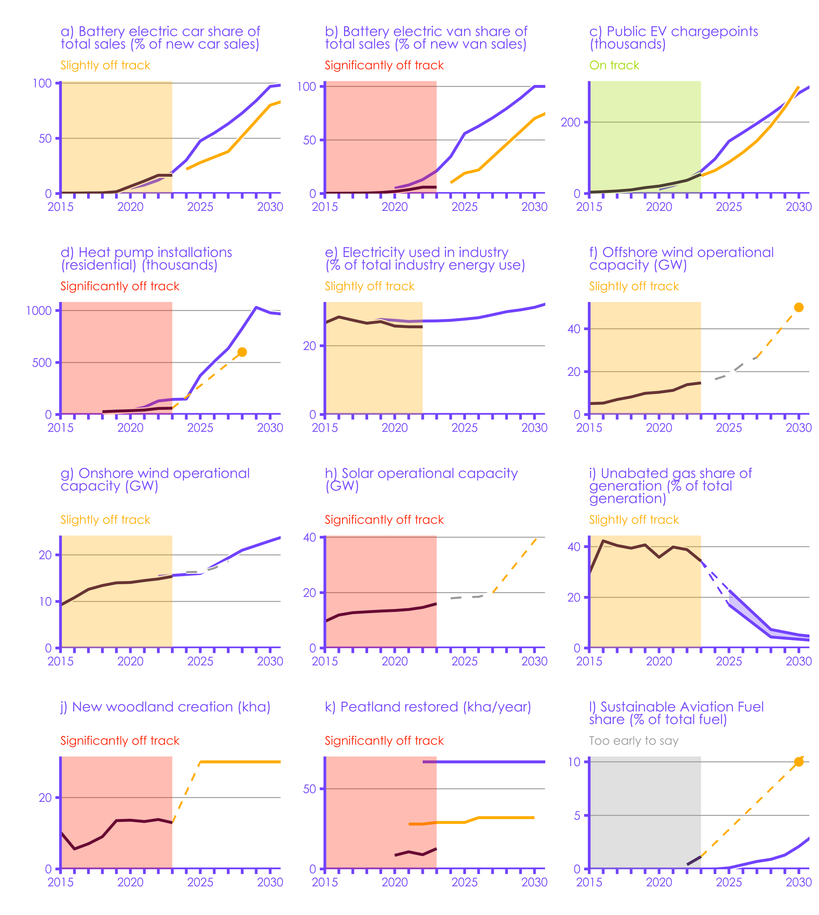

Historical data
CCC Balanced Pathway
Government ambition
 | Source: Refer to the Monitoring Framework, available on our website, for full documentation on the CCC’s indicators, including historical data sources and data gaps. Notes: *For renewable energy generation, the pipeline represents the capacity of future projects which have signed Contracts for Difference. There is risk of delivery falling short of these pipeline numbers. (1) An indicator is on track if it is going in the right direction at an appropriate rate. This is determined by comparing the historical data to Government ambition or the CCC’s recommended path, and considering the wider contextual factors that may have a temporary impact (e.g., recovery from COVID-19). Government ambition is an umbrella term encompassing stated targets, projections, and modelling assumptions – and does not necessarily represent a formal commitment from the Government. (2) Dashed lines indicate the linear rate of change that would be required to meet the target, whereas solid lines show modelled pathways. (3) The Government ambition lines in charts (a) and (b) show the minimum requirements in the ZEV mandate – the CBDP assumes uptake exceeds these minimum levels. (4) Since last year’s UK Progress Report, we have changed our data source for heat pump installations in chart (d) to: Heat Pump Association, Statistics – Heat Pumps. (5) This solar historical data in chart (h) does not include all commercial-scale rooftop solar, so may be an underestimate. We will continue to monitor this in future progress reports.

 |  | ID | Sector | Indicator name | Time Series | Unit | 1990
 |  | AL13 | Agriculture & land use | AL13: Peatland restored | Historical | kha/year
 |  | AL13 | Agriculture & land use | AL13: Peatland restored | CCC milestone | kha/year
 |  | AL13 | Agriculture & land use | AL13: Peatland restored | Gov milestone (central) | kha/year
 |  | AL14 | Agriculture & land use | AL14: New woodland creation | Historical | k ha | 21.3
 |  | AL14 | Agriculture & land use | AL14: New woodland creation | CCC milestone | k ha
...

3.3
Contents

 | Figure 3.3 Annual share of new vehicles sales that are battery-electric vehicles
 | Netherlands | France | Germany | Ireland | UK
2010 | 0.000 | 0.000 | 0.000 |  | 0.000
2011 | 0.002 | 0.001 | 0.000 |  | 0.001
2012 | 0.002 | 0.003 | 0.001 |  | 0.001
2013 | 0.006 | 0.005 | 0.002 |  | 0.001
2014 | 0.007 | 0.006 | 0.003 |  | 0.003
2015 | 0.008 | 0.009 | 0.004 | 0.004 | 0.004
2016 | 0.011 | 0.011 | 0.003 | 0.003 | 0.004
2017 | 0.014 | 0.012 | 0.007 | 0.005 | 0.005
2018 | 0.039 | 0.014 | 0.011 | 0.010 | 0.007
2019 | 0.099 | 0.019 | 0.018 | 0.030 | 0.017
2020 | 0.129 | 0.065 | 0.068 | 0.046 | 0.068
2021 | 0.121 | 0.093 | 0.136 | 0.083 | 0.116
2022 | 0.165 | 0.124 | 0.176 | 0.149 | 0.168
2023 | 0.217 | 0.165 | 0.178 | 0.188 | 0.165
 | Source: UK & EU Data: IEA (2023) Global EV Outlook 2023. Notes: Plug-in Hybrid Electric Vehicles (PHEV) are not included in this analysis.

 |  |  | 2010 | 2011 | 2012
 |  | UK | 0.000 | 0.001 | 0.001
 |  | Netherlands | 0.000 | 0.002 | 0.002
...

3.4
Contents

 | Figure 3.4 Annual heat pump installations per household
 | Netherlands | France | Germany | Ireland | UK
2011 | 0.005 | 0.005 | 0.001 | 0.001 | 0.001
2012 | 0.004 | 0.005 | 0.001 | 0.001 | 0.001
2013 | 0.005 | 0.016 | 0.002 | 0.001 | 0.001
2014 | 0.006 | 0.011 | 0.002 | 0.001 | 0.001
2015 | 0.006 | 0.013 | 0.002 | 0.002 | 0.001
2016 | 0.009 | 0.015 | 0.002 | 0.003 | 0.001
2017 | 0.010 | 0.016 | 0.002 | 0.002 | 0.001
2018 | 0.014 | 0.019 | 0.002 | 0.002 | 0.001
2019 | 0.020 | 0.029 | 0.003 | 0.007 | 0.001
2020 | 0.046 | 0.032 | 0.003 | 0.008 | 0.001
2021 | 0.044 | 0.036 | 0.004 | 0.013 | 0.002
 | Source: Nesta analysis of the 2021EurObsev’ER Heat pumps barometer data. Notes: considering all heat pump technologies.

 |  |  | 2011 | 2012 | 2013 | 2014 | 2015
 |  | UK | 0.001 | 0.001 | 0.001 | 0.001 | 0.001
 |  | Netherlands | 0.005 | 0.004 | 0.005 | 0.006 | 0.006
...

3.5
Contents

 | Figure 3.5 Annual share of electricity generated from renewable sources
 | Netherlands | Germany | Ireland | UK
2000 | 0.011 | 0.055 | 0.046 | 0.016
2001 | 0.010 | 0.058 | 0.038 | 0.013
2002 | 0.011 | 0.067 | 0.052 | 0.016
2003 | 0.015 | 0.063 | 0.042 | 0.011
2004 | 0.020 | 0.078 | 0.051 | 0.017
2005 | 0.022 | 0.079 | 0.068 | 0.020
2006 | 0.030 | 0.085 | 0.086 | 0.022
2007 | 0.035 | 0.103 | 0.093 | 0.026
2008 | 0.041 | 0.105 | 0.113 | 0.032
2009 | 0.042 | 0.111 | 0.138 | 0.039
2010 | 0.035 | 0.115 | 0.121 | 0.036
2011 | 0.047 | 0.145 | 0.188 | 0.060
2012 | 0.052 | 0.162 | 0.178 | 0.073
2013 | 0.061 | 0.169 | 0.201 | 0.098
2014 | 0.065 | 0.184 | 0.227 | 0.124
2015 | 0.080 | 0.216 | 0.263 | 0.160
2016 | 0.087 | 0.215 | 0.226 | 0.156
2017 | 0.111 | 0.256 | 0.266 | 0.198
2018 | 0.127 | 0.272 | 0.303 | 0.225
2019 | 0.142 | 0.318 | 0.356 | 0.251
2020 | 0.196 | 0.354 | 0.392 | 0.301
2021 | 0.243 | 0.317 | 0.336 | 0.266
2022 | 0.321 | 0.358 | 0.358 | 0.308
2023 | 0.411 | 0.433 | 0.405 | 0.354
 | Source: UK data: Department for Energy Security and Net Zero (2024) Energy Trends. EU data: Eurostat via Ember. Notes: renewables are defined as technology including onshore and offshore wind, solar power, hydroelectricity and other technologies including geothermal, tidal and wave generation. In line with previous CCC assumptions, bioenergy is not considered as a renewable resource.
...

3.6
Contents

 | Figure 3.6 Indicators of key enablers of the transition
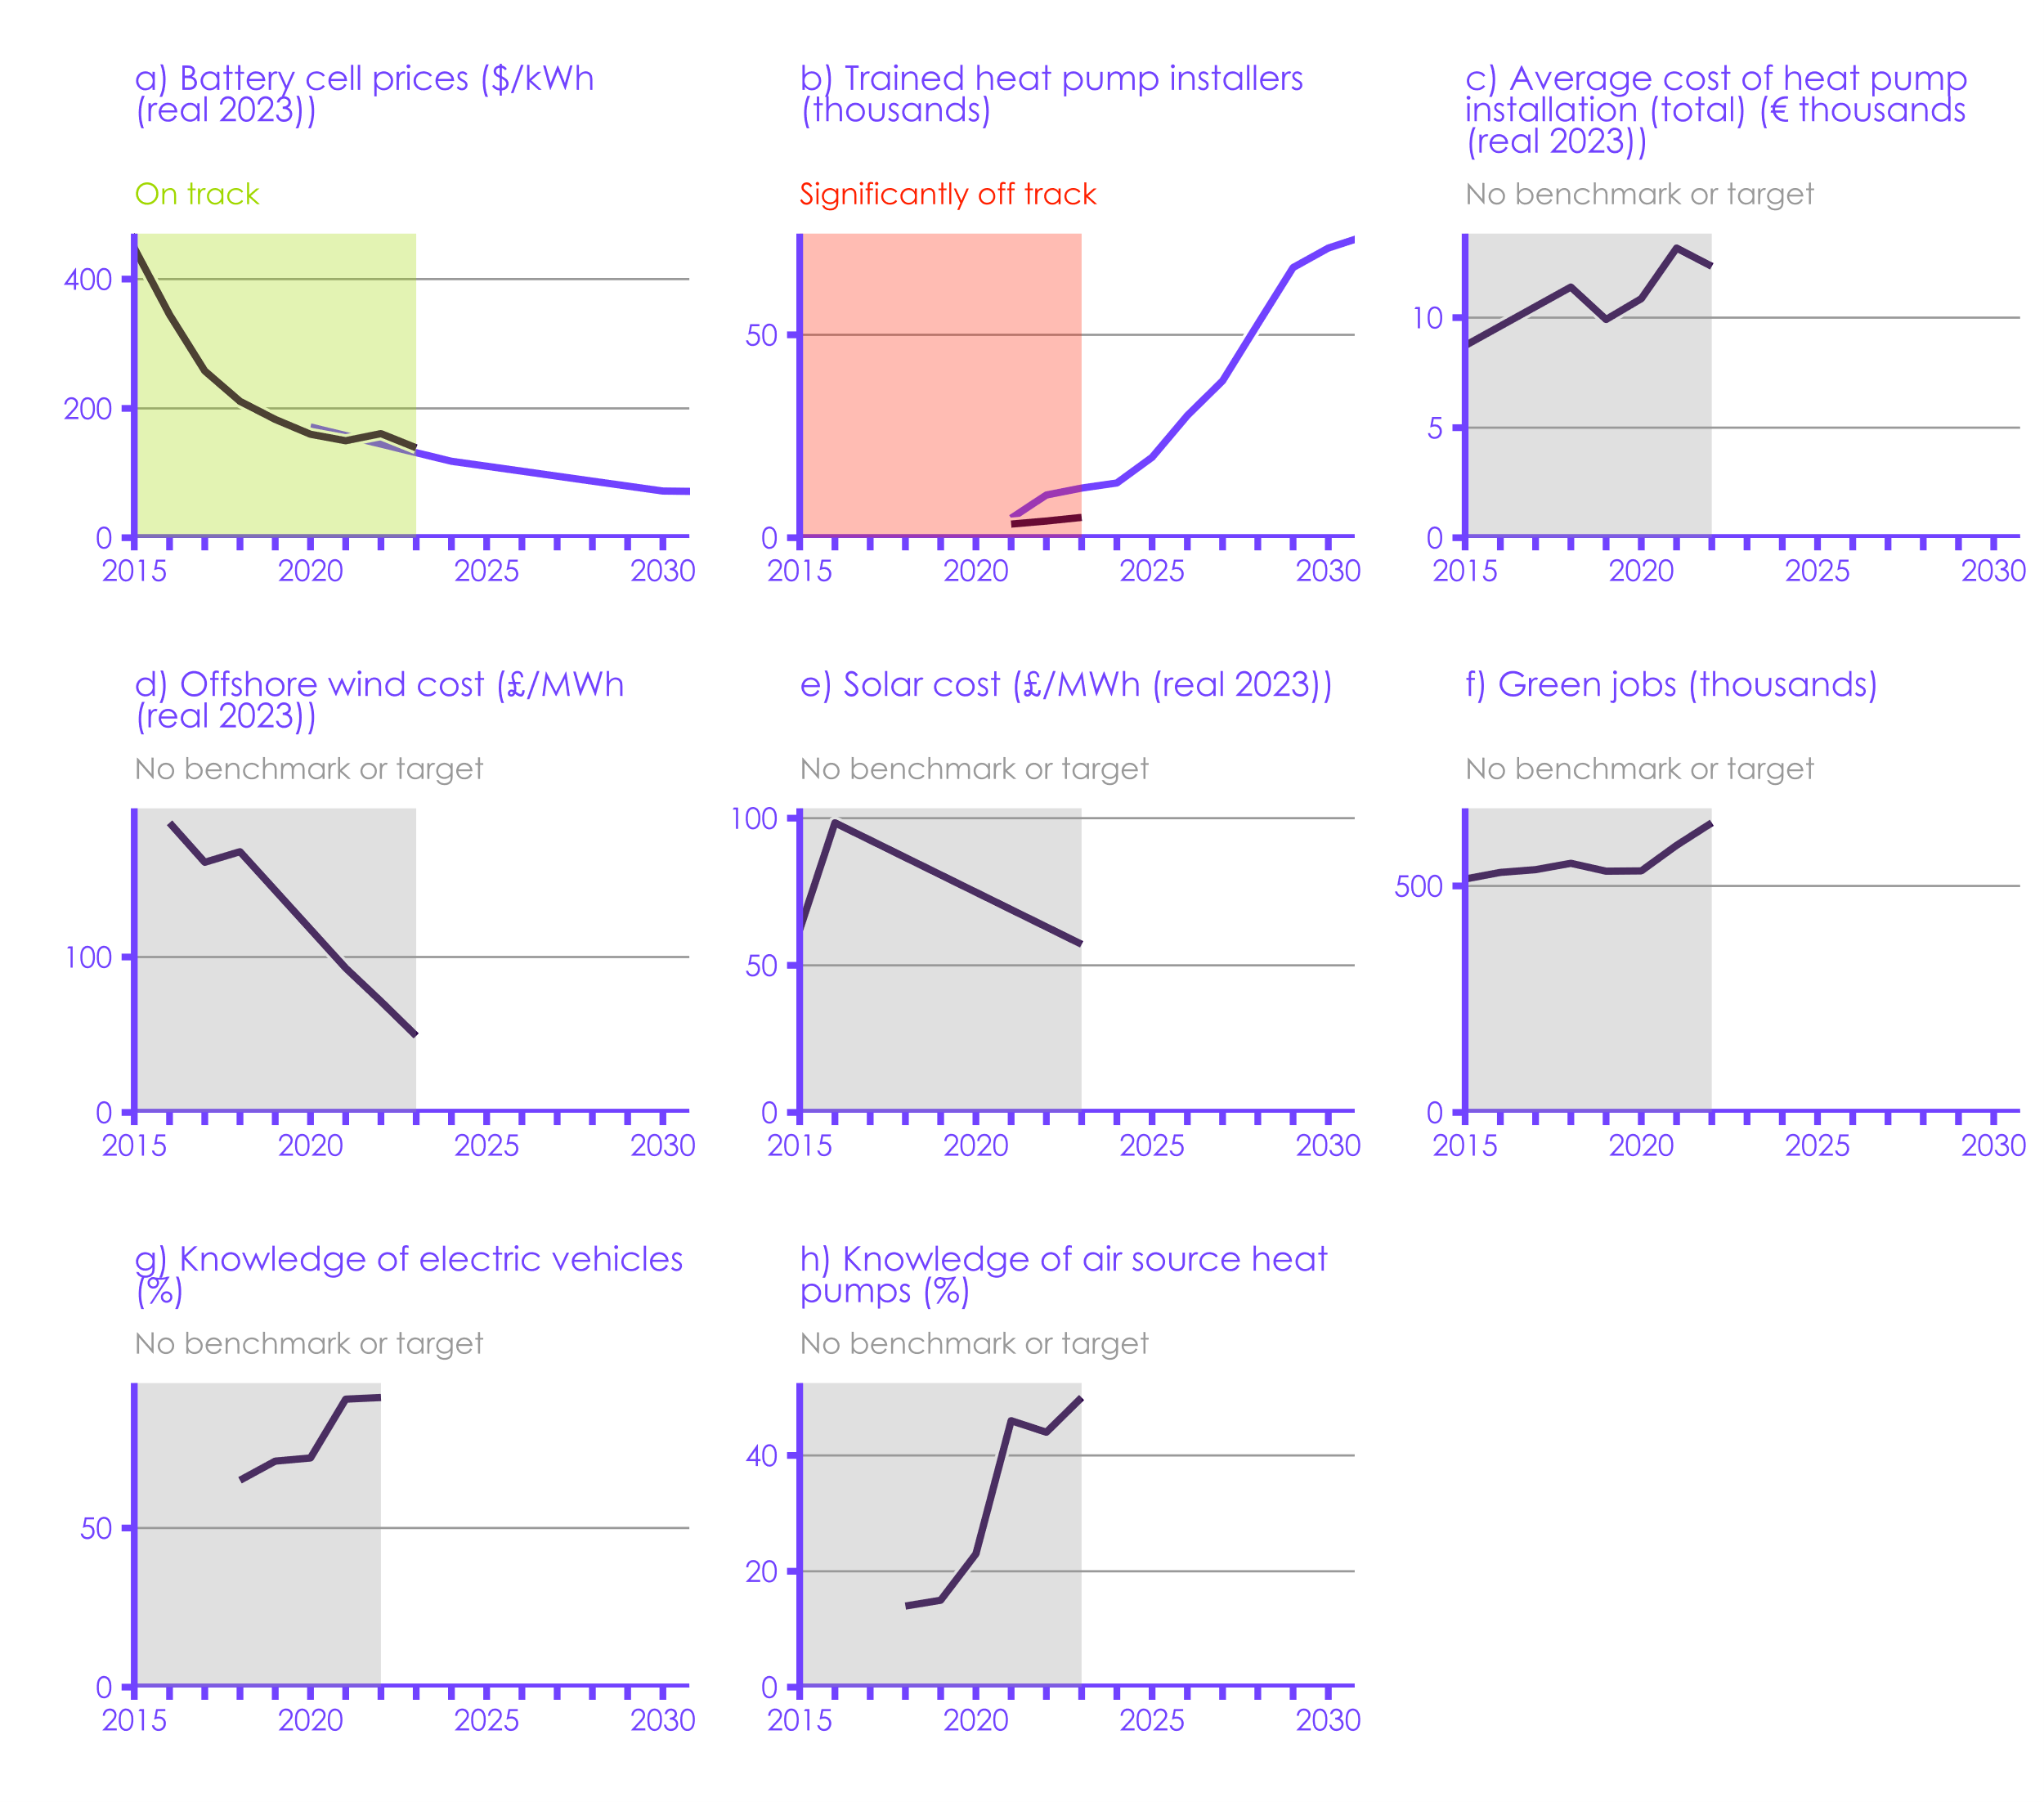

Historical data
CCC Balanced Pathway
Government ambition
 | Source: Refer to the Monitoring Framework, available on our website, for full documentation on the CCC’s indicators, including historical data sources and data gaps. Notes: An indicator is on track if it is going in the right direction at an appropriate rate. This is determined by comparing the historical data to Government ambition or the CCC’s recommended path, and considering the wider contextual factors that may have a temporary impact (e.g., recovery from COVID-19). Government ambition is an umbrella term encompassing stated targets, projections, and modelling assumptions – and does not necessarily represent a formal commitment from the Government. For graph (h), the response options provided to survey participants changed from 2020 to 2021, so data before and after this change may not be directly comparable. While the excluded answer options are almost the same, having additional answer options that count as part of the ‘knowledge’ category could skew the results.

 |  | ID | Sector | Indicator name | Time Series | Unit | 1990
 |  | BD508 | Buildings | BD508: Average cost of heat pump installation (total) | Historical | € (real 2023)
 |  | BD801 | Buildings | BD801: Number of trained heat pump installers | Historical | #
 |  | BD801 | Buildings | BD801: Number of trained heat pump installers | CCC milestone | #
...

4.1
Contents

 | Figure 4.1 Progress on last year’s priority recommendations to the UK Government
 | Good progress | Moderate progress | Some but insufficient progress | No progress | Too early to tell
HMT | 0 | 0 | 1 | 0 | 0
DBT | 0 | 1 | 0 | 0 | 0
DLUHC | 0 | 0 | 1 | 1 | 0
DfT | 1 | 0 | 0 | 1 | 0
Defra | 0 | 0 | 2 | 1 | 0
DESNZ | 1 | 1 | 7 | 9 | 0
 | Source: CCC analysis. Notes: See the supplementary material for our assessment of each individual recommendation.

 |  |  | Good progress | Moderate progress | Some but insufficient progress | No progress | Too early to tell
 |  | HMT | 0 | 0 | 1 | 0 | 0
 |  | DBT | 0 | 1 | 0 | 0 | 0
 |  | DLUHC | 0 | 0 | 1 | 1 | 0
 |  | DfT | 1 | 0 | 0 | 1 | 0
 |  | Defra | 0 | 0 | 2 | 1 | 0
...
 | Good progress | Moderate progress | Some but insufficient progress | No progress | Too early to tell
Industry | 0 | 1 | 0 | 0 | 0
Buildings | 0 | 0 | 0 | 0 | 5
Agriculture & land use | 0 | 0 | 2 | 1 | 0
Surface transport | 0 | 0 | 0 | 1 | 1
Waste | 0 | 0 | 1 | 0 | 3
Cross-cutting | 0 | 0 | 1 | 1 | 0
 |  | No progress | Too early to tell | Not scored | New recommendation | Blank
 |  | 0 | 0 | 0 | 2 | 0
 |  | 0 | 5 | 0 | 4 | 0
 |  | 1 | 0 | 0 | 1 | 0
 |  | 1 | 1 | 0 | 0 | 0
 |  | 0 | 0 | 0 | 0 | 0
 |  | 0 | 0 | 0 | 0 | 0
 |  | 0 | 0 | 0 | 0 | 0
 |  | 0 | 0 | 0 | 2 | 0
 |  | 0 | 0 | 0 | 0 | 0
 |  | 0 | 3 | 0 | 0 | 0
 |  | 0 | 0 | 0 | 2 | 0
 |  | 0 | 0 | 0 | 0 | 0
 |  | 1 | 0 | 0 | 7 | 0
 |  | 3 | 9 | 0 | 18 | 0
...

4.2
Contents

 | Figure 4.2 Progress on last year’s priority recommendations to the devolved administrations

 | Source: CCC analysis. Notes: See the supplementary material for our assessment of each individual recommendation. For the Scottish Government, this scoring reflects our assessment of progress in our recent annual Scotland Progress Report, which was published in March 2024. Further details of our assessment can be found in that report.

 |  | Dep | Good progress | Moderate progress | Some but insufficient progress | No progress | Too early to tell
 |  | N. Ireland | 1 | 0 | 1 | 1 | 1
 |  | Wales | 1 | 4 | 4 | 5 | 2
 |  | Scotland | 3 | 2 | 7 | 2 | 0
...
 | Good progress | Moderate progress | Some but insufficient progress | No progress | Too early to tell
Industry | 0 | 1 | 0 | 0 | 0
Buildings | 0 | 0 | 0 | 0 | 5
Agriculture & land use | 0 | 0 | 2 | 1 | 0
Surface transport | 0 | 0 | 0 | 1 | 1
Waste | 0 | 0 | 1 | 0 | 3
Cross-cutting | 0 | 0 | 1 | 1 | 0
 |  | No progress | Too early to tell | Not scored | New recommendation | Blank
 |  | 0 | 0 | 0 | 2 | 0
 |  | 0 | 5 | 0 | 4 | 0
 |  | 1 | 0 | 0 | 1 | 0
 |  | 1 | 1 | 0 | 0 | 0
 |  | 0 | 0 | 0 | 0 | 0
 |  | 0 | 0 | 0 | 0 | 0
 |  | 0 | 0 | 0 | 0 | 0
 |  | 0 | 0 | 0 | 2 | 0
 |  | 0 | 0 | 0 | 0 | 0
 |  | 0 | 3 | 0 | 0 | 0
 |  | 0 | 0 | 0 | 2 | 0
 |  | 0 | 0 | 0 | 0 | 0
 |  | 1 | 0 | 0 | 7 | 0
 |  | 3 | 9 | 0 | 18 | 0
...

4.3
Contents

 | Figure 4.3 Assessment of policies and plans
 | Residual emissions for plot | Unquantified plans |  | Insufficient plans | Significant risks | Some risks | Credible plans |  | Target set before Net Zero | Target set after Net Zero | Target set before Net Zero | CBDP pathway
CB4 average (2023-2027) | 407.35 | 0.00 |  | 3.17 | 9.50 | 15.33 | 31.97 | 433.40 | 4.00 | -200.00 | -200.00 | 407.35
CB5 average (2028-2032) | 303.24 | 7.41 |  | 23.55 | 40.91 | 44.81 | 53.63 | 387.00 | 4.00 | -200.00 | -200.00 | 310.65
CB6 average (2033-2037) | 193.00 | 4.45 |  | 43.09 | 91.64 | 82.81 | 69.25 | 193.00 |  | -200.00 | -200.00 | 197.45
 | Source: DESNZ (2023) Carbon Budget Delivery Plan; DESNZ (2023) Energy and emissions projections: 2021 to 2040; BEIS (2021) Net Zero Strategy; CCC (2020) The Sixth Carbon Budget; CCC analysis. Notes: (1) This assessment uses Government plans listed in Annex B, Tables 5 & 6 of the Carbon Budget Delivery Plan (CBDP). See Annex 1 for the assessment criteria. (2) The baseline is an adjustment to the Government’s CBDP baseline, with the impact of some policies removed so that they can be assessed. Refer to our 2023 UK Progress Report for additional notes on our methodology. (3) We have adjusted the Government’s published CBDP pathway and baseline for land use to account for methodological changes between the 1990-2019 and 1990-2020 inventories. (4) For comparability, the CBDP’s emissions pathway for international aviation and shipping (IAS) has been added to the target values for CB4, CB5 and the NDC. (5) The CBDP projections include only the quantified plans. Unquantified plans may lead to further emissions reductions.

 |  |  | CB4 average (2023-2027) | CB5 average (2028-2032) | CB6 average (2033-2037)

 |  | Baseline | 467.61 | 473.05 | 483.50
 |  | Credible plans | 31.97 | 53.63 | 69.25
 |  | Some risks | 15.33 | 44.81 | 82.81
 |  | Significant risks | 9.50 | 40.91 | 91.64
 |  | Insufficient plans | 3.17 | 23.55 | 43.09
...

4.4
Contents

 | Figure 4.4 Changes in our assessments of policies and plans for the 2030 NDC by sector between our 2023 Progress Report and this assessment
 | Residual emissions for plot |  | Insufficient plans |  | Significant risks |  | Some risks |  | Credible plans |  | Extra red for plot |  | CBDP pathway |  | Baseline
2023 | 75 | 2023 | 5 | 2023 | 9 | 2023 | 11 | 2023 | 17 | 2023 |  | Surface transport | 75 | Surface transport | 117
2024 | 75 | 2024 | 6 | 2024 | 10 | 2024 | 4 | 2024 | 22 | 2024 | 0 |  | 75 |  | 117
2023 | 64 | 2023 | 1 | 2023 | 13 | 2023 | 7 | 2023 | 0 | 2023 |  | Buildings | 64 | Buildings | 85
2024 | 64 | 2024 | 5 | 2024 | 9 | 2024 | 7 | 2024 | 0 | 2024 | 0 |  | 64 |  | 85
2023 | 35 | 2023 | 17 | 2023 | 3 | 2023 | 3 | 2023 | 1 | 2023 |  | Industry | 35 | Industry | 59
2024 | 35 | 2024 | 9 | 2024 | 2 | 2024 | 6 | 2024 | 7 | 2024 | 0 |  | 35 |  | 59
2023 | 7 | 2023 | 0 | 2023 | 0 | 2023 | 28 | 2023 | 19 | 2023 |  | Electricity supply | 7 | Electricity supply | 54
2024 | 7 | 2024 | 0 | 2024 | 4 | 2024 | 23 | 2024 | 19 | 2024 | 0 |  | 7 |  | 54
2023 | 41 | 2023 | 1 | 2023 | 3 | 2023 | 0 | 2023 | 0 | 2023 |  | Agriculture | 41 | Agriculture | 46
2024 | 41 | 2024 | 1 | 2024 | 1 | 2024 | 2 | 2024 | 0 | 2024 | 0 |  | 41 |  | 46
2023 | 36 | 2023 | 0 | 2023 | 3 | 2023 | 0 | 2023 | 0 | 2023 |  | Aviation | 36 | Aviation | 39
2024 | 36 | 2024 | 0 | 2024 | 2 | 2024 | 1 | 2024 | 0 | 2024 | 0 |  | 36 |  | 39
2023 | 0 | 2023 | 1 | 2023 | 1 | 2023 | 0 | 2023 | 0 | 2023 | -1 | Land use | -1 | Land use | 3
2024 | 0 | 2024 | 1 | 2024 | 1 | 2024 | 0 | 2024 | 0 | 2024 | -1 |  | -1 |  | 3
2023 | 0 | 2023 | -3 | 2023 | -3 | 2023 | 0 | 2023 | 0 | 2023 |  | Engineered removals | -6 | Engineered removals | 0
2024 | 0 | 2024 | 0 | 2024 | -6 | 2024 | 0 | 2024 | 0 | 2024 | 0 |  | -6 |  | 0
 | Source: CCC analysis. Notes: This chart only shows sectors in which our assessment of policies and plans for the 2030 NDC has changed between our 2023 and 2024 UK Progress Reports.

 |  |  | Surface transport |  | Buildings |  | Industry
 |  |  | 2023 | 2024 | 2023 | 2024 | 2023
 |  | Residual emissions for plot | 75 | 75 | 64 | 64 | 35
 |  | Credible plans | 17 | 22 | 0 | 0 | 1
 |  | Some risks | 11 | 4 | 7 | 7 | 3
...

