Intro

Monthly Provisional UK Sea Fisheries Statistics March 2021

This workbook was updated 28th April 2021

Contents
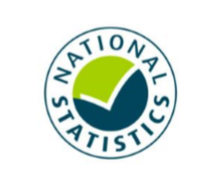
Highlights - Time Series | Highlights - Live weight landings (t) and Value (£000's) by month and cumulative totals over the year.
Highlights - Time Series Data | Highlights - Breakdown of data used for time series graphs by each month in 2019, 2020 & 2021
Highlights - March | Highlights - March 2021 (compared to same month in 2019 & 2020)
Table 1 | Landings by UK vessels into all ports (Live weight (tonnes) and Value (£000's)) by vessel nationality, vessel length and species group (Summary)
Table 1a | Landings of UK vessels into UK ports (Live weight (tonnes) and Value (£000's)) by vessel nationality, vessel length and species group (Summary)
Table 1b | Landings of UK vessels into Foreign ports (Live weight (tonnes) and Value (£000's)) of UK vessels into Foreign ports by vessel nationality, vessel length and species group (Summary)
Table 2 | Landings of UK vessels into UK ports (Live weight (tonnes), Value (£000's) and Price (£/tonne)) by Species
Table 3 | Landings of UK vessels into all ports (Live weight (tonnes), Value (£000's) and Price (£/tonne)) by Species
Table 4 | Landings of foreign vessels into the UK (Live weight (tonnes), Value (£000's) and Price (£/tonne)) by species
Table 5 | Landings into UK ports by all vessels (Live weight (tonnes) and Value (£000's)) by country of landing and port
Table 6 | Landings by all UK vessels into all ports (Live weight (t) and Value (£000's)) by species group and vessel nationality
Table 7 | Landings (Live weight (t) and Value (£000's)) and number of trips of UK vessels in all ports by country and vessel length
Table 8 | Quantity of landings (t) and value landed (£000's) by UK vessels and Foreign vessels into the UK in last 3 years

Intro

This is a National Statistics publication. This notice provides an overview of the reported weight and value of landings by UK vessels into the UK and abroad, and by foreign vessels into the UK. Data are used to provide analysis and evidence to researchers and the media and to respond to ad-hoc requests from fishers, other fishing organisations and the general public. They are also used to formulate and monitor fishing policy for fisheries administrations. This data is provisional and represents the best available data the MMO holds on fishing activity by the UK fleet and into the UK. Data will be revised each month and lags will be reviewed following protocol documented here: https://www.gov.uk/guidance/fishing-activity-and-landings-data-collection-and-processing. The raw data that feeds into this publication is equivalent to the data used to produce our regular national statistics and is processed and collected as outlined above. We welcome feedback on this publication: https://forms.gle/Qoaty1byCddJYryb9.

Highlights - Time Series
Highlights - Live weight landings (t) and Value (£000's) by month and cumulative totals over the year.
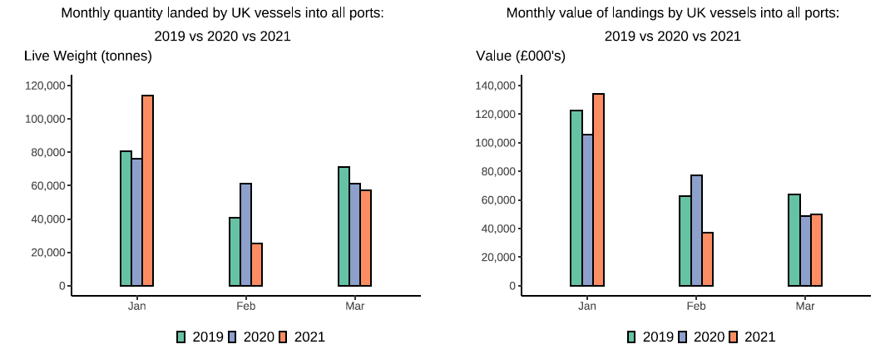

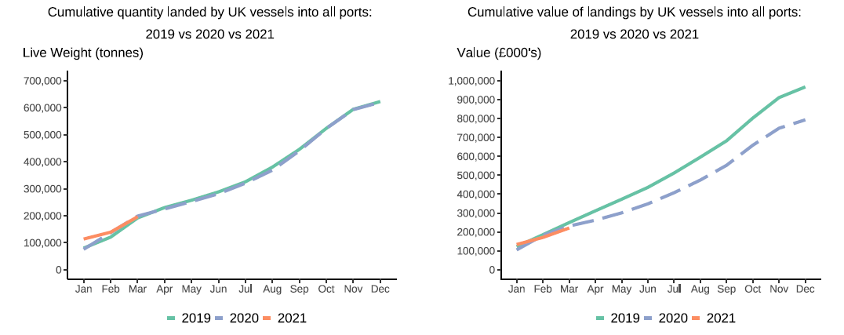

In this release, fishing activity recorded from January to March 2021 is compared to both 2019 and 2020. All quantities are reported as live weight tonnage and values are at first sale in pounds sterling (£).
2020 was an abnormal year for fishing activity due to the ongoing pandemic. In this release we therefore compare 2021 activity to 2020 and 2019, where 2019 was a relatively normal year for fishing activity.
From March 2020, the UK fishing fleet started to be affected by coronavirus, the impact of the pandemic has continued into 2021 due to the current lockdown measures in place in the UK. Cumulatively for January to March 2021, the value of landings is down 13 per cent and 6 per cent compared to 2019 and 2020 respectively. While the quantity of landings is slightly up by 1 per cent compared to 2019 but down by 3 per cent compared to 2020. This was driven by February 2021 activity seeing a large drop in both Value and quantity landed from the previous month of January caused by a large reduction in Scottish Pelagic vessel activity. Landings of pelagic species by Scottish vessels were 77 thousand tonnes in January 2021 dropping to just 4 thousand tonnes in February 2021. However, in March this activity has seen an increase to 37 thousand tonnes. This has shifted the cumulative totals back in line with the January to March in both 2019 and 2020.
For breakdown and comparisons of value and quantity landed for individual months see Highlights - Time Series Data tab.

Highlights - March
Highlights - March 2021

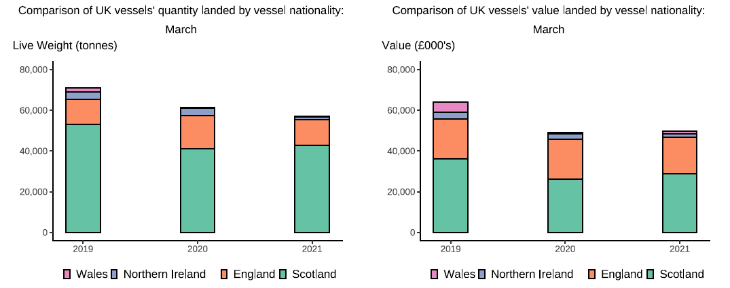

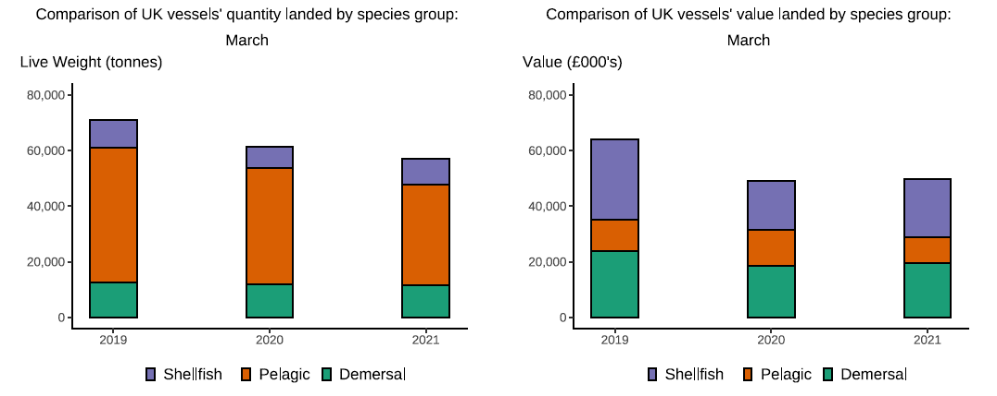

Here, fishing activity recorded in March 2021 is compared to activity in March 2019 and March 2020. All quantities are reported as live weight tonnes and values are at first sale in pounds sterling (£000's).
2020 was an abnormal year for fishing activity due to the ongoing pandemic. In this release we therefore compare 2021 activity to 2020 and 2019, where 2019 was a relatively normal year for fishing activity.
The overall quantity of landings (tonnes) decreased in March 2021 compared to March 2019 and 2020, down 20 per cent and 7 per cent respectively. The value of landings (£50M) also decreased in March 2021 compared to 2019 however increased compared to 2020, down 22 per cent and up 2 per cent respectively. The decrease compared to 2019 and 2020 is almost proportionate to the decrease in quantity landed (T1). Landings of pelagic species by Scottish vessels which were down last month compared to 2019 & 2020, have seen an increase however are still down compared to March 2019 (25 per cent decrease) with only a slight decrease compared to March 2020 (T6).
Similar to the effects seen in 2020 as well as January & February 2021, smaller vessels demersal sector are still seeing lower activity due to the pandemic. However, the Shellfish sector has seen an increase in both landings and value compared to 2020, a 23 per cent and 18 per cent increase respectively. However, when compared to March 2019, the value of shellfish landings by UK vessels in March 2021 are still down by 27 per cent. The value of demersal fish landings are down 19 per cent and the value of pelagic species are up 17 per cent (T6).
The value of landings by UK under 10m vessels are down 35 per cent in March 2021 compared to 2019. Landings by over 24m vessels are down 28 per cent and landings by 15-24m vessels are slightly down by 3 per cent (T7).
The total number of trips in March 2021 decreased by 4 per cent when compared to March 2019. This month Welsh vessels had the largest decrease in the number of trips, down slightly by 6 per cent compared to March 2019 driven by an 50 per cent decrease in the number of trips made by over 24m vessels.
Landings of UK vessels into foreign ports is lower overall in 2021 when compared to 2019 and 2020 (T1b). This is mostly driven by the decrease in landings by Scottish pelagic trageting vessels discussed above. Similar to activity by UK vessels into the UK (T1a), landings into foreign ports is down in 2021, largely driven by the overall decrease in the number of trips. EU Exit and current lockdowns in the UK and elsewhere are impacting trade and prices and therefore changing fishing behaviours.
The total quantity of landings into UK ports (by UK and foreign vessels) is down in March 2021 compared to 2019 and 2020 (down 12 and 10 per cent respectively). Value is also down compared to 2019 (a 19 per cent decrease) but up slightly compared to 2020 (a 2 per cent increase) (T5). The observed decrease in landings was driven by lower landings into Scottish and Welsh ports in March 2021 compared to 2019 & 2020 (T5).

