Cover_sheet
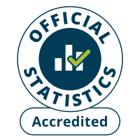 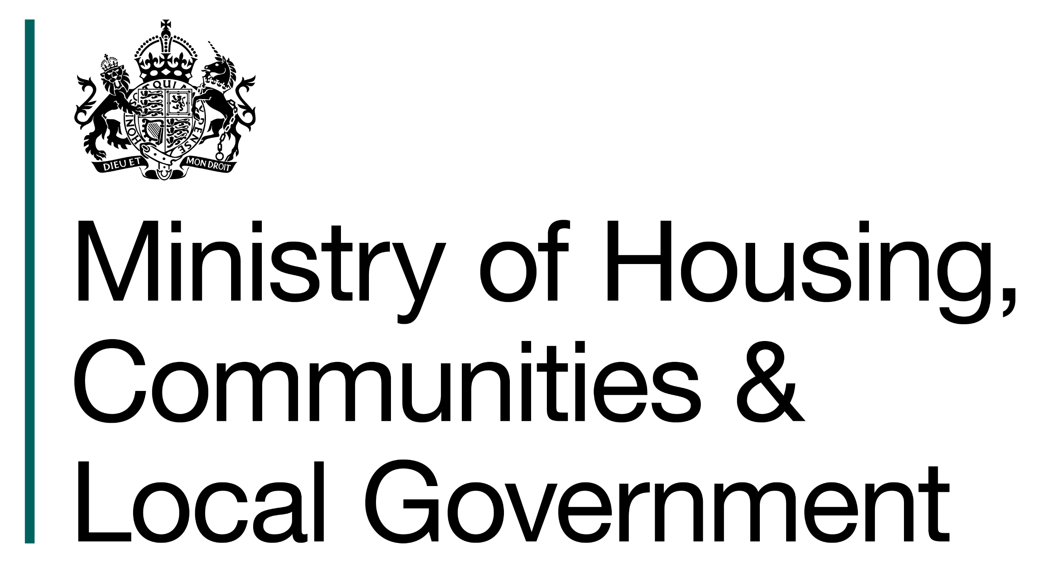
Fire and rescue incident statistics
England, year ending March 2026: data tables
Table 0101
Responsible Statistician: Paul Gaught-Allen
Email: FireStatistics@communities.gov.uk
Press enquiries: NewsDesk@communities.gov.uk
Published: 22 July 2026
Next update: 28 October 2026
Crown copyright © 2026
Contents
We’re always looking to improve the accessibility of our documents.
If you find any problems, or have any feedback, relating to accessibility
Please email us at firestatistics@communities.gov.uk

