Figure 1
Figure 1: Number of events held, decisions issued and median time between valid date & decision date; Nov-20 to Oct-21
 | Events | Decisions | Median weeks
 | 1,677 | 1,725 | 26.9
 | 1,382 | 1,698 | 23.9
 | 1,359 | 1,410 | 22.0
 | 1,371 | 1,446 | 20.9
 | 1,398 | 1,614 | 18.9
 | 1,348 | 1,081 | 21.9
 | 1,555 | 1,507 | 22.0
 | 1,668 | 1,530 | 21.9
 | 1,319 | 1,302 | 21.3
 | 1,251 | 1,212 | 24.0
 | 1,545 | 1,543 | 24.3
 | 1,304 | 1,238 | 26.4
Median time,
valid to decision (weeks)

Figure 2
Figure 2: Number of cases received, closed and open; Nov-20 to Oct-21
 | Received | Closed | Open excluding HH, HGW and TPOs | Open including HH, HGW and TPOs
Nov-20 | 1,695 | 1,884 | 10,367
Dec-20 | 1,776 | 1,868 | 10,233
Jan-21 | 1,631 | 1,572 | 10,314 | 10,880
Feb-21 | 1,759 | 1,622 | 10,447 | 11,001
Mar-21 | 1,965 | 1,833 | 10,719 | 11,293
Apr-21 | 1,718 | 1,237 | 11,183 | 11,725
May-21 | 1,678 | 1,667 | 11,223 | 11,733
Jun-21 | 1,793 | 1,741 | 11,266 | 11,823
Jul-21 | 1,740 | 1,490 | 11,509 | 11,987
Aug-21 | 1,706 | 1,369 | 11,961 | 12,525
Sep-21 | 1,770 | 1,735 | 12,015 | 12,592
Oct-21 | 1,694 | 1,430 | 12,314 | 12,873
Open cases

Figure 3
Figure 3 – Appeal Decisions; Nov-20 to Oct-21
 | Decisions
Nov-20 | 1,725
Dec-20 | 1,698
Jan-21 | 1,410
Feb-21 | 1,446
Mar-21 | 1,614
Apr-21 | 1,081
May-21 | 1,507
Jun-21 | 1,530
Jul-21 | 1,302
Aug-21 | 1,212
Sep-21 | 1,543
Oct-21 | 1,238

Figure 4 By Procedure
Figure 4 (l) – Appeal Decisions by Procedure; Nov-20 to Oct-21

Written Representations | 16,264
Hearings | 632
Inquiries | 410

Figure 4 by Casework Category
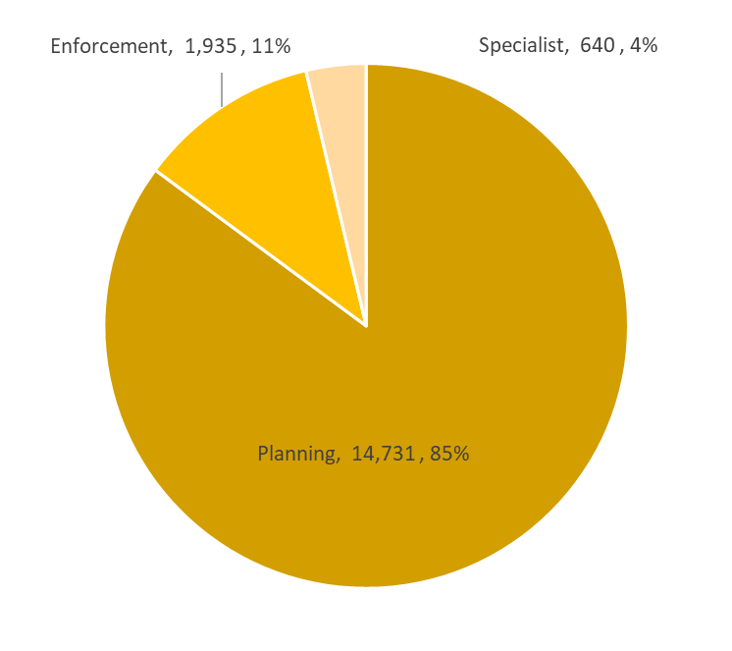
Figure 4 (r) – Appeal Decisions by Casework Category; Nov-20 to Oct-21

Figure 5
Figure 5: Mean and Median time to decision; Nov-20 to Oct-21
 | Valid to Decision (mean weeks) | Valid to Decision (median weeks)
Nov-20 | 28.5 | 26.9
Dec-20 | 27.8 | 23.9
Jan-21 | 27.7 | 22.0
Feb-21 | 26.7 | 20.9
Mar-21 | 23.9 | 18.9
Apr-21 | 27.3 | 21.9
May-21 | 26.2 | 22.0
Jun-21 | 28.3 | 21.9
Jul-21 | 27.3 | 21.3
Aug-21 | 31.0 | 24.0
Sep-21 | 28.6 | 24.3
Oct-21 | 31.0 | 26.4

Figure 6
Figure 6 – Median time to decision by casework area; Nov-20 to Oct-21

 | Planning Cases | Enforcement Cases | Specialist Cases
Nov-20 | 25.6 | 34.6 | 41.1
Dec-20 | 22.7 | 36.9 | 45.6
Jan-21 | 20.7 | 37.8 | 52.9
Feb-21 | 19.6 | 34.9 | 53.6
Mar-21 | 18.3 | 30.5 | 14.9
Apr-21 | 20.9 | 35.2 | 22.0
May-21 | 21.6 | 28.3 | 15.9
Jun-21 | 20.7 | 38.9 | 28.0
Jul-21 | 20.4 | 32.3 | 22.4
Aug-21 | 23.0 | 41.6 | 18.0
Sep-21 | 23.6 | 33.2 | 31.7
Oct-21 | 25.3 | 33.7 | 32.1

Figure 7
Figure 7: Mean, Median Time to Decision, Rosewell Inquiry Process; Nov-20 to Oct-21
 | Valid to Decision (mean weeks) | Valid to Decision (median weeks)
Nov-20 | 45.7 | 50.9
Dec-20 | 35.3 | 39.4
Jan-21 | 36.5 | 40.3
Feb-21 | 40.7 | 40.7
Mar-21 | 36.7 | 33.7
Apr-21 | 53.5 | 51.9
May-21 | 34.3 | 30.1
Jun-21 | 40.7 | 33.9
Jul-21 | 32.0 | 29.1
Aug-21 | 39.6 | 25.1
Sep-21 | 30.5 | 26.9
Oct-21 | 40.0 | 43.2

