Intro

Monthly Provisional UK Sea Fisheries Statistics August 2021

This workbook was updated 24th September 2021

Contents
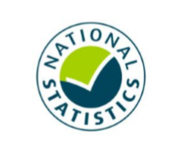
Highlights - Time Series | Highlights - Live weight landings (t) and Value (£000's) by month and cumulative totals over the year.
Highlights - Time Series Data | Highlights - Breakdown of data used for time series graphs by each month in 2019, 2020 & 2021
Highlights - August | Highlights - August 2021 (compared to same month in 2019 & 2020)
Table 1 | Landings by UK vessels into all ports (Live weight (tonnes) and Value (£000's)) by vessel nationality, vessel length and species group (Summary)
Table 1a | Landings of UK vessels into UK ports (Live weight (tonnes) and Value (£000's)) by vessel nationality, vessel length and species group (Summary)
Table 1b | Landings of UK vessels into Foreign ports (Live weight (tonnes) and Value (£000's)) of UK vessels into Foreign ports by vessel nationality, vessel length and species group (Summary)
Table 2 | Landings of UK vessels into UK ports (Live weight (tonnes), Value (£000's) and Price (£/tonne)) by Species
Table 3 | Landings of UK vessels into all ports (Live weight (tonnes), Value (£000's) and Price (£/tonne)) by Species
Table 4 | Landings of foreign vessels into the UK (Live weight (tonnes), Value (£000's) and Price (£/tonne)) by species
Table 5 | Landings into UK ports by all vessels (Live weight (tonnes) and Value (£000's)) by country of landing and port
Table 6 | Landings by all UK vessels into all ports (Live weight (t) and Value (£000's)) by species group and vessel nationality
Table 7 | Landings (Live weight (t) and Value (£000's)) and number of trips of UK vessels in all ports by country and vessel length
Table 8 | Quantity of landings (t) and value landed (£000's) by UK vessels and Foreign vessels into the UK in last 3 years

Intro

This is a National Statistics publication. This notice provides an overview of the reported weight and value of landings by UK vessels into the UK and abroad, and by foreign vessels into the UK. Data are used to provide analysis and evidence to researchers and the media and to respond to ad-hoc requests from fishers, other fishing organisations and the general public. They are also used to formulate and monitor fishing policy for fisheries administrations. This data is provisional and represents the best available data the MMO holds on fishing activity by the UK fleet and into the UK. Data will be revised each month and lags will be reviewed following protocol documented here: https://www.gov.uk/guidance/fishing-activity-and-landings-data-collection-and-processing. The raw data that feeds into this publication is equivalent to the data used to produce our regular national statistics and is processed and collected as outlined above.

Highlights - Time Series
Highlights - Time Series showing landings by month and cumulative totals over the year.
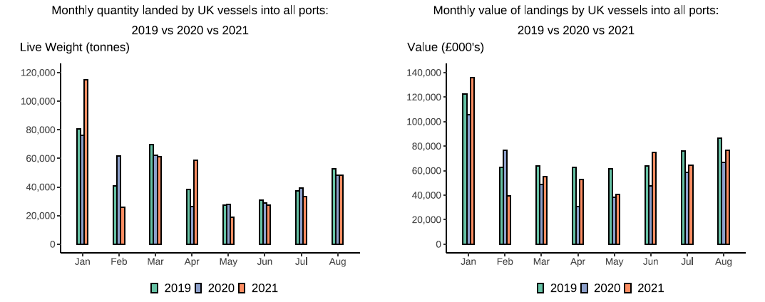

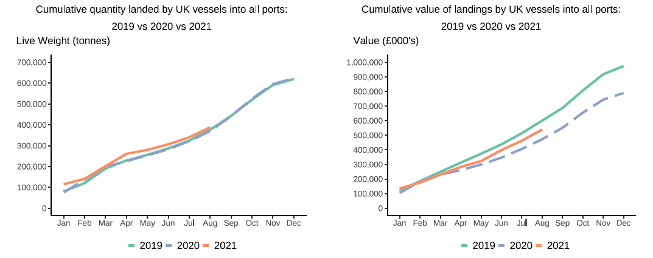

In this release, fishing activity recorded from January to August 2021 is compared to both 2019 and 2020. All quantities are reported as live weight tonnage and values are at first sale in pounds sterling (£).
2020 was an abnormal year for fishing activity due to the ongoing pandemic. In this release we therefore compare 2021 activity to 2020 and 2019, where 2019 was a relatively normal year for fishing activity.
Cumulatively for January to August 2021, the value of landings is down 10 per cent compared to 2019 but up by 14 per cent compared to 2020. While the quantity of landings is up 3 per cent and 5 per cent compared to 2019 and 2020 respectively. This was driven by an increase in Pelagic vessel activity in the last couple of months due to a switch in fishing behaviour to target Herring while the season for this stock is underway.
For breakdown and comparisons of value and quanity landed for individual months see Highlights - Time Series Data tab.

Highlights - August
Highlights - August 2021

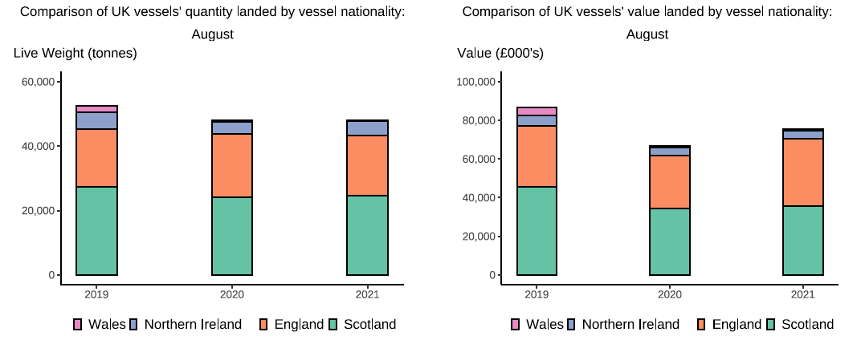

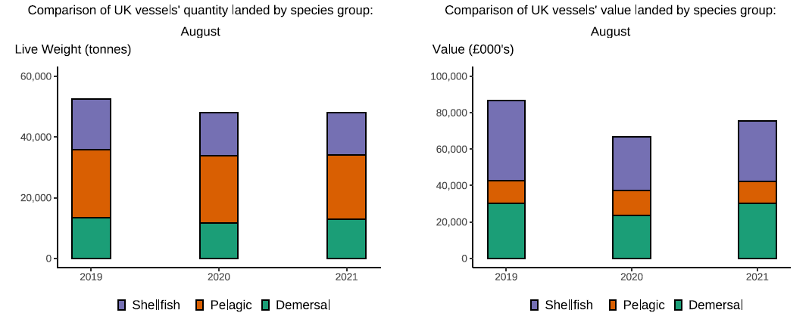

Here, fishing activity recorded in August 2021 is compared to activity in August 2019 and August 2020. All quantities are reported as live weight tonnes and values are at first sale in pounds sterling (£000's).
2020 was an abnormal year for fishing activity due to the ongoing pandemic. In this release we therefore compare 2021 activity to 2020 and 2019, where 2019 was a relatively normal year for fishing activity.
The total quantity of landings by UK vessels (tonnes) decreased in August 2021 compared to August 2019, down 9 per cent and slightly decreased compared to August 2020 (<1 per cent). The value of landings in June 2021 (£53m) increased when compared to 2020, up 13 per cent but was 13 per cent lower compared to 2019.
Landings of pelagic species by Scottish vessels have fluctuated over the first two quarters of the year. In August 2021, landings of pelagic species (21 thousand tonnes) have increased compared to July 2021 (145 per cent) but has slightly decreased compared to August 2019 and 2020 (down 6 and 4 per cent respectively) (T6). Landings in August 2021 consist mostly of pelagic species which usually fetch a lower price than demersal and shellfish species (T2).This is driven by increased uptake of herring – a key pelagic species – as this stock comes into season.
The demersal sector landed a larger quantity (10 per cent) compared to 2020. This has contributed to a 13 per cent increase in the value landed when compared to 2020. Much of this increase in the value landed is driven by higher prices for demersal species. When compared to August 2019, the value of demersal landings by UK vessels in August 2021 is down by 1 per cent however, when compared to 2020 the value of demersal landings is up by 26 per cent. The value of shellfish landings are down 24 per cent compared to 2019(T6).
This month, the number of trips has decreased from all UK nations with Scottish vessels having the largest decrease in the number of trips, down 35 per cent compared to August 2019 (T7).
Landings of UK vessels into foreign ports are down overall when compared to 2019 and 2020(T1b). The total quantity of landings into UK ports (by UK and foreign vessels) is down in August 2021 compared to 2019 and 2020 (by 13 and 1 per cent respectively). Value landed is down 14 per cent compared to 2019 and up 15 per cent compared to 2020(T5).

