Cover_sheet
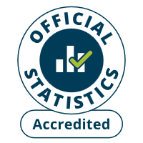
Fire and rescue incident statistics
England, year ending September 2025: data tables
Table 1404
Responsible Statistician: Ollie Gee
Email: Firestatistics@communities.gov.uk
Press enquiries: 0300 123 3535
Published: 29 January 2026
Next Update: January 2027
Crown copyright © 2026
Contents
We’re always looking to improve the accessibility of our documents.
If you find any problems, or have any feedback, relating to accessibility please email us at firestatistics@communities.gov.uk

