Cover_sheet
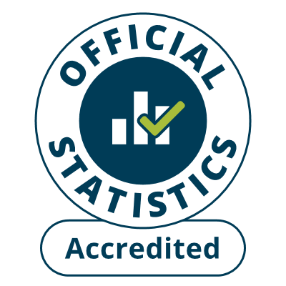
Fire and rescue incident statistics
England, year ending March 2024: data tables
Table 0301
Responsible Statistician: Helene Clark
Email: Firestatistics@homeoffice.gov.uk
Press enquiries: 0300 123 3535
Published: 25 July 2024
Next update: 24 October 2024
Crown copyright © 2024
Contents
We’re always looking to improve the accessibility of our documents.
If you find any problems, or have any feedback, relating to accessibility
please email us at firestatistics@homeoffice.gov.uk

