Cover sheet
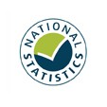
Detailed analysis of non-fire incidents
England, April 2020 to March 2021: data tables
Table 0906
Responsible Statistician: Paul Gaught-Allen
Email: Firestatistics@homeoffice.gov.uk
Press enquiries: 0300 123 3535
Published: 13 January 2022
Next update: Winter 2022/23
Crown copyright © 2022
Contents
We’re always looking to improve the accessibility of our documents.
If you find any problems, or have any feedback, relating to accessibility
please email us at firestatistics@homeoffice.gov.uk

