Cover sheet
 | 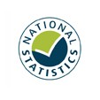
Detailed analysis of non-fire incidents
England, April 2021 to March 2022: data tables
Table 0909
Responsible Statistician: Helene Clark
Email: Firestatistics@homeoffice.gov.uk
Press enquiries: 0300 123 3535
Published: 19 January 2023
Next update: Winter 2023/24
Crown copyright © 2023
Contents
We’re always looking to improve the accessibility of our documents.
If you find any problems, or have any feedback, relating to accessibility
please email us at firestatistics@homeoffice.gov.uk

