Extra Figure 1
Regulator of Social Housing
Extra Figure 1: Owned PRP social rented stock by LA (weighted for non-response)

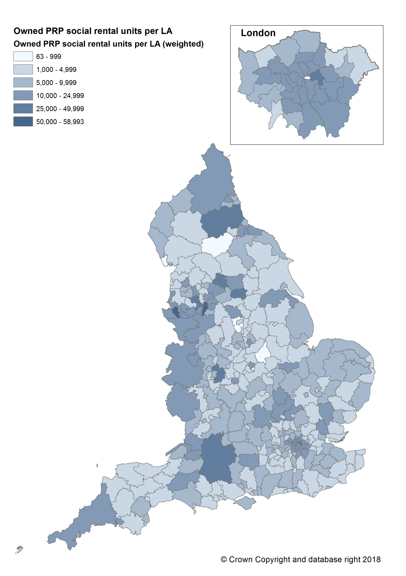

Contact
Telephone: Referals and Regulatory Enquires Team on 0300 1245 225
NROSHenquiries@rsh.gov.uk

Publication date: April 2019
Version: 1.3

Extra Figure 2
Regulator of Social Housing
Extra Figure 2: Owned PRP social rented stock per 1,000 total dwellings, by LA (weighted for non-response)



Contact
Telephone: Referals and Regulatory Enquires Team on 0300 1245 225
NROSHenquiries@rsh.gov.uk

Publication date: April 2019
Version: 1.3

Extra Figure 3
Regulator of Social Housing
Extra Figure 3: Number of PRPs owning social rented stock in each LA

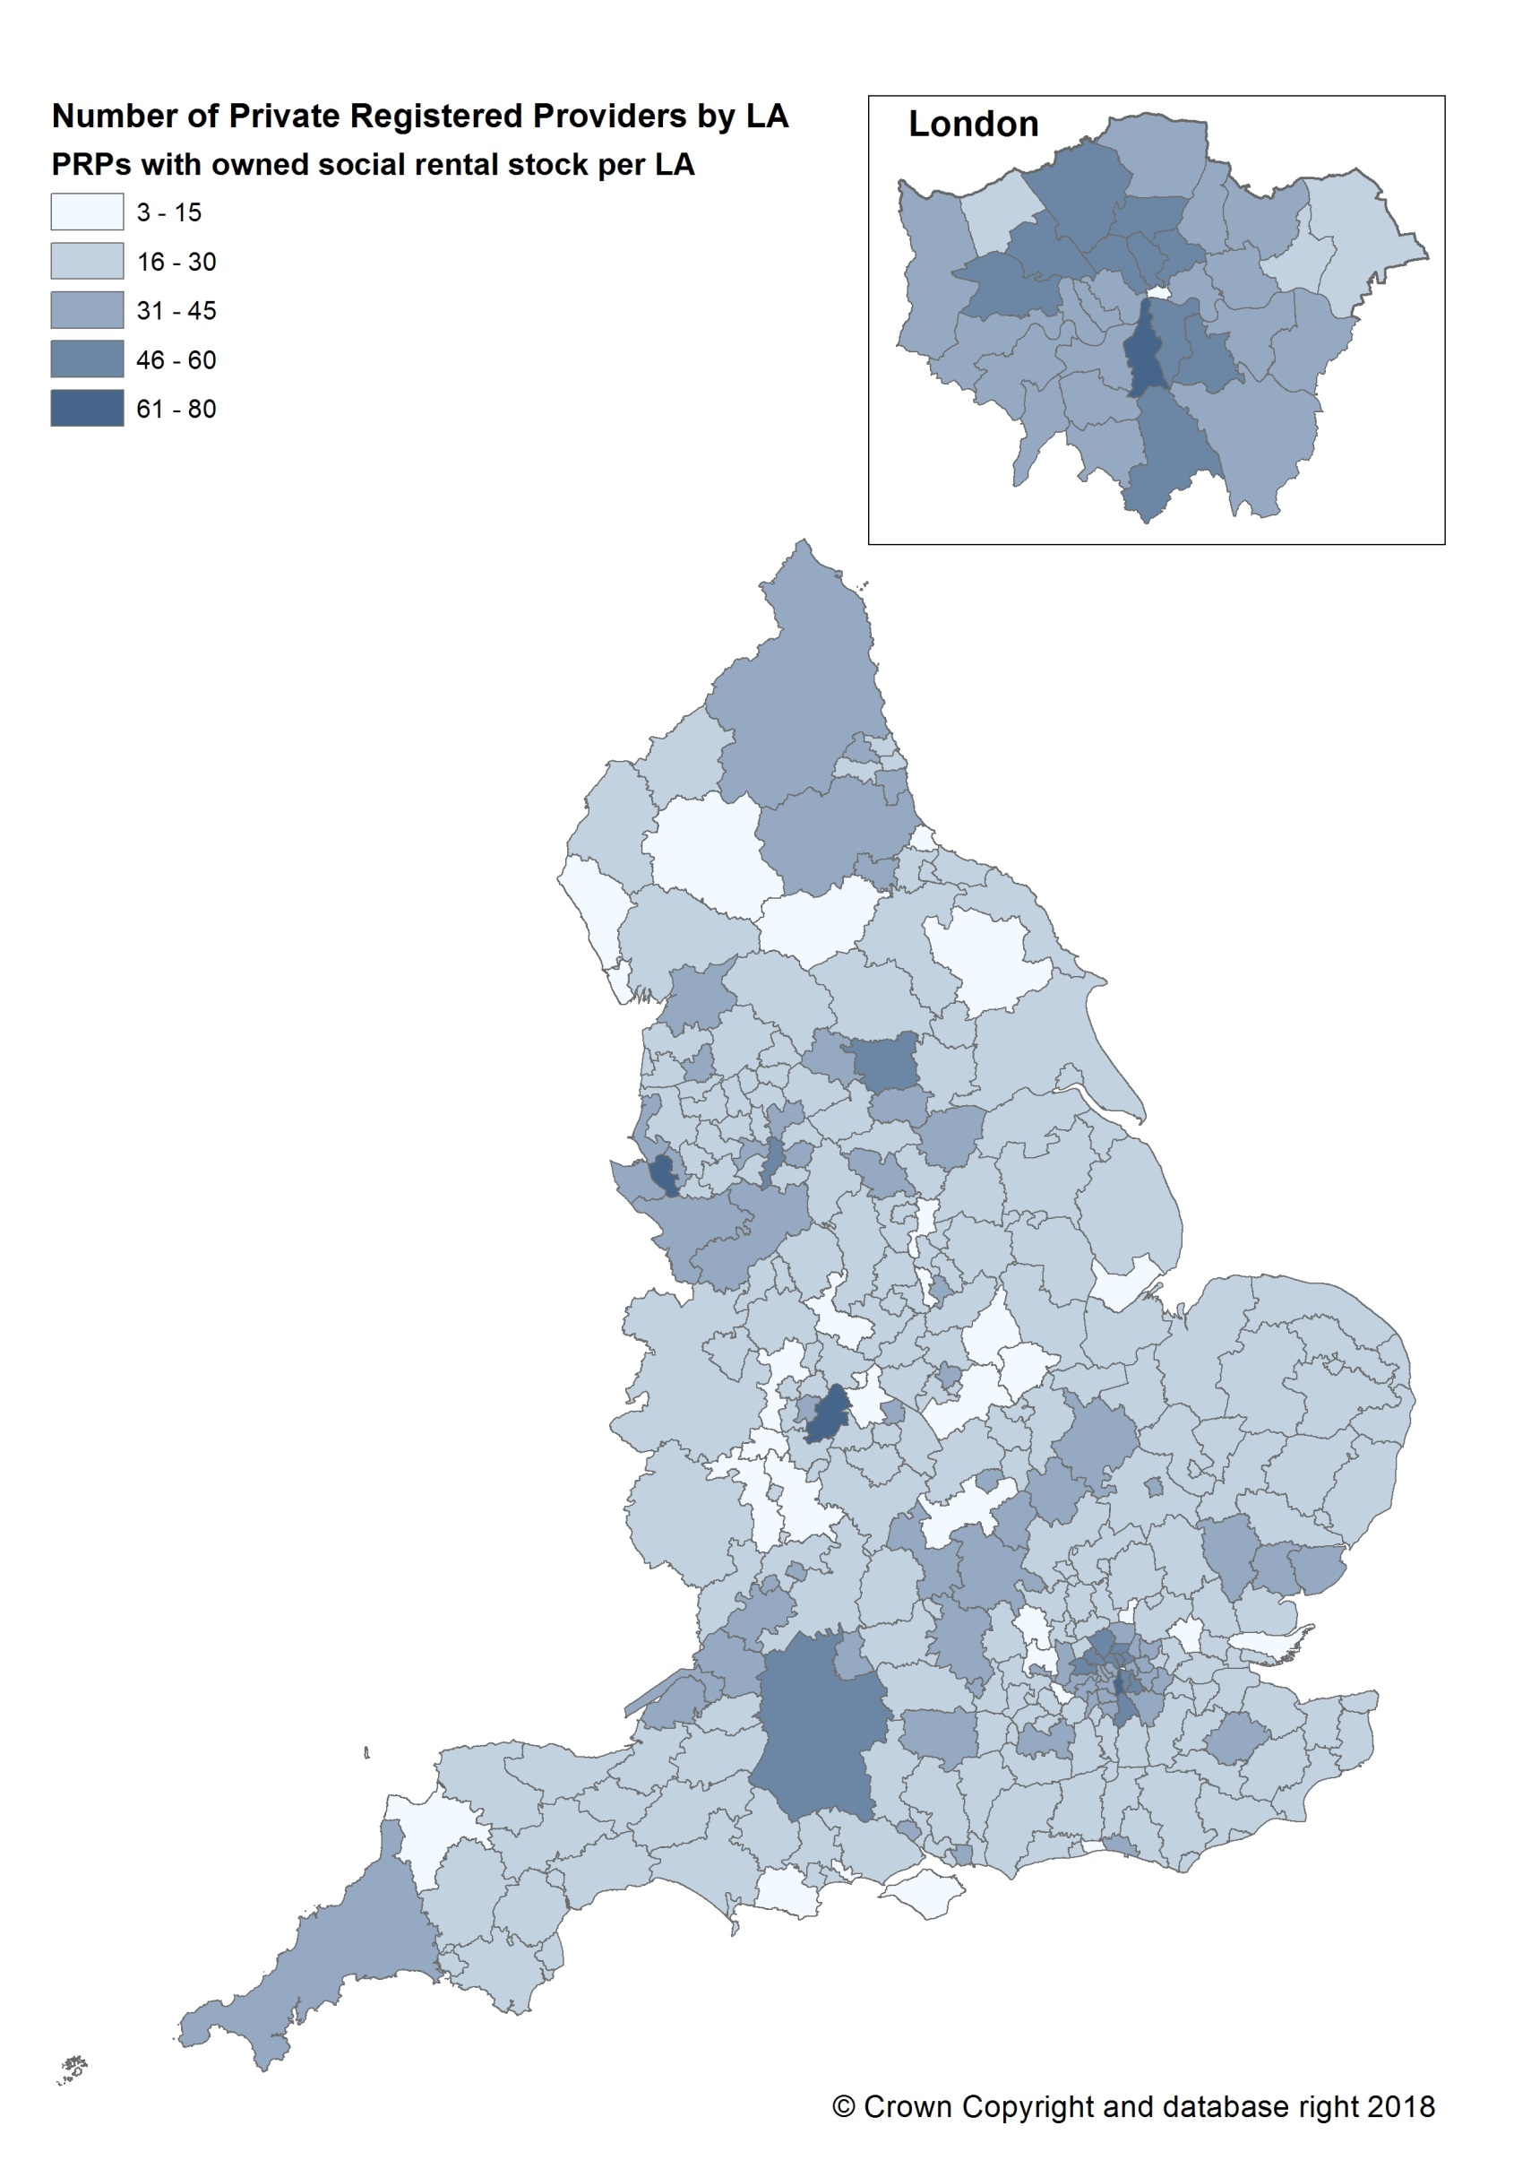

Contact
Telephone: Referals and Regulatory Enquires Team on 0300 1245 225
NROSHenquiries@rsh.gov.uk

Publication date: April 2019
Version: 1.3

